2025-08-11
SERVER: QA
FEATURES RUNNED: 13
FEATURE FILES: NegativeScenarioSignup, address, footer, bag, Login, productListing, menu, home, productDeatils, search, checkoutPage, orders, saleB1G1
TOTAL TEST CASE EXECUTED : 141
TOTAL PASSED : 129
TOTAL FAILED : 12
TOTAL TIME EXECUTED : 4968 sec | TestCase Name | Duration (s) | Executed By | Status | Error Message | Screenshot
TC_UI_Zlaata_ADDP_01 | TC_UI_Zlaata_ADDP_01 | Verify Add New Address functionality on Address Page | "TD_UI_Zlaata_ADDP_01" | 28.411 | gowthamraj | Pass | N/A
TC_UI_Zlaata_ADDP_02 | TC_UI_Zlaata_ADDP_02 | Verify clicking Save Address button without entering data | "TD_UI_Zlaata_ADDP_02" | 47.07 | gowthamraj | Pass | N/A
TC_UI_Zlaata_ADDP_03 | TC_UI_Zlaata_ADDP_03 | Verify Save as Default button functionality | "TD_UI_Zlaata_ADDP_03" | 16.441 | gowthamraj | Pass | N/A
TC_UI_Zlaata_ADDP_04 | TC_UI_Zlaata_ADDP_04 | Verify Add New Address functionality on checkoutpage | "TD_UI_Zlaata_ADDP_04" | 40.48 | gowthamraj | Pass | N/A
TC_UI_Zlaata_ADDP_05 | TC_UI_Zlaata_ADDP_05 | Verify Edit address functionality on Saved address page | "TD_UI_Zlaata_ADDP_05" | 74.891 | gowthamraj | Pass | N/A
TC_UI_Zlaata_ADDP_06 | TC_UI_Zlaata_ADDP_06 | Verify that the Default radio button is selected on the Change Address page | "TD_UI_Zlaata_ADDP_06" | 40.418 | gowthamraj | Pass | N/A
TC_UI_Zlaata_ADDP_07 | TC_UI_Zlaata_ADDP_07 | Verify that Estimated Delivery Date is Displayed on Address Page | "TD_UI_Zlaata_ADDP_07" | 57.368 | gowthamraj | Pass | N/A
TC_UI_Zlaata_ADDP_08 | TC_UI_Zlaata_ADDP_08 | Verify functionality of Address Radio Button on Change Address page | "TD_UI_Zlaata_ADDP_08" | 21.356 | gowthamraj | Pass | N/A
TC_UI_Zlaata_ADDP_09 | TC_UI_Zlaata_ADDP_09 | Verify Delete address functionality | "TD_UI_Zlaata_ADDP_09" | 29.549 | gowthamraj | Pass | N/A
TC_UI_Zlaata_BP_01 | TC_UI_Zlaata_BP_01 |Verify Bag Item Count Display|"TD_UI_Zlaata_BP_01" | 31.471 | gowthamraj | Pass | N/A
TC_UI_Zlaata_BP_02 | TC_UI_Zlaata_BP_02 |Verify Display of Wishlist Button|"TD_UI_Zlaata_BP_02" | 83.561 | gowthamraj | Pass | N/A
TC_UI_Zlaata_BP_03 | TC_UI_Zlaata_BP_03 |Verify Display of Delete Button|"TD_UI_Zlaata_BP_03" | 57.673 | gowthamraj | Pass | N/A
TC_UI_Zlaata_BP_04 | TC_UI_Zlaata_BP_04 |Verify That User Can Change Product Size|"TD_UI_Zlaata_BP_04" | 61.718 | gowthamraj | Pass | N/A
TC_UI_Zlaata_BP_05 | TC_UI_Zlaata_BP_05 |Verify User Can Increase or Decrease Product Quantity|"TD_UI_Zlaata_BP_05" | 61.069 | gowthamraj | Pass | N/A
TC_UI_Zlaata_BP_06 | TC_UI_Zlaata_BP_06 |Verify User Can Add New Product|"TD_UI_Zlaata_BP_06" | 20.707 | gowthamraj | Pass | N/A
TC_UI_Zlaata_BP_07 | TC_UI_Zlaata_BP_07 |Verify That Adding Product to Bag Count is Displaying or Not Above Bag Icon|"TD_UI_Zlaata_BP_07" | 44.333 | gowthamraj | Pass | N/A
TC_UI_Zlaata_BP_08 | TC_UI_Zlaata_BP_08 |Verify That Adding New Product or Deleting Product Count Increases or Decreases|"TD_UI_Zlaata_BP_08" | 92.992 | gowthamraj | Pass | N/A
TC_UI_Zlaata_BP_09 | TC_UI_Zlaata_BP_09 |Verify "You’ll Earn" Line Display|"TD_UI_Zlaata_BP_09" | 55.534 | gowthamraj | Pass | N/A
TC_UI_Zlaata_BP_10 | TC_UI_Zlaata_BP_10 |Verify "You’ll Earn thread amount " Calculation Based on Discount Amount|"TD_UI_Zlaata_BP_10" | 77.333 | gowthamraj | Pass | N/A
TC_UI_Zlaata_BP_11 | TC_UI_Zlaata_BP_11 |Verify Increasing/Decreasing/Adding Product's "You’ll Earn" Thread Amount Based on Change|"TD_UI_Zlaata_BP_11" | 77.517 | gowthamraj | Pass | N/A
TC_UI_Zlaata_BP_12 | TC_UI_Zlaata_BP_12 |Verify "You Saved" and Total Amount Line Display|"TD_UI_Zlaata_BP_12" | 77.065 | gowthamraj | Pass | N/A
TC_UI_Zlaata_BP_13 | TC_UI_Zlaata_BP_13 |Verify "You Saved" Amount Calculation Based on Original Price Minus Discount Amount|"TD_UI_Zlaata_BP_13" | 76.909 | gowthamraj | Pass | N/A
TC_UI_Zlaata_BP_14 | TC_UI_Zlaata_BP_14 |Verify "Total Amount" Calculating Based on Discounted Amount|"TD_UI_Zlaata_BP_14" | 77.101 | gowthamraj | Pass | N/A
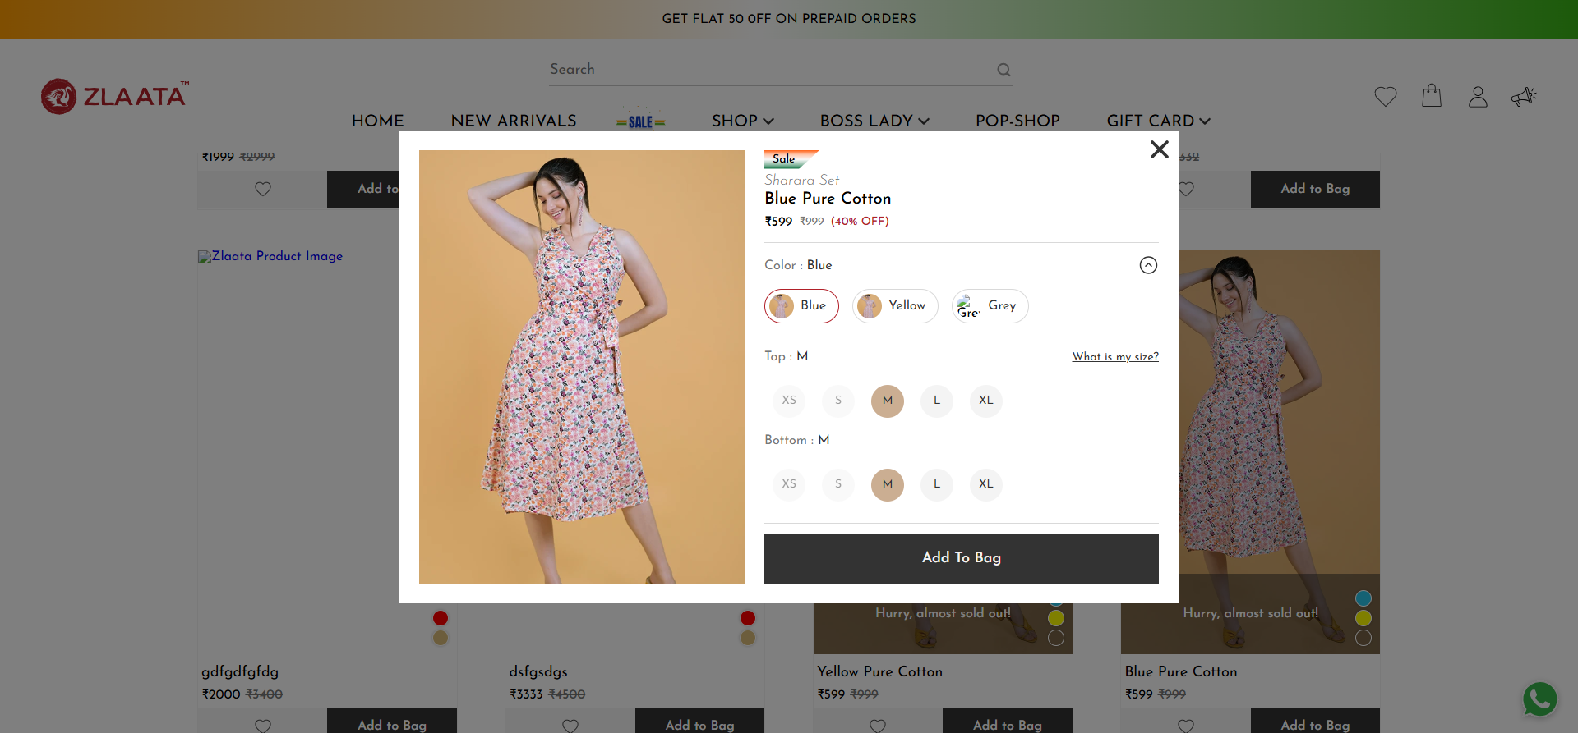
TC_UI_Zlaata_BP_15 | TC_UI_Zlaata_BP_15 |Verify Increasing/Decreasing/Adding Product's "You Saved" & Total Amount Based on Change|"TD_UI_Zlaata_BP_15" | 45.209 | gowthamraj | Fail | N/A
TC_UI_Zlaata_BP_16 | TC_UI_Zlaata_BP_16 |Verify "Buy Now" Button Functionality|"TD_UI_Zlaata_BP_16" | 78.729 | gowthamraj | Pass | N/A
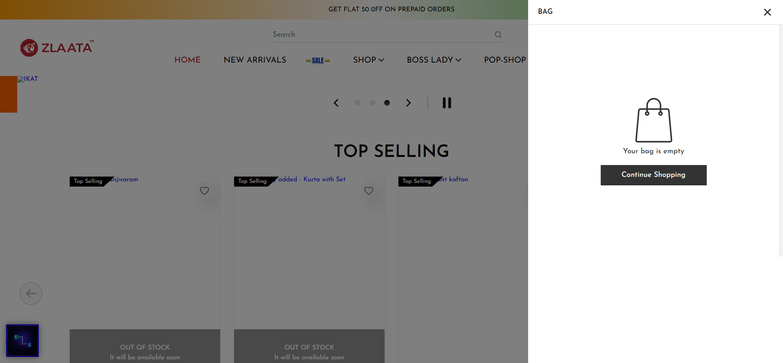
TC_UI_Zlaata_COP_25 | TC_UI_Zlaata_COP_25 |Verify That Calculation Functionality is Working|"TD_UI_Zlaata_COP_25" | 82.853 | gowthamraj | Fail | N/A
TC_UI_Zlaata_FS_01 | TC_UI_Zlaata_FS_01 | Verify that Shop All footer links are clickable. | "TD_UI_Zlaata_FS_01" | 53.394 | gowthamraj | Pass | N/A
TC_UI_Zlaata_FS_02 | TC_UI_Zlaata_FS_02 | Verify that the payment logo is displayed in the footer. | "TD_UI_Zlaata_FS_02" | 8.65 | gowthamraj | Pass | N/A
TC_UI_Zlaata_FS_03 | TC_UI_Zlaata_FS_03 | Verify that social media icons are displayed in the footer. | "TD_UI_Zlaata_FS_03" | 64.773 | gowthamraj | Pass | N/A
TC_UI_Zlaata_FS_04 | TC_UI_Zlaata_FS_04 | Verify that the Zlaata email ID is displayed in the footer. | "TD_UI_Zlaata_FS_04" | 12.355 | gowthamraj | Pass | N/A
TC_UI_Zlaata_FS_05 | TC_UI_Zlaata_FS_05 | Verify that user can subscribe to the newsletter with a valid new email ID | "TD_UI_Zlaata_FS_05" | 16.781 | gowthamraj | Pass | N/A
TC_UI_Zlaata_FS_06 | TC_UI_Zlaata_FS_06 | Verify that user cannot subscribe to the newsletter using an already subscribed email ID | "TD_UI_Zlaata_FS_06" | 13.92 | gowthamraj | Pass | N/A
TC_UI_Zlaata_FS_07 | TC_UI_Zlaata_FS_07 | Verify that user cannot subscribe to the newsletter using an invalid email ID | "TD_UI_Zlaata_FS_07" | 13.211 | gowthamraj | Pass | N/A
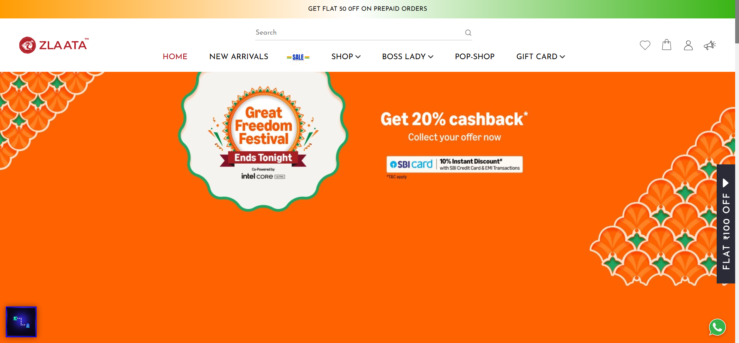
TC_UI_Zlaata_Home_01 | TC_UI_Zlaata_Home_01 |Verify if the user is able to click on the homepage banner.|"TD_UI_Zlaata_Home_01" | 50.21 | gowthamraj | Fail | N/A

TC_UI_Zlaata_Home_02 | TC_UI_Zlaata_Home_02 |Verify if the user is able to click on the forward and backward arrows on the homepage banner.|"TD_UI_Zlaata_Home_02" | 38.926 | gowthamraj | Fail | N/A
TC_UI_Zlaata_Home_03 | TC_UI_Zlaata_Home_03 |Verify if the user is able to click on the banner pause button.|"TD_UI_Zlaata_Home_03" | 49.978 | gowthamraj | Pass | N/A
TC_UI_Zlaata_Home_04 | TC_UI_Zlaata_Home_04 |Verify if the user is able to click on the "Top Selling" section forward and backward arrows.|"TD_UI_Zlaata_Home_04" | 11.226 | gowthamraj | Pass | N/A
TC_UI_Zlaata_Home_05 | TC_UI_Zlaata_Home_05 |Verify if the user is able to click on the product image in the "Top Selling" section.|"TD_UI_Zlaata_Home_05" | 14.379 | gowthamraj | Pass | N/A
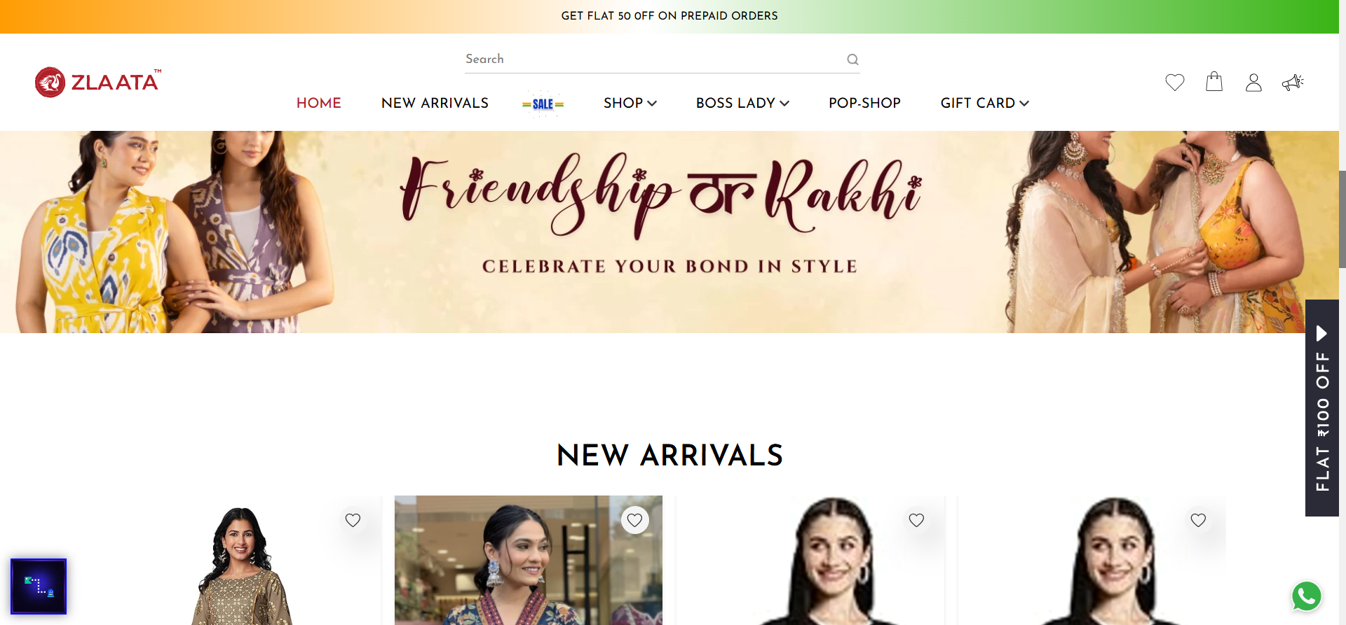
TC_UI_Zlaata_Home_06 | TC_UI_Zlaata_Home_06 |Verify if the user is able to click on the "Show More" button in the "New Arrival" section.|"TD_UI_Zlaata_Home_06" | 43.052 | gowthamraj | Fail | N/A
TC_UI_Zlaata_Home_07 | TC_UI_Zlaata_Home_07 |Verify if the user is able to click on the product image in the "New Arrival" section.|"TD_UI_Zlaata_Home_07" | 39.068 | gowthamraj | Pass | N/A
TC_UI_Zlaata_Home_08 | TC_UI_Zlaata_Home_08 |Verify if the user is able to click on the "Quick View" button in the "New Arrival" section.|"TD_UI_Zlaata_Home_08" | 11.127 | gowthamraj | Pass | N/A
TC_UI_Zlaata_Home_09 | TC_UI_Zlaata_Home_09 |Verify if the user is able to click on images in the "Inspired By" section.|"TD_UI_Zlaata_Home_09" | 10.261 | gowthamraj | Pass | N/A
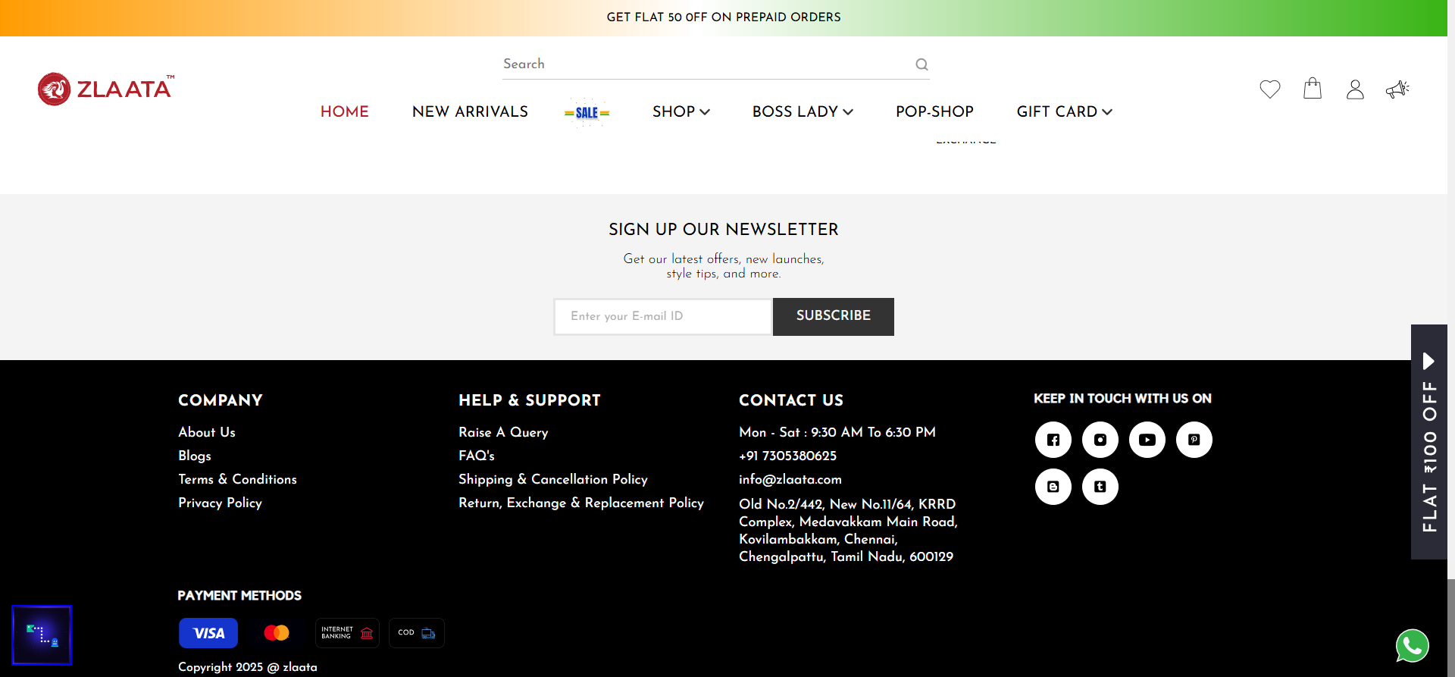
TC_UI_Zlaata_Home_10 | TC_UI_Zlaata_Home_10 |Verify if the user is able to click on the forward and backward arrows in the "Happy Customer" section.|"TD_UI_Zlaata_Home_10" | 41.273 | gowthamraj | Fail | N/A
TC_UI_Zlaata_Home_11 | TC_UI_Zlaata_Home_11 |Verify if the user is able to click on the "Quick View" button in the "Happy Customer" section.|"TD_UI_Zlaata_Home_11" | 38.669 | gowthamraj | Pass | N/A
TC_UI_Zlaata_Home_12 | TC_UI_Zlaata_Home_12 |Verify if the user is able to give a feedback successfully|"TD_UI_Zlaata_Home_12" | 15.819 | gowthamraj | Pass | N/A

TC_UI_Zlaata_Home_13 | TC_UI_Zlaata_Home_13 |Verify if the user is able to click the "Back to Top" arrow on all pages.|"TD_UI_Zlaata_Home_13" | 40.36 | gowthamraj | Fail | N/A
TC_UI_Zlaata_Home_14 | TC_UI_Zlaata_Home_14 |Verify if the user is able to click on the WhatsApp icon on all pages.|"TD_UI_Zlaata_Home_14" | 12.614 | gowthamraj | Pass | N/A
TC_UI_Zlaata_Home_15 | TC_UI_Zlaata_Home_15 |Verify if the user is able to click on the forward and backward arrows in the "Feature On" section.|"TD_UI_Zlaata_Home_15" | 44.109 | gowthamraj | Pass | N/A
TC_UI_Zlaata_Home_16 | TC_UI_Zlaata_Home_16 |Verify if the all home page fields are avilable once page load|"TD_UI_Zlaata_Home_16" | 10.139 | gowthamraj | Pass | N/A
TC_UI_Zlaata_Login_01 | TC_UI_Zlaata_Login_01 |User Login Scenario|"TD_UI_Zlaata_Login_01" | 15.481 | gowthamraj | Pass | N/A
TC_UI_Zlaata_Login_02 | TC_UI_Zlaata_Login_02 |FirstBuy200 Coupon is displaying|"TD_UI_Zlaata_Login_02" | 15.137 | gowthamraj | Pass | N/A
TC_UI_Zlaata_Login_03 | TC_UI_Zlaata_Login_03 |User left phone_number field Empty|"TD_UI_Zlaata_Login_03" | 10.1 | gowthamraj | Pass | N/A
TC_UI_Zlaata_Login_04 | TC_UI_Zlaata_Login_04 |User entered phone_number with less than 10 digits|"TD_UI_Zlaata_Login_04" | 9.407 | gowthamraj | Pass | N/A
TC_UI_Zlaata_Login_05 | TC_UI_Zlaata_Login_05 |User entered phone_number with more than 10 digits|"TD_UI_Zlaata_Login_05" | 9.228 | gowthamraj | Pass | N/A
TC_UI_Zlaata_Login_06 | TC_UI_Zlaata_Login_06 |User entered phone_number with non-numeric characters|"TD_UI_Zlaata_Login_06" | 9.343 | gowthamraj | Pass | N/A
TC_UI_Zlaata_Login_07 | TC_UI_Zlaata_Login_07 |User entered the New phone_number|"TD_UI_Zlaata_Login_07" | 9.802 | gowthamraj | Pass | N/A
TC_UI_Zlaata_Login_08 | TC_UI_Zlaata_Login_08 |User entered phone_number starting with 1,2,3,4,5|"TD_UI_Zlaata_Login_08" | 10.07 | gowthamraj | Pass | N/A
TC_UI_Zlaata_Login_09 | TC_UI_Zlaata_Login_09 |User entered phone_number with Special symbol|"TD_UI_Zlaata_Login_09" | 9.342 | gowthamraj | Pass | N/A
TC_UI_Zlaata_Login_10 | TC_UI_Zlaata_Login_10 |User entered phone_number along with space|"TD_UI_Zlaata_Login_10" | 9.562 | gowthamraj | Pass | N/A
TC_UI_Zlaata_Login_11 | TC_UI_Zlaata_Login_11 |User clicks on google link|"TD_UI_Zlaata_Login_11" | 12.124 | gowthamraj | Pass | N/A
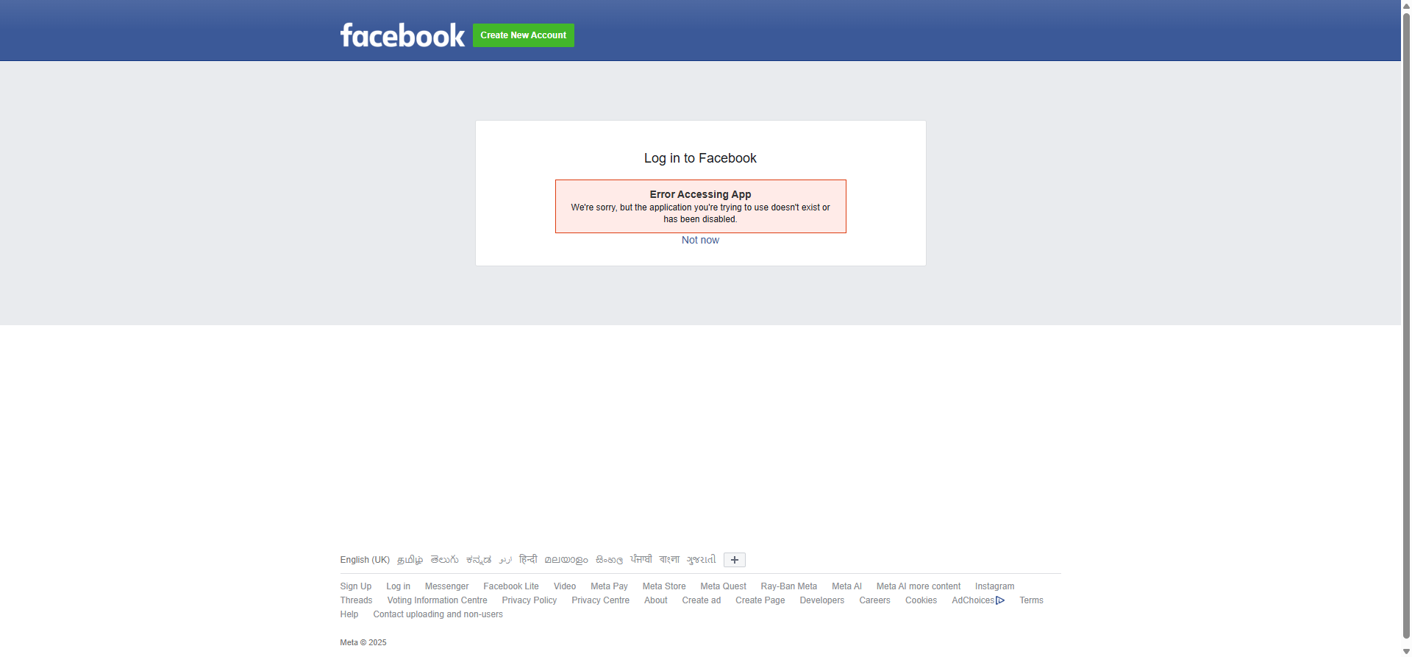
TC_UI_Zlaata_Login_12 | TC_UI_Zlaata_Login_12 |User clicks on facebook link|"TD_UI_Zlaata_Login_12" | 108.32 | gowthamraj | Fail | N/A

TC_UI_Zlaata_Menus_01 | TC_UI_Zlaata_Menus_01 |Verify that the user is able to click the Homepage header menu.|"TD_UI_Zlaata_Menus_01" | 40.141 | gowthamraj | Fail | N/A
TC_UI_Zlaata_Menus_02 | TC_UI_Zlaata_Menus_02 |Verify that the user is able to click the "New Arrival" page header menu.|"TD_UI_Zlaata_Menus_02" | 10.937 | gowthamraj | Pass | N/A
TC_UI_Zlaata_Menus_03 | TC_UI_Zlaata_Menus_03 |Verify that the user is able to click the "New Arrival" hover image.|"TD_UI_Zlaata_Menus_03" | 10.686 | gowthamraj | Pass | N/A
TC_UI_Zlaata_Menus_04 | TC_UI_Zlaata_Menus_04 |Verify that the user is able to click the "Sale" header menu.|"TD_UI_Zlaata_Menus_04" | 11.331 | gowthamraj | Pass | N/A
TC_UI_Zlaata_Menus_05 | TC_UI_Zlaata_Menus_05 |Verify that the user is able to click the "Boss Lady" hover image.|"TD_UI_Zlaata_Menus_05" | 11.709 | gowthamraj | Pass | N/A
TC_UI_Zlaata_Menus_06 | TC_UI_Zlaata_Menus_06 |Verify that the user is able to click the "GET UPDATE" banner.|"TD_UI_Zlaata_Menus_06" | 10.759 | gowthamraj | Pass | N/A
TC_UI_Zlaata_Menus_07 | TC_UI_Zlaata_Menus_07 |Verify that the user is able to click any category in the "Shop" dropdown.|"TD_UI_Zlaata_Menus_07" | 16.559 | gowthamraj | Pass | N/A
TC_UI_Zlaata_Menus_08 | TC_UI_Zlaata_Menus_08 |Verify that the user is able to click any collection in the "Shop" dropdown.|"TD_UI_Zlaata_Menus_08" | 16.527 | gowthamraj | Pass | N/A
TC_UI_Zlaata_Menus_09 | TC_UI_Zlaata_Menus_09 |Verify that the user is able to click any style in the "Shop" dropdown.|"TD_UI_Zlaata_Menus_09" | 17.437 | gowthamraj | Pass | N/A
TC_UI_Zlaata_Menus_10 | TC_UI_Zlaata_Menus_10 |Verify that the user is able to click the popshop header menu.|"TD_UI_Zlaata_Menus_10" | 23.587 | gowthamraj | Pass | N/A
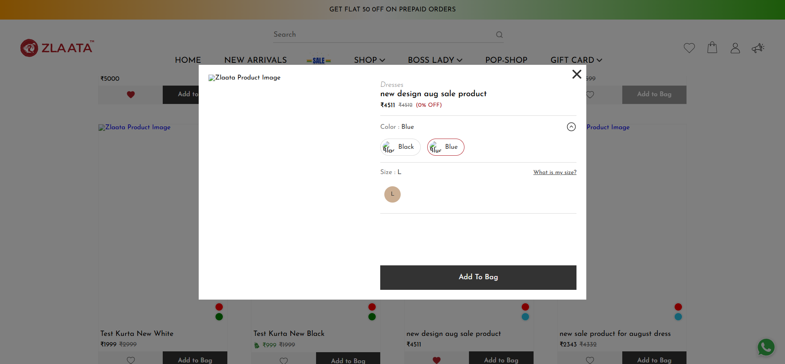
TC_UI_Zlaata_Orders_01 | TC_UI_Zlaata_Orders_01 |Verify user placing order and verifies all calculations|"TD_UI_Zlaata_Orders_01" | 86.871 | gowthamraj | Fail | N/A
TC_UI_Zlaata_PDP_01 | TC_UI_Zlaata_PDP_01 | Verify Product price is displaying on product details page | "TD_UI_Zlaata_PDP_01" | 14.529 | gowthamraj | Pass | N/A
TC_UI_Zlaata_PDP_02 | TC_UI_Zlaata_PDP_02 | Verify Discounted Price Calculating on Product details page | "TD_UI_Zlaata_PDP_02" | 14.284 | gowthamraj | Pass | N/A
TC_UI_Zlaata_PDP_03 | TC_UI_Zlaata_PDP_03 | Verify product images are changeable using arrow button | "TD_UI_Zlaata_PDP_03" | 80.564 | gowthamraj | Pass | N/A
TC_UI_Zlaata_PDP_04 | TC_UI_Zlaata_PDP_04 | Verify Wishlist Button Functionality on Product details page | "TD_UI_Zlaata_PDP_04" | 33.312 | gowthamraj | Pass | N/A
TC_UI_Zlaata_PDP_05 | TC_UI_Zlaata_PDP_05 | Verify "Best Price" Functionality | "TD_UI_Zlaata_PDP_05" | 197.422 | gowthamraj | Pass | N/A
TC_UI_Zlaata_PDP_06 | TC_UI_Zlaata_PDP_06 | Verify Color Selection Functionality | "TD_UI_Zlaata_PDP_06" | 43.186 | gowthamraj | Pass | N/A
TC_UI_Zlaata_PDP_07 | TC_UI_Zlaata_PDP_07 | Verify Color Section Dropdown Arrow | "TD_UI_Zlaata_PDP_07" | 23.372 | gowthamraj | Pass | N/A
TC_UI_Zlaata_PDP_08 | TC_UI_Zlaata_PDP_08 | Verify Size Chart Availability | "TD_UI_Zlaata_PDP_08" | 66.707 | gowthamraj | Pass | N/A
TC_UI_Zlaata_PDP_09 | TC_UI_Zlaata_PDP_09 | Verify Size Selection Functionality | "TD_UI_Zlaata_PDP_09" | 99.918 | gowthamraj | Pass | N/A
TC_UI_Zlaata_PDP_10 | TC_UI_Zlaata_PDP_10 | Verify that the category name is displayed on the Product Details Page | "TD_UI_Zlaata_PDP_10" | 36.309 | gowthamraj | Pass | N/A
TC_UI_Zlaata_PDP_11 | TC_UI_Zlaata_PDP_11 | Verify "Add to Cart" Button Functionality on Product details page | "TD_UI_Zlaata_PDP_11" | 32.325 | gowthamraj | Pass | N/A
TC_UI_Zlaata_PDP_12 | TC_UI_Zlaata_PDP_12 | Verify "Buy Now" Button Functionality on Product details page | "TD_UI_Zlaata_PDP_12" | 39.605 | gowthamraj | Pass | N/A
TC_UI_Zlaata_PDP_13 | TC_UI_Zlaata_PDP_13 | Verify Delivery Pincode Textbox Functionality | "TD_UI_Zlaata_PDP_13" | 37.609 | gowthamraj | Pass | N/A
TC_UI_Zlaata_PDP_14 | TC_UI_Zlaata_PDP_14 | Verify "Try Along" Section Availability | "TD_UI_Zlaata_PDP_14" | 33.038 | gowthamraj | Pass | N/A
TC_UI_Zlaata_PDP_15 | TC_UI_Zlaata_PDP_15 | Verify Selection of "Try Along" Product | "TD_UI_Zlaata_PDP_15" | 38.088 | gowthamraj | Pass | N/A
TC_UI_Zlaata_PDP_16 | TC_UI_Zlaata_PDP_16 | Verify Eye Icon Click on "Try Along" Product | "TD_UI_Zlaata_PDP_16" | 69.99 | gowthamraj | Pass | N/A
TC_UI_Zlaata_PDP_17 | TC_UI_Zlaata_PDP_17 | Verify Quick View Popup Close Button on Product details page | "TD_UI_Zlaata_PDP_17" | 76.218 | gowthamraj | Pass | N/A
TC_UI_Zlaata_PDP_18 | TC_UI_Zlaata_PDP_18 | Verify Dropdown Arrows for Sections (Product Description, Composition & Care, etc.) | "TD_UI_Zlaata_PDP_18" | 71.252 | gowthamraj | Pass | N/A
TC_UI_Zlaata_PDP_19 | TC_UI_Zlaata_PDP_19 | Verify "Click Here" Link in Return & Exchange Section | "TD_UI_Zlaata_PDP_19" | 70.957 | gowthamraj | Pass | N/A
TC_UI_Zlaata_PDP_20 | TC_UI_Zlaata_PDP_20 | Verify "View All" Button Clickability on Product details page | "TD_UI_Zlaata_PDP_20" | 67.16 | gowthamraj | Pass | N/A
TC_UI_Zlaata_PDP_21 | TC_UI_Zlaata_PDP_21 | Verify Review Calculation on Product details page | "TD_UI_Zlaata_PDP_21" | 61.512 | gowthamraj | Pass | N/A
TC_UI_Zlaata_PDP_22 | TC_UI_Zlaata_PDP_22 | Verify "Write a Review" Button Clickability on Product details page | "TD_UI_Zlaata_PDP_22" | 26.179 | gowthamraj | Pass | N/A
TC_UI_Zlaata_PDP_23 | TC_UI_Zlaata_PDP_23 | Verify Display of "More for You" Section on Product details page | "TD_UI_Zlaata_PDP_23" | 40.166 | gowthamraj | Pass | N/A
TC_UI_Zlaata_PDP_24 | TC_UI_Zlaata_PDP_24 | Verify Display of "Suggested for You" Section | "TD_UI_Zlaata_PDP_24" | 35.805 | gowthamraj | Pass | N/A
TC_UI_Zlaata_PDP_25 | TC_UI_Zlaata_PDP_25 | Verify Display of "Recently Viewed" Section | "TD_UI_Zlaata_PDP_25" | 23.834 | gowthamraj | Pass | N/A
TC_UI_Zlaata_PDP_26 | TC_UI_Zlaata_PDP_26 | Verify that on Review Popup without Enter All Data Click on Submit | "TD_UI_Zlaata_PDP_26" | 23.343 | gowthamraj | Pass | N/A
TC_UI_Zlaata_PLP_01 | TC_UI_Zlaata_PLP_01 |Verify that the "Home" text link on the Product Listing page is clickable.|"TD_UI_Zlaata_PLP_01" | 15.928 | gowthamraj | Pass | N/A
TC_UI_Zlaata_PLP_02 | TC_UI_Zlaata_PLP_02 |Verify that the heading is available on the Product Listing page.|"TD_UI_Zlaata_PLP_02" | 13.19 | gowthamraj | Pass | N/A
TC_UI_Zlaata_PLP_03 | TC_UI_Zlaata_PLP_03 |Verify that pagination functionality is available.|"TD_UI_Zlaata_PLP_03" | 13.709 | gowthamraj | Pass | N/A
TC_UI_Zlaata_PLP_04 | TC_UI_Zlaata_PLP_04 |Verify that the pagination arrows are clickable.|"TD_UI_Zlaata_PLP_04" | 13.011 | gowthamraj | Pass | N/A
TC_UI_Zlaata_PLP_05 | TC_UI_Zlaata_PLP_05 |Verify that when the user clicks on a page number, the pagination functionality works.|"TD_UI_Zlaata_PLP_05" | 13.055 | gowthamraj | Pass | N/A
TC_UI_Zlaata_PLP_06 | TC_UI_Zlaata_PLP_06 |Verify that the "Show Filter" button is clickable.|"TD_UI_Zlaata_PLP_06" | 18.375 | gowthamraj | Pass | N/A
TC_UI_Zlaata_PLP_07 | TC_UI_Zlaata_PLP_07 |Verify that the "Sort By" option is clickable.|"TD_UI_Zlaata_PLP_07" | 18.261 | gowthamraj | Pass | N/A
TC_UI_Zlaata_PLP_08 | TC_UI_Zlaata_PLP_08 |Verify that all basic filter options are working.|"TD_UI_Zlaata_PLP_08" | 222.468 | gowthamraj | Pass | N/A
TC_UI_Zlaata_PLP_09 | TC_UI_Zlaata_PLP_09 |Verify that all sorting options are working.|"TD_UI_Zlaata_PLP_09" | 32.665 | gowthamraj | Pass | N/A
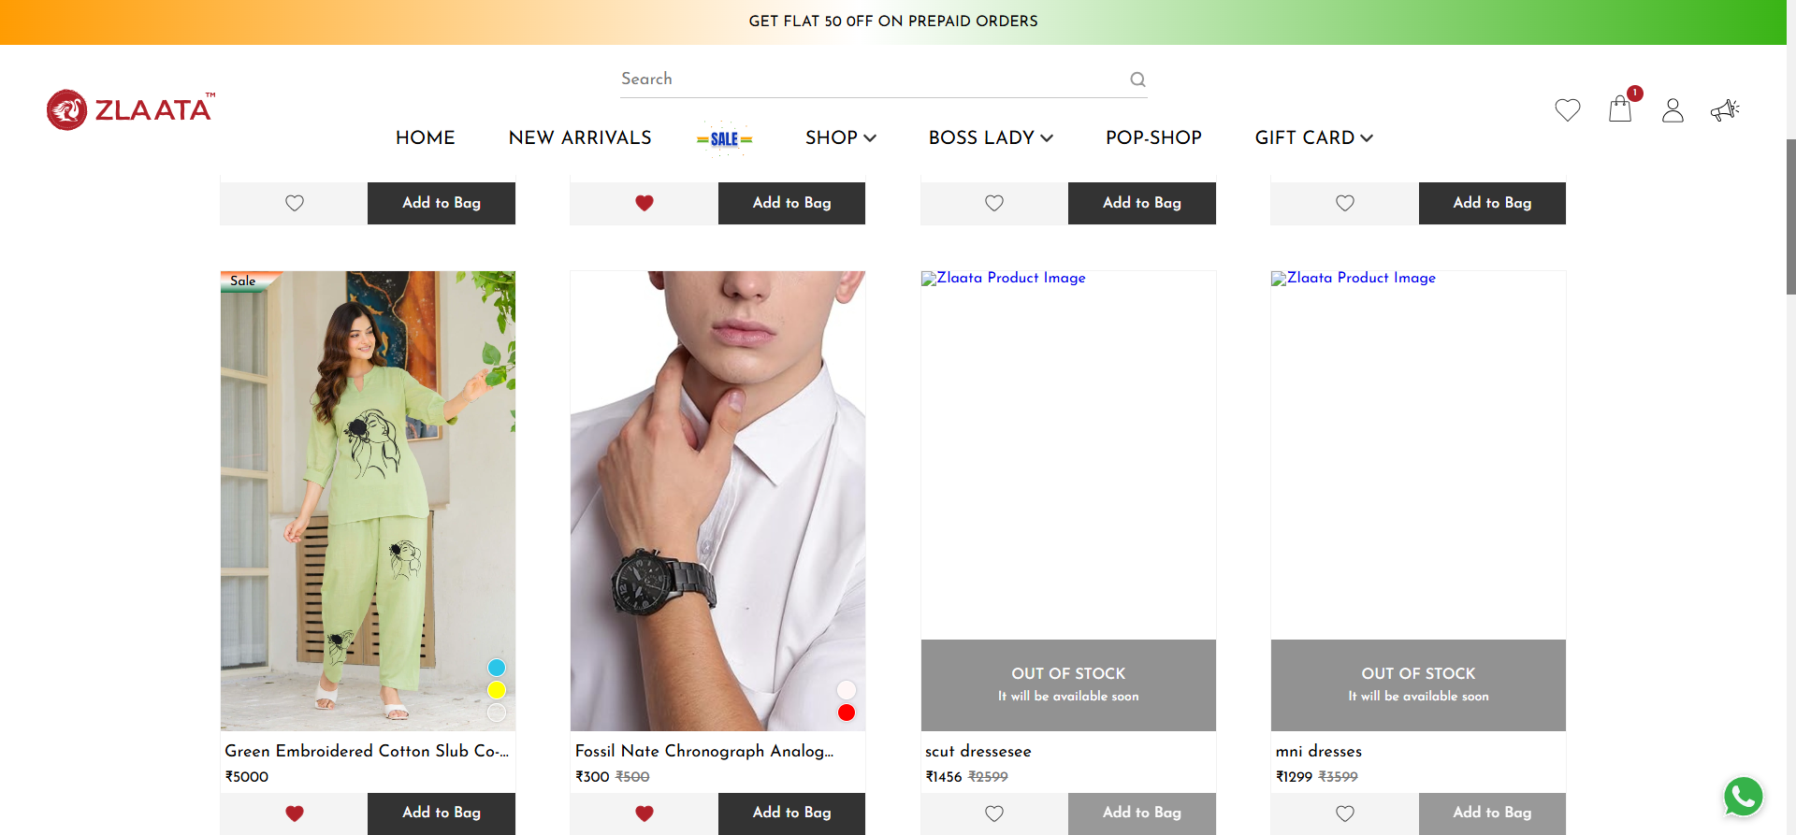
TC_UI_Zlaata_PLP_10 | TC_UI_Zlaata_PLP_10 |Verify that the "Wishlist" button is working.|"TD_UI_Zlaata_PLP_10" | 56.887 | gowthamraj | Fail | N/A
TC_UI_Zlaata_PLP_11 | TC_UI_Zlaata_PLP_11 |Verify that the "Add to Cart" button is working.|"TD_UI_Zlaata_PLP_11" | 15.206 | gowthamraj | Pass | N/A
TC_UI_Zlaata_SALEB1G1_01 | TC_UI_Zlaata_SALEB1G1_01 |User verifiles Sale B1G1 offers|"TD_UI_Zlaata_SALEB1G1_01" | 52.455 | gowthamraj | Pass | N/A
TC_UI_Zlaata_SB_01 | TC_UI_Zlaata_SB_01 | Verify that the user can click on the search bar. | "TD_UI_Zlaata_SB_01" | 12.059 | gowthamraj | Pass | N/A
TC_UI_Zlaata_SB_02 | TC_UI_Zlaata_SB_02 | Verify that the TRENDINGS and Related Products headings are displayed when the search bar is focused. | "TD_UI_Zlaata_SB_02" | 12.174 | gowthamraj | Pass | N/A
TC_UI_Zlaata_SB_03 | TC_UI_Zlaata_SB_03 | Verify that all options under the TRENDINGS section are clickable. | "TD_UI_Zlaata_SB_03" | 42.127 | gowthamraj | Pass | N/A
TC_UI_Zlaata_SB_04 | TC_UI_Zlaata_SB_04 | Verify that the search keyword redirects to the correct page | "TD_UI_Zlaata_SB_04" | 23.316 | gowthamraj | Pass | N/A
TC_UI_Zlaata_SB_05 | TC_UI_Zlaata_SB_05 | Verify that the Related Queries display and the sub Related Queries menu redirects correctly | "TD_UI_Zlaata_SB_05" | 39.699 | gowthamraj | Pass | N/A
TC_UI_Zlaata_SB_06 | TC_UI_Zlaata_SB_06 | Verify that entering random keywords in the search bar navigates the user to the Search Suggestions page. | "TD_UI_Zlaata_SB_06" | 20.881 | gowthamraj | Pass | N/A
TC_UI_Zlaata_SB_07 | TC_UI_Zlaata_SB_07 | Verify that the Search History section is displayed in the search bar. | "TD_UI_Zlaata_SB_07" | 20.144 | gowthamraj | Pass | N/A
TC_UI_Zlaata_SB_08 | TC_UI_Zlaata_SB_08 | Verify that the user can clear individual keywords from the search history. | "TD_UI_Zlaata_SB_08" | 47.504 | gowthamraj | Pass | N/A
TC_UI_Zlaata_SB_09 | TC_UI_Zlaata_SB_09 | Verify that copying and pasting a product name into the search bar displays the correct product in the suggestions. | "TD_UI_Zlaata_SB_09" | 15.919 | gowthamraj | Pass | N/A
TC_UI_Zlaata_SB_10 | TC_UI_Zlaata_SB_10 | Verify that the Recently Viewed section is displayed in the search bar. | "TD_UI_Zlaata_SB_10" | 25.729 | gowthamraj | Pass | N/A
TC_UI_Zlaata_Signup_02 | TC_UI_Zlaata_Signup_02 | User left name field Empty |"TD_UI_Zlaata_Signup_02" | 16.994 | gowthamraj | Pass | N/A
TC_UI_Zlaata_Signup_03 | TC_UI_Zlaata_Signup_03 | User left phone number field Empty |"TD_UI_Zlaata_Signup_03" | 7.03 | gowthamraj | Pass | N/A
TC_UI_Zlaata_Signup_04 | TC_UI_Zlaata_Signup_04 | User entered name with less than three characters |"TD_UI_Zlaata_Signup_04" | 17.054 | gowthamraj | Pass | N/A
TC_UI_Zlaata_Signup_05 | TC_UI_Zlaata_Signup_05 | User entered phone number with less than 10 digits |"TD_UI_Zlaata_Signup_05" | 7.408 | gowthamraj | Pass | N/A
TC_UI_Zlaata_Signup_06 | TC_UI_Zlaata_Signup_06 | User entered email with less than 3 characters |"TD_UI_Zlaata_Signup_06" | 17.224 | gowthamraj | Pass | N/A
TC_UI_Zlaata_Signup_07 | TC_UI_Zlaata_Signup_07 | User entered name with more than 50 characters |"TD_UI_Zlaata_Signup_07" | 17.246 | gowthamraj | Pass | N/A
TC_UI_Zlaata_Signup_08 | TC_UI_Zlaata_Signup_08 | User entered phone number with more than 10 digits |"TD_UI_Zlaata_Signup_08" | 7.04 | gowthamraj | Pass | N/A
TC_UI_Zlaata_Signup_09 | TC_UI_Zlaata_Signup_09 | User entered email with more than 50 characters |"TD_UI_Zlaata_Signup_09" | 17.236 | gowthamraj | Pass | N/A
TC_UI_Zlaata_Signup_10 | TC_UI_Zlaata_Signup_10| User entered email in an invalid format |"TD_UI_Zlaata_Signup_10" | 17.209 | gowthamraj | Pass | N/A
TC_UI_Zlaata_Signup_11 | TC_UI_Zlaata_Signup_11 | User entered phone number with non-numeric characters |"TD_UI_Zlaata_Signup_11" | 7.13 | gowthamraj | Pass | N/A
TC_UI_Zlaata_Signup_12 | TC_UI_Zlaata_Signup_12 | User entered name with special characters |"TD_UI_Zlaata_Signup_12" | 17.17 | gowthamraj | Pass | N/A
TC_UI_Zlaata_Signup_13 | TC_UI_Zlaata_Signup_13 | User entered the same phone number as twice |"TD_UI_Zlaata_Signup_13" | 7.846 | gowthamraj | Pass | N/A
TC_UI_Zlaata_Signup_14 | TC_UI_Zlaata_Signup_14 | User entered phone number starting with 1,2,3,4,5 |"TD_UI_Zlaata_Signup_14" | 7.219 | gowthamraj | Pass | N/A
TC_UI_Zlaata_Signup_15 | TC_UI_Zlaata_Signup_15 | User entered name with numeric characters |"TD_UI_Zlaata_Signup_15" | 6.976 | gowthamraj | Pass | N/A
TC_UI_Zlaata_Signup_16 | TC_UI_Zlaata_Signup_16 | User entered phone number with invalid characters |"TD_UI_Zlaata_Signup_16" | 7.043 | gowthamraj | Pass | N/A
TC_UI_Zlaata_Signup_17 | TC_UI_Zlaata_Signup_17 | User entered email with invalid domain (e.g., missing "@" or incorrect domain) |"TD_UI_Zlaata_Signup_17" | 17.122 | gowthamraj | Pass | N/A
TC_UI_Zlaata_Signup_18 | TC_UI_Zlaata_Signup_18 | User entered email with multiple '@' symbols |"TD_UI_Zlaata_Signup_18" | 18.451 | gowthamraj | Pass | N/A
TC_UI_Zlaata_Signup_19 | TC_UI_Zlaata_Signup_19 | User entered name with mixed case and special characters |"TD_UI_Zlaata_Signup_19" | 17.109 | gowthamraj | Pass | N/A
TC_UI_Zlaata_Signup_20 | TC_UI_Zlaata_Signup_20 | User left all required fields empty (email is optional) |"TD_UI_Zlaata_Signup_20" | 6.922 | gowthamraj | Pass | N/A
TC_UI_Zlaata_Signup_21 | TC_UI_Zlaata_Signup_21 | User enters invalid OTP |"TD_UI_Zlaata_Signup_21" | 15.206 | gowthamraj | Pass | N/A
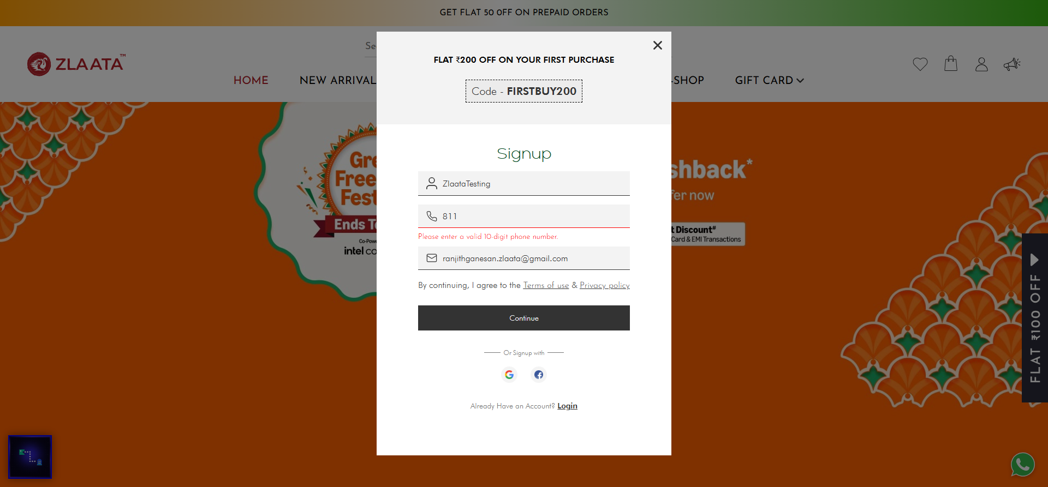
TC_UI_Zlaata_Signup_22 | TC_UI_Zlaata_Signup_22 | User enters already verified mail |"TD_UI_Zlaata_Signup_22" | 18.403 | gowthamraj | Fail | N/A

