Sheet1
Project | SoftMouse.NET
Module | Colony Module
Date | 07-07-2025
Test Case ID | Title | Preconditions | Test Data (if any) | Steps | Expected Result | Status (Pass/Fail)
TC/CM/01 | Add a new strain | There should be valid user credentials | username:roshinisehear password:SoftMouse@07 Strain name: test_strain_1 | 1. Go to https://softmouse.net 2. Login with valid credentials 3. Navigate to Colony module > Strains 4. Click on “New Strain” 5. Enter a strain name (e.g., test_strain_1) 6. Click “Submit” | The new strain should be saved and displayed in the strain list. | Pass
TC/CM/02 | Export the animal list to spreadsheet | 1. There should be valid user credentials 2. Animals list should not be empty | username:roshinisehear password:SoftMouse@07 | 1. Login to SoftMouse.NET 2. Go to Colony module > Animals 3. Click on the Export to Spreadsheet icon | A .csv file will be downloaded with all animal data. | Pass
TC/CM/03 | Edit Animal Information | 1. There should be valid user credentials 2. Animals list should not be empty | username:roshinisehear password:SoftMouse@07 New strain name: test_strain_2 | 1. Login to SoftMouse.NET 2. Go to Colony module > Animals 3. Select an animal from the list 4. Click Edit Animal 5. Change the strain to a different one 6. Click Save + Return to List | The updated strain is reflected in the animal list. | Pass
TC/CM/04 | Download Animal List as PDF | 1. There should be valid user credentials 2. Animals list should not be empty | username:roshinisehear password:SoftMouse@07 New strain name: test_strain_2 | 1. Complete TC03 2. Click the Print to PDF icon in the Animal List view | The updated list is exported as a PDF. | Fail Strain names are misspelled in alternative rows | 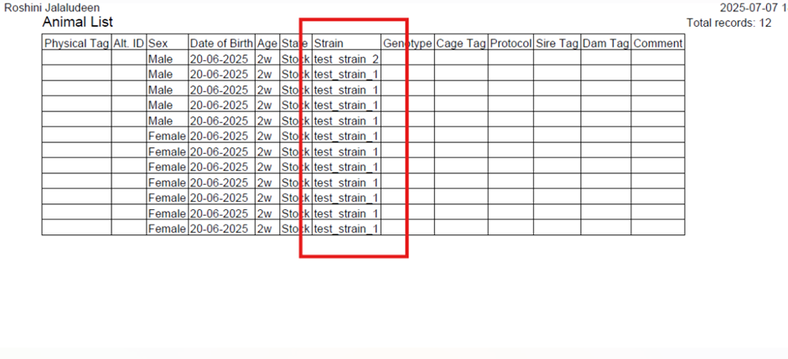
TC/CM/05 | Move Animal to a Cage | 1. There should be valid user credentials 2. Animals list should not be empty | username:roshinisehear password:SoftMouse@07 | 1. Login to SoftMouse.NET 2. Go to Colony module > Animals 3. Select an animal 4. Click Move Animals 5. Select or create a cage 6. Click Create/Update Cages | A new cage is created and the animal is assigned. | Pass
TC/CM/06 | Verify New Cage Appears in Cage List | 1. There should be valid user credentials 2. Animals list should not be empty | username:roshinisehear password:SoftMouse@07 | 1. Complete TC05 2. Go to Colony module > Cages 3. Check the cage list table | A new entry cage will be displayed on the table | Pass
TC/CM/07 | End a Cage and Remove Its Animals | 1. There should be valid user credentials 2. Animals list should not be empty 3. Cage list should not be empty | username:roshiniseehear password:SoftMouse@07 Date: 07-07-2025 | 1. Complete TC05 2. Go to Colony > Cages 3. Select a cage > Click End Cage 4. Enter end date and reason > Submit 5. Go to Animal list and verify animal is removed | The animal from the ended cage is no longer in the animal list. | Pass
TC/CM/08 | Validate Mating Requires Setup Date After Wean Date | 1. There should be valid user credentials 2. Animals list should not be empty 3. Cage list should not be empty 4. There should be at least one male and a female animal | username:roshiniseehear password:SoftMouse@07 Date: 07-07-2025 | 1. Complete TC05 2. Go to Colony > Matings 3. Select a male and female 4. Set a setup date earlier than wean date 5. Select a litter strain 6. Click Create Mating | A validation popup appears, preventing invalid mating creation. | Pass
TC/CM/09 | Email Notification Upon Mating Creation | 1. There should be valid user credentials 2. The user's gmail account should be active | username:roshiniseehear password:SoftMouse@07 | 1. Go to Colony > Matings 2. Set valid mating data (setup date after wean date, valid parents) 3. Select a user who should be notified 4. Click Create Mating 5. Check the user’s email inbox | An email will be received at the user's inbox | Pass
TC/CM/10 | View Archived Generation | 1. There should be valid user credentials 2. The mating list should not be empty | username:roshiniseehear password:SoftMouse@07 | 1. Go to Colony > Matings 2. Select a mating > Click New Litter 3. Under “Generation,” click an existing record 4. Click Archive 5. Click Show Archive and verify the record appears | Archived generation appears in the archive list. | Pass

