Sheet1
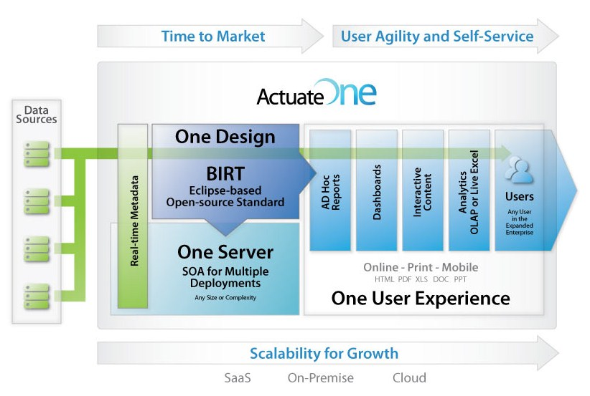
The base URL for all the API endpoints |  | https://ccm.com/raas/ |  |  | {Base64url encoded payload}
 |  | Register a client?? |  | User profile
 |  | Register an endpoint
 |  |  | Endpoint |  | Response Code | Request Body Required? | Returns Response Body?
 | Admin | GET | v1/healthcheck | Checks if the Engine service is healthy | 200; engine is healthy and ready to serve requests. 300; engine is alive but too busy to serve new requests. Other response code means that Engine is not healthy.
 | Admin | GET | v1/sessions
 | Admin | GET | v1/healthmetrics

Render
 |  | POST | v1/reports | <Async>false</Async>
 |  | GET | v1/reports/GUID | <Async>true</Async>
 |  | GET | v1/reports/GUID/status |  | 200 (OK) – the output is ready 202 (Accepted) – the output generation is still in progress 404 (Not found) – the requested output does not exist 500 (Internal server error) – an error occurred during output generation
 | Admin | DELETE | v1/reports/GUID
 |  |  | /templates

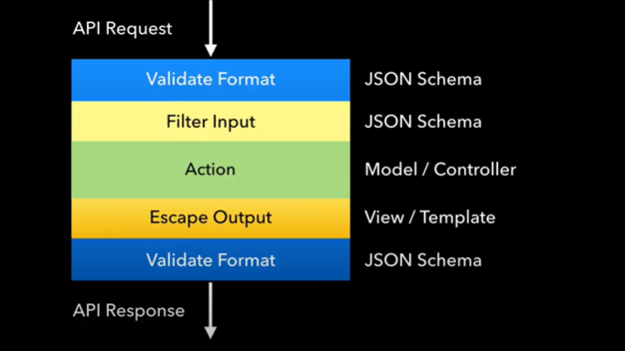
Developer

 | JSON Schema For API Validation
 | Swagger: How to Create an API Documentation

