Dodgeville
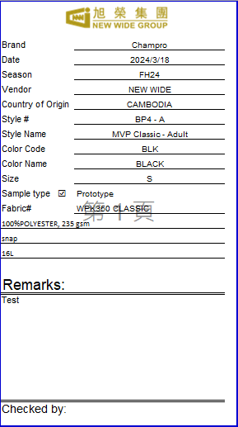
A | B | C | D | E | F | G | H | I | J | K | L | M | N | O | P | 列印張數
Brand | Date | Season | Vendor NEW WIDE不變 | Country of Origin | Style # | Description / Fabrication =style name | Color Code | Color | Size | Sample type | Fabric# | Description 1 | Description 2 | Description 3 | Remarks | Total Samples
Champro | 2023-12-12 | FH24 | NEW WIDE | CAMBODIA | BP4 - A | MVP Classic - Adult | BLK | BLACK | M | Proto | WPK350 CLASSIC | 100%POLYESTER, 235 gsm | Snap | 16L | Test | 1
Champro | 2023-12-12 | FH24 | NEW WIDE | CAMBODIA | BP4 - Y | MVP Classic - Youth | GRY | GREY | L | PPS | WPK350 CLASSIC | 100%POLYESTER, 235 gsm | Snap | 16L | Test | 1
Champro | 2023-12-12 | FH24 | NEW WIDE | CAMBODIA | BP91U - A | MVP Classic - Adult | WHI | WHITE | M | Proto | WPK350 CLASSIC | 100%POLYESTER, 235 gsm | Snap | 16L | Test | 1
Champro | 2023-12-12 | FH24 | NEW WIDE | CAMBODIA | BP91U - Y | MVP Classic - Adult | Triple Crown |  | S | PPS | WPK350 CLASSIC | 100%POLYESTER, 235 gsm | Snap | 16L | Test | 2

範例
ABCDEFGHIJKLMNO P
Brand | Champro
Date | 2024-03-18
Season | FH24
Vendor | NEW WIDE
Country of Origin | CAMBODIA
Style # | BP4 - A
Style Name | MVP Classic - Adult
Color Code | BLK
Color Name | BLACK
Size | S
Sample type ☑ | Prototype
Fabric# | WPK350 CLASSIC
100%POLYESTER, 235 gsm
snap
16L

Remarks:
Test

Checked by:

