Yahoo Tags
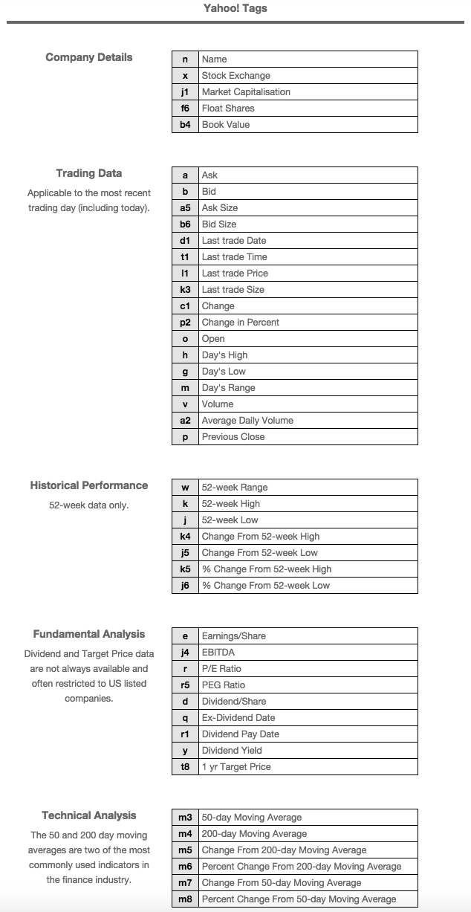

avgVol | a2
open | o
day high | h
day low | g
close | l1
closeVol | k3
change | c1
chang in % | p2
vol | v
previous close | p2

