font and color schema
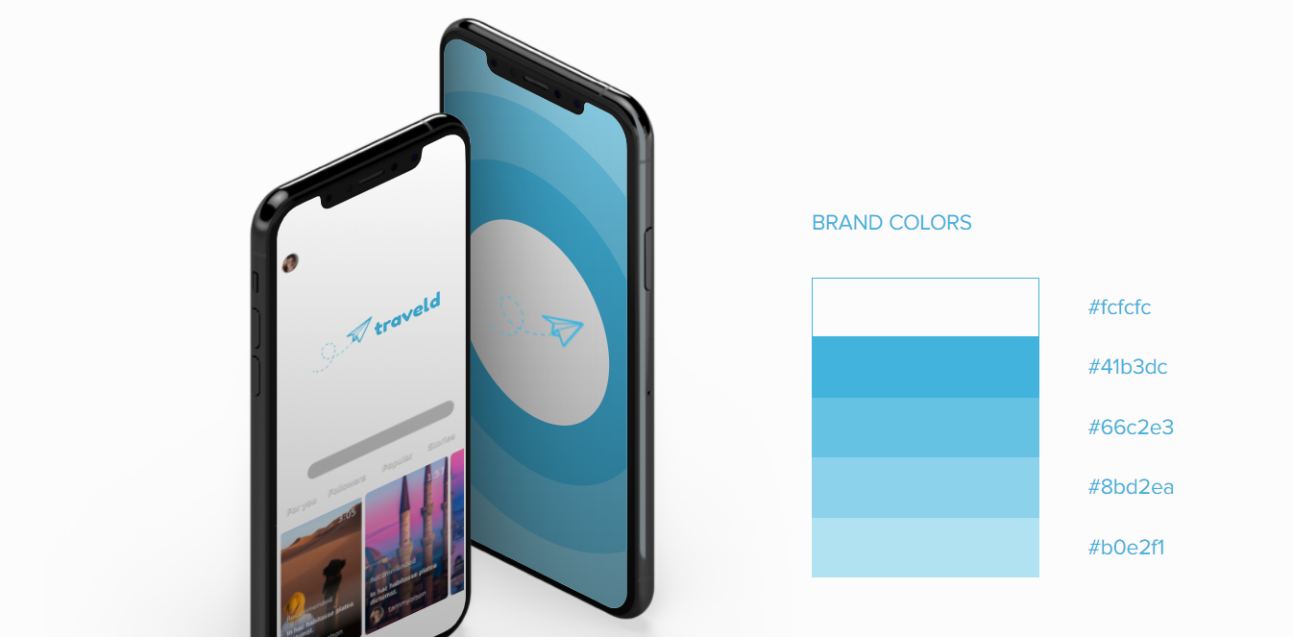

FONTS
Header | Fredoka One
Body | Lato
https://fonts.google.com/specimen/Fredoka+One?query=fredoka+one&sidebar.open=true&selection.family=Fredoka+One|Lato

COLOR SCHEMA

