Instructions
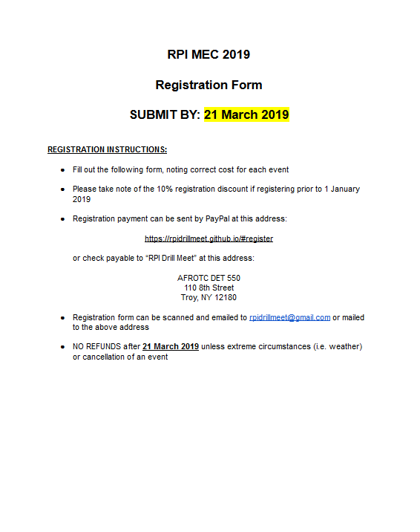
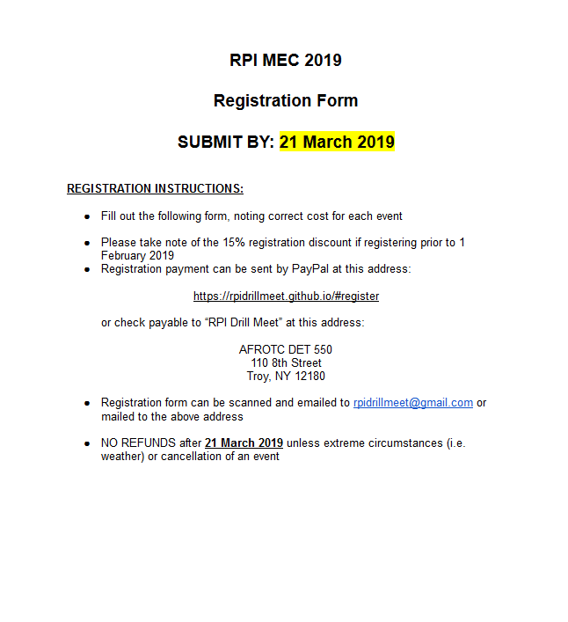

Registration
Name of School:
Name of Drill Team(s) (e.g. RPI AFROTC Squad Basic A):
Representative Service: | ⃞ Army | ⃞ Navy | ⃞ Air Force | ⃞ Coast Guard
Name of Contact: |  | Phone: | Email:
Estimated Participants for Events: |  | Drill Team(s):
Billeting Options
On Campus RPI Armory (Free) ⃞ |  | Own Arrangements (Not funded by RPI) ⃞

Drill Events |  | Cost | Number of Teams | Drill Cost

Sweepstakes *
Unarmed |  | $60 |  | $0
Armed |  | $60 |  | $0
Unarmed Competition
Flight Inspection |  | $10 |  | $0
Flight Standard Drill |  | $45 |  | $0
Flight Innovative Drill |  | $30 |  | $0
Armed Competition
Platoon Basic |  | $50 |  | $0
Squad Basic |  | $40 |  | $0
Armed Exhibition |  | $20 |  | $0
Two-Man Trick |  | $20 |  | $0
Color Guard
Color Guard |  | $40 |  | $0
Athletics
Basketball Tournament |  | $40 |  | $0
Endurance Challenge (Team of 2) |  | $25 |  | $0
Track Relay 4 x 100 (Team of 4) |  | $25 |  | $0
Track Relay 4 x 400 (Team of 4) |  | $25 |  | $0
5K (Per Individual) |  | $15 |  | $0
Swimming Relay 4 x 100 (Team of 4) |  | $25 |  | $0
Swimming Relay 4 x 100 IM (Team of 4) |  | $25 |  | $0
Swimming T-Shirt Relay |  | $25 |  | $0
Air Rifle (Per Individual) |  | $25 |  | $0
Facilities Fee |  | $10 |  | $10

 |  | Drill Subtotal |  | $10.00
 |  | T-Shirt Subtotal |  | $-
 |  | ✝Registration Discount (15%) |  | N/A
 |  | Total |  | $10.00
*Unarmed sweepstakes includes Flight Inspection, Standard, and Innovative
*Armed sweepstakes includes Squad/Platoon Inspection and Basic
✝Registration discount is applied ONLY if registration is received prior to 1 Feburary 2019

T-Shirt Pre-Order | $13 online
 | $15 Day of
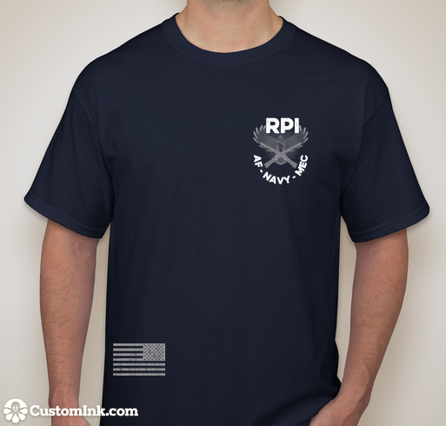
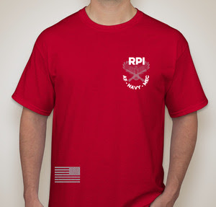
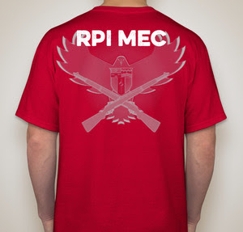
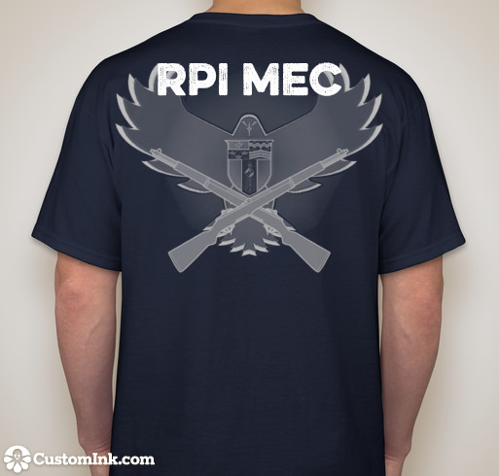
Size | Quantity
Small
Medium
Large
X-Large
Total # Shirts
Subtotal | $-

