Instructions
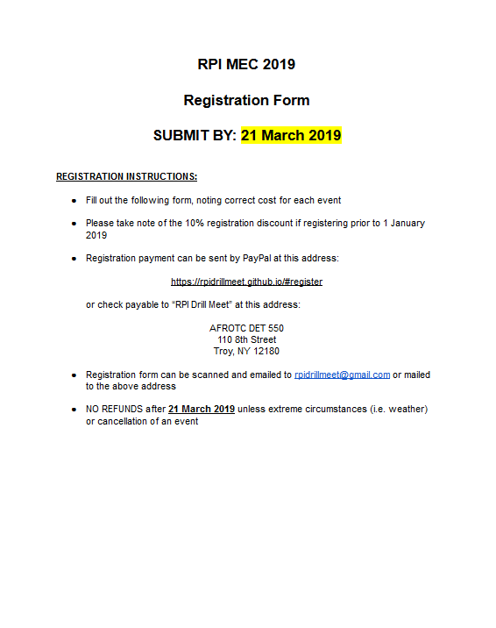
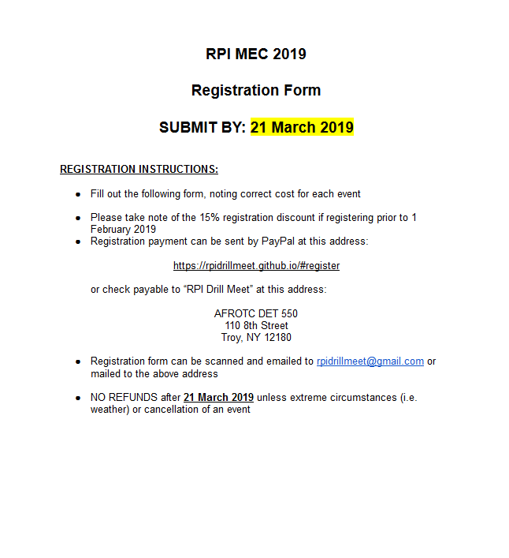

Registration
Name of School:
Name of Drill Team(s) (e.g. RPI AFROTC Squad Basic A):
Representative Service: | ⃞ Army | ⃞ Navy | ⃞ Air Force | ⃞ Coast Guard
Name of Contact: |  | Phone: | Email:
Estimated Participants for Events: |  | Drill Team(s):
Billeting Options
On Campus RPI Armory (Free) ⃞ |  | Own Arrangements (Not funded by RPI) ⃞

Drill Events |  | Cost | Number of Teams | Drill Cost

Unarmed Competition
Flight Inspection |  | $10 |  | $0
Flight Standard Drill |  | $45 |  | $0
Armed Competition
Squad Basic |  | $40 |  | $0
Two-Man Trick |  | $20 |  | $0
Color Guard
Color Guard |  | $45 |  | $0
Misc Drill
Drill Down (Per individual) - $5 day of |  | $3 |  | $0
Tanks' - $10 day of |  | $7 |  | $0
Athletics
Basketball Tournament |  | $40 |  | $0
Endurance Challenge (Team of 2) |  | $25 |  | $0
5K Ruck (Per Individual) |  | $15 |  | $0
Track Relay 4 x 100 (Team of 4) |  | $25 |  | $0
Swimming Relay 4 x 100 (Team of 4) |  | $25 |  | $0
Air Rifle (Per Individual) |  | $25 |  | $0
Facilities Fee |  | $10 |  | $10

 |  | Drill Subtotal |  | $10.00
 |  | T-Shirt Subtotal |  | $-
 |  | ✝Registration Discount (20%) |  | N/A
 |  | Total |  | $10.00
✝Registration discount is applied ONLY if registration is received prior to 28 Feburary 2020

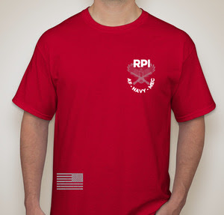
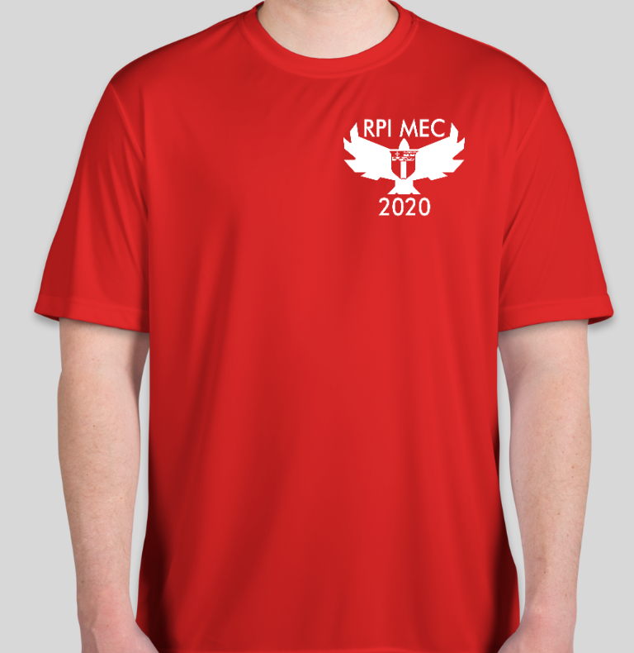
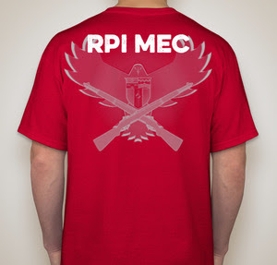
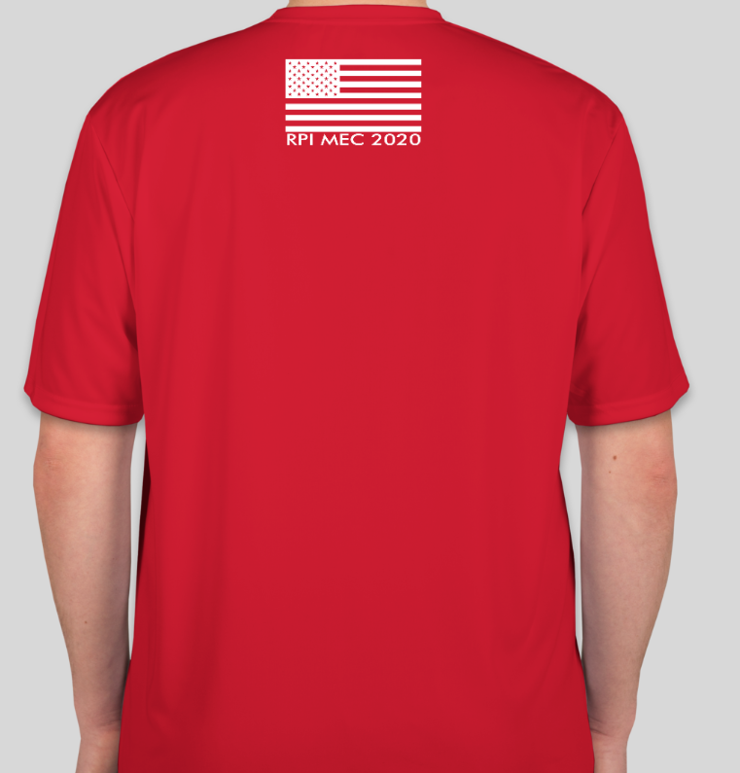
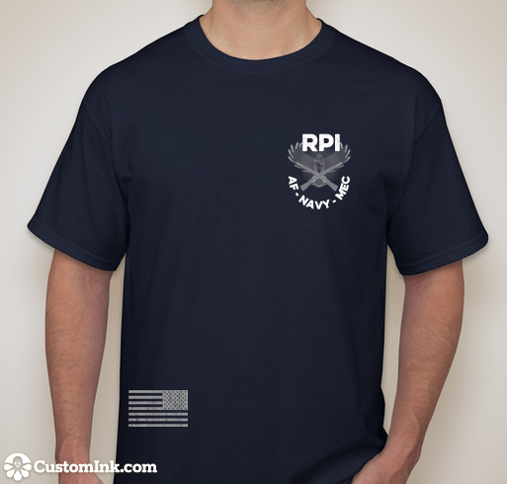
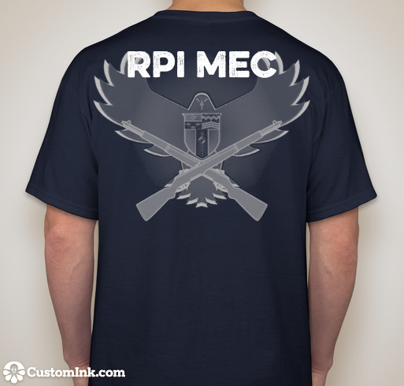
T-Shirt Pre-Order | $13 Online
 | $15 Day of

Size | Quantity
Small
Medium
Large
X-Large
Total # Shirts
Subtotal | $-

