NOTICE
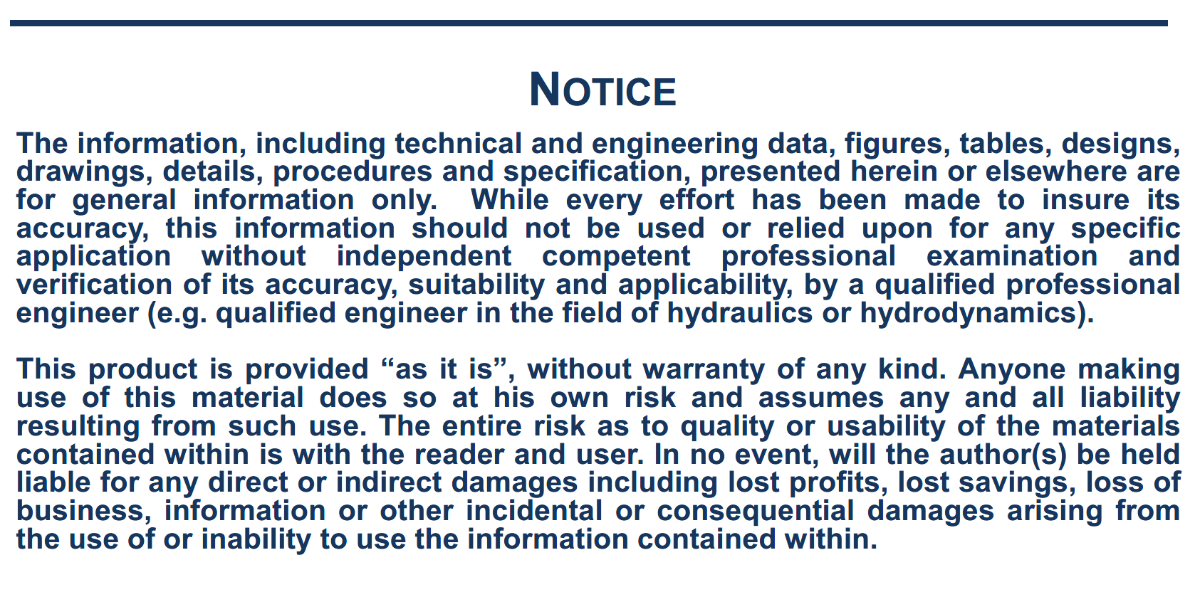

Dynamic_Heel
 | Heel angle due to wind forces
 |  | 3200 | m2
 |  | 920 | m2 |  | 173171 | m3
 |  | 260 | m | Cb= | 0.82
 |  | 48 | m
 |  | 17 | m

 |  | 0.047337 |  | 0.5 |  | 5.42 |  | 3.48

 |  | 0.81766

 |  | -0.00581

 |  | -0.10599

Wind Characteristics: |  | 90.0 | deg.

 |  | 21.0 | m/s

 |  |  | 0.924

Wind lateral force: |  |  |  | 814.7 | kN

 |  |  | 12.3 |  |  |  | 23.2 |  |  | 14.7

 |  |  |  |  |  | 11937.9 | kNm

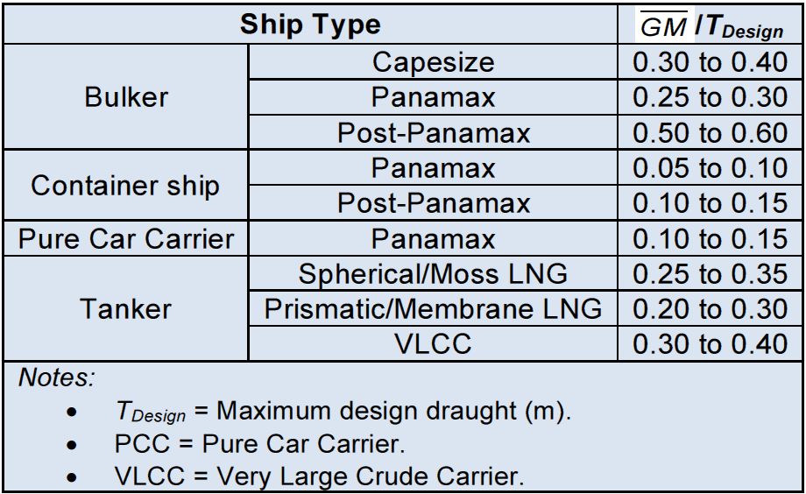

 |  |  | C1is in the range of 0.5 to 2 depending on ship condition. C1=1 is a good mean value.

 |  |  | with |  |  | (Another estimation of GM is also possible according to this table)

 |  |  | 1.92 | m

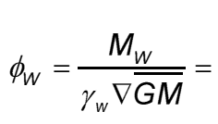

 |  |  |  | 0.205 | deg.

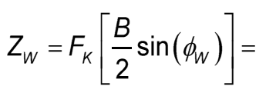

 |  |  |  |  |  | 0.077 | m

 | Heel angle due to turning

 |  |  | 0 | deg.

 |  |  | 11 | knots

 |  |  |  |  |  | 9.14 | m

 |  |  |  |  |  |  |  | 8.14 | m

 |  |  |  |  | 15.36 | m

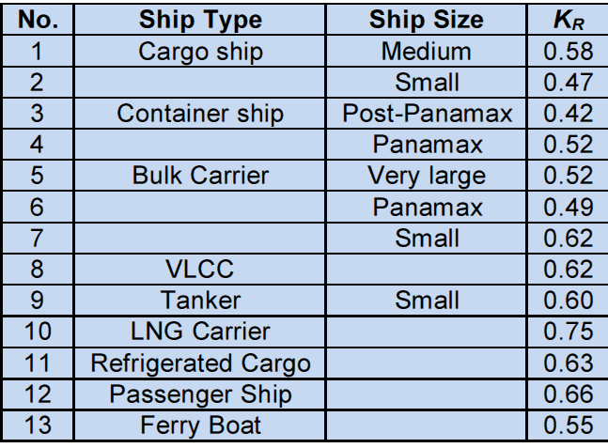
 |  |  |  | 0.62

 |  |  |  | 0.0 | m

 |  |  |  | 6.9 | m

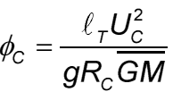

 |  |  |  |  |  | 0.000 | deg.

 |  |  |  |  |  | 0.0 | deg.

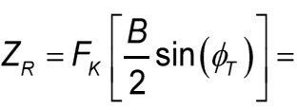

 |  |  |  |  |  |  | 0.000 | m

Squat results
Maximum squat (m)
Ship speed over water (knots) | Unrestricted channel | Restricted channel | Canal | Max squat (m) | Max squat for the ship speed (m)

2 | 0.00 | 0.00 | 0.09 | 0.09 | Min | 10.00
4 | 0.00 | 0.00 | 0.29 | 0.29 | Index | 5.00
6 | 0.00 | 0.00 | 0.59 | 0.59 | Min | 10 | 1.44
8 | 0.00 | 0.00 | 0.97 | 0.97 | Max | 12 | 2.04
10 | 0.00 | 0.00 | 1.44 | 1.44 | Max Ship | 1.74
12 | 0.00 | 0.00 | 2.04 | 2.04
14 | 0.00 | 0.00 | 3.50 | 3.50
16 | 0.00 | 0.00 | 6.58 | 6.58
18 | 0.00 | 0.00 | 6.58 | 6.58

Maximum squat (m)

Speed limit Vcr |  | Ship speed over water (knots)

15.80 | 0 | 11.00 | 0
15.80 | 6.58 | 11.00 | 6.58

