NOTICE
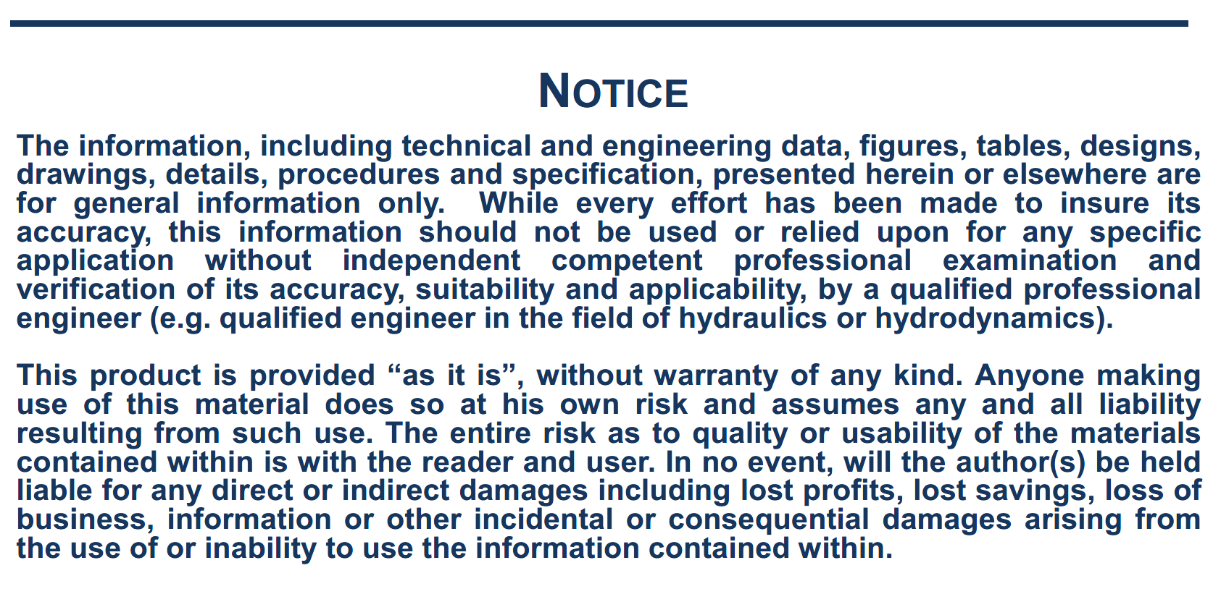

General
This estimation is based on the following publication:
a) PIANC, 2014, " Harbour approach channels design guidelines", Report n°121, Maritime Navigation Commission

 | Estimation of GM and KG for loaded ships

 | Initial data
 | Type of ship: | Tanker
 | Lpp (m) | 260
 | Breadth (m) B: | 48
 | Full load draft (m): | 17
 | Displacement (m3): | 173171
 | CB: | 0.82

 | Estimation of GM

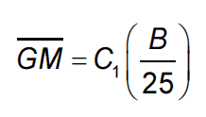
 |  |  | C1is in the range of 0.5 to 2 depending on ship condition. C1=1 is a good mean value.

 |  |  | with | C1= | 1.0

 |  |  |  |  | 1.92

 | Other estimation of GM according to this table:
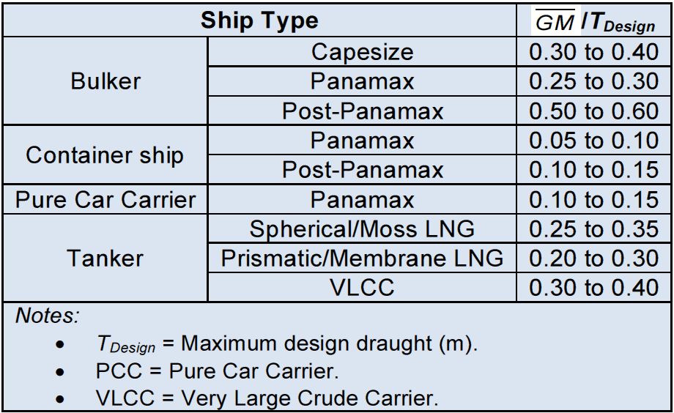

 |  |  |  |  | 5.1 | m

 | Estimation of KG

 |  |  |  | 9.14 | m

 |  |  |  |  |  | 8.14 | m

 |  |  | 15.36 | m
 |  |  | or
 |  |  | 12.18 | m

