NOTICE
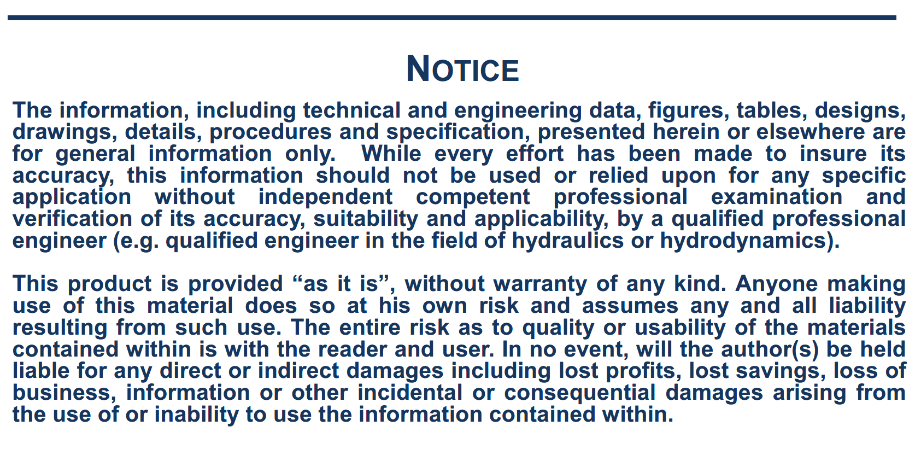

General
This estimation is based on the following publication:
a) PIANC, 2014, " Harbour approach channels design guidelines", Report n°121, Maritime Navigation Commission

 | Estimation of GM and KG for loaded ships

 | Initial data
 | Type of ship: | Container ship
 | Lpp (m) | 383
 | Breadth (m) B: | 58.6
 | Full load draft (m): | 16
 | Displacement (m3): | 251014
 | CB: | 0.70

 | Estimation of GM

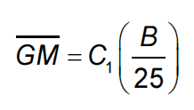
 |  |  | C1is in the range of 0.5 to 2 depending on ship condition. C1=1 is a good mean value.

 |  |  | with | C1= | 1.0

 |  |  |  |  | 2.34

 | Other estimation of GM according to this table:
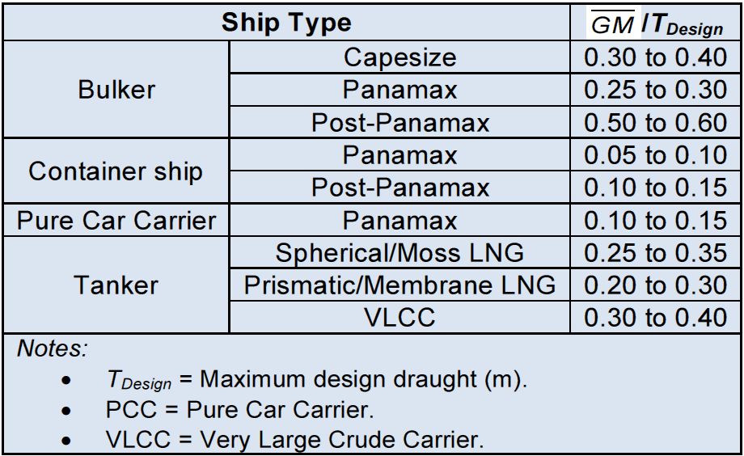

 |  |  |  |  | 2.32 | m

 | Estimation of KG

 |  |  |  | 8.76 | m

 |  |  |  |  |  | 15.05 | m

 |  |  | 21.46 | m
 |  |  | or
 |  |  | 21.49 | m

Natural roll period_Inertia
See: Grin R., "On empirical method to predict the rolling period of ships", Proceedings of 15th International Marine Design Conference, IMDC, June 2024

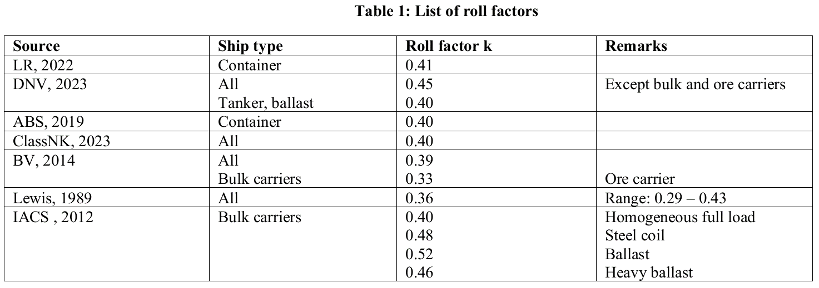
 |  |  | Natural roll period Tf :
 | Initial data
 | Type of ship: | Tanker
 | Breadth (m) B: | 58.6 |  |  | JSRA | Roll period |  | ,also given in:
 | Depth D (m): | 30.6 |  |  |  | Parameter k: | 0.39
 | Full load draft T (m): | 16 |  |  |  | Natural roll period (s): | 29.91
 | Effective depth H (m) (*) | 50.4
 | KM (m): | 23.81
 | KG (m): | 21.48
$$c=2∗π/\sqrt{12∗g}$$
 | GMt (m): | 2.33 |  |  | Doyère | Roll period
 | (*) H is the effective depth = lateral wind area divided by Lpp |  |  |  |  | Coefficient c: | 0.64 | or: c = 2*(0.26 to 0.32)
 |  |  |  |  |  | Natural roll period (s): | 30.45

 |  |  |  | H
 |  |  |  |  |  | Roll period
 |  |  |  |  | ITTC, 2017 | kxx (m): | 21.95
 |  |  |  |  |  | axx (m): | 10.73
 |  |  |  |  |  | Natural roll period (s): | 32.10

 |  |  |  |  |  | Roll period
 |  |  |  |  |  | cfluid: | 1.00
 |  |  |  |  | Grin, 2016 | b: | 14.70
 |  |  |  |  |  | kxx (m): | 20.49
 |  |  |  |  |  | axx (m): | 10.73
 |  |  |  |  |  | Natural roll period (s): | 30.39

 |  |  |  |  |  | Inertia
 |  |  |  |  | Radii of gyration | Roll kxx (m): | 20.51
 |  |  |  |  |  | Pitch kyy (m): | 95.75
 |  |  |  |  |  | yaw kzz (m): | 95.75

