NOTICE
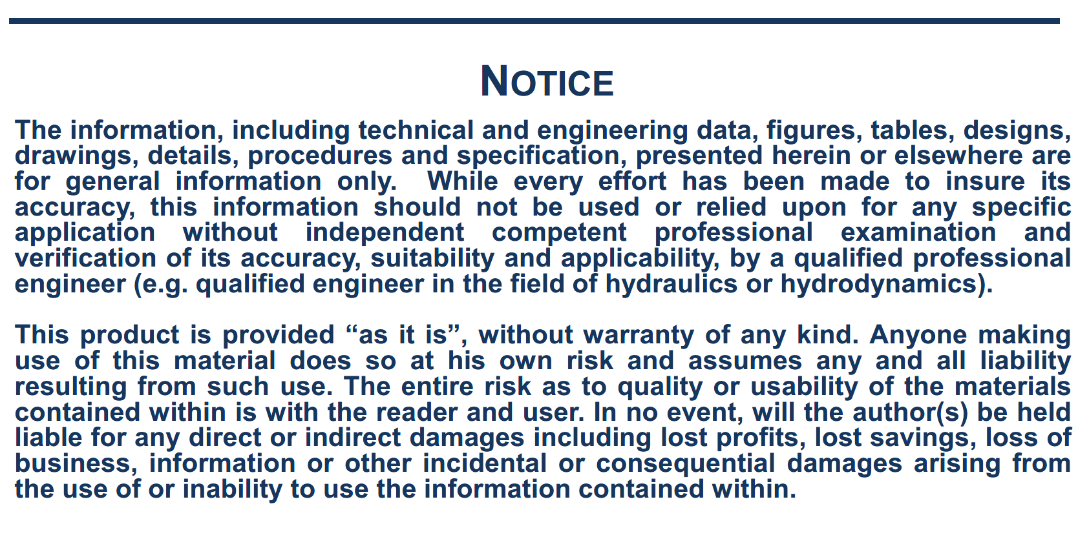

NOTE
Note on the current forces calculation:
The following formulas are used, relative to coordinate system R2: with:
Surge wind force: Cf = Cx , Cy: Current coefficients in surge or sway vs. relative direction
Cm = Current coefficients in yaw vs. relative direction
Sway wind force: U, current speed (m/s)
Ac: Current area (m2) = Lpp x T
Yaw wind moment: Lpp: ship length (m)
T: ship draft (m) ρ: water density (kg/m3)

Type of Bow
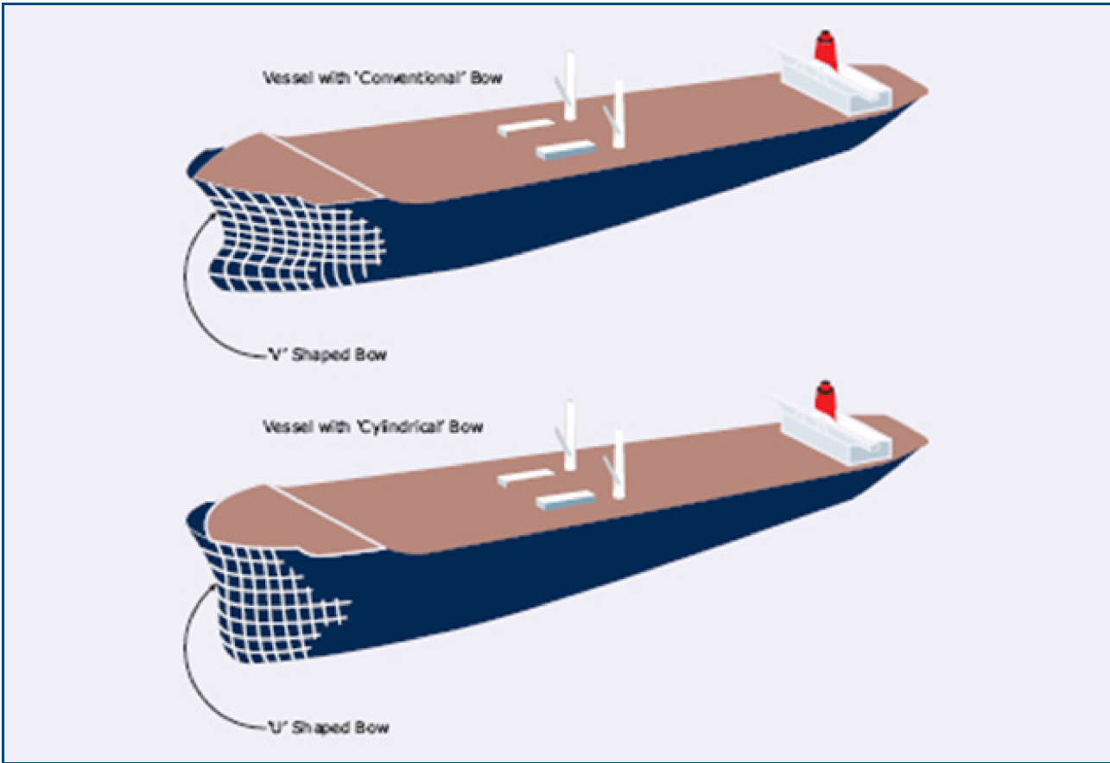

Taken from:
OCIMF – Prediction of Wind and Current Loads on VLCCs – Second Edition – 1994'

