NOTICE
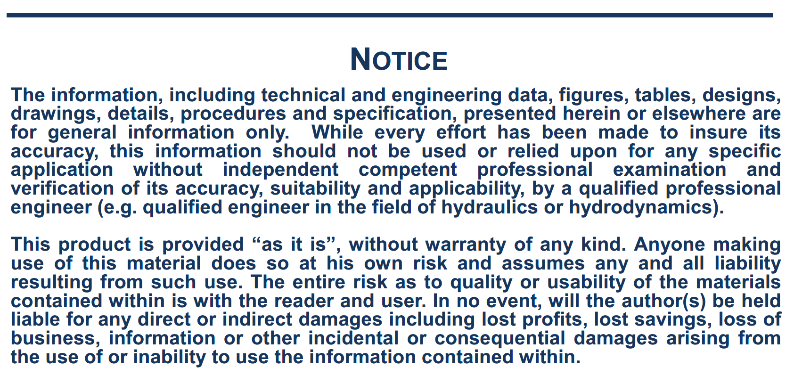

NOTE
SPREAD SHEET TO ESTIMATE SHIP STRUCTURAL PARAMETERS AND WIND LOAD COEFFICIENTS
This estimation is based on the following publications:
a) Kitamura F. and all, 2017, " Estimation of above water structural parameters and wind loads on ships", Ships and Offshore Structures, https://doi.org/10.1080/17445302.2017.1316556
b) Fujiwara T. and all, 2005, "A new estimation method of wind forces and moments acting on ships on the basis of physical component models", J. Japan Soc. Naval Architects Ocean Eng., 2:243-255
c) Fujiwara T. and all, 2006, "Cruising performance of a large passenger ship in heavy sea", Proceedings of the International Offshore and Polar Engineering Conference, ISOPE, San Francisco, CA, 304-311

NOTES:
- The publication a) proposes regression formulae to estimate ship structural parameters needed to calculate wind load coefficients according to Fujiwara's second method. These regression formulae need the following inputs: ship type and loading condition, ship length LOA, ship breadth.

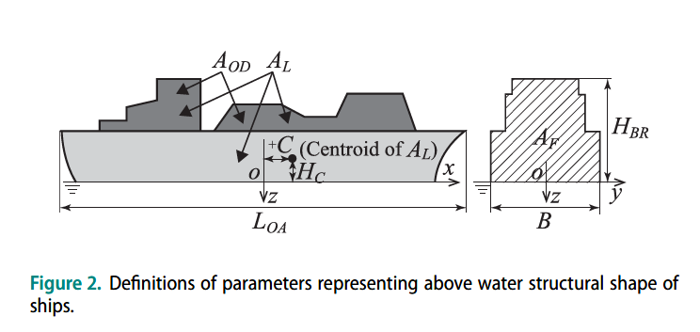 - The eight structural parameters to estimate wind load coefficients are for each type of ship and loading condition: LOA: length overall (m) - input parameter B: breadth (m) - input parameter AL: total lateral projected area (m2) AF: longitudinal projected area (m2) AOD: lateral projected area above upper deck (m2) C: distance from midship to AL centroid (m) positive fore HC: height of AL centroid above the water level (m) HBR: bridge top height above the water level (m)

- The regression analysis was based on 76 wind tunnel test data obtained from different publications:
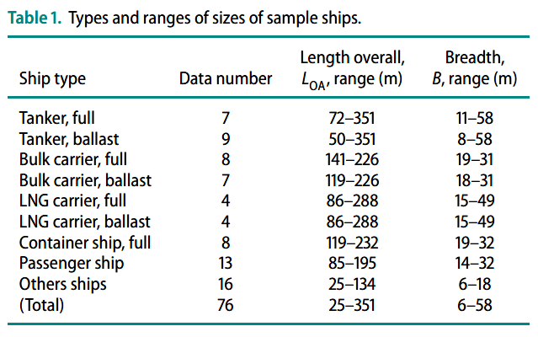

- The passenger ship includes pure car carrier (PCC). 'Others' include research ships, fishing vessels, tug boats and training ships.
- Regression formulae were also applied to ships other than those used to establish the formulae, especially to a large tanker and mega container ship.

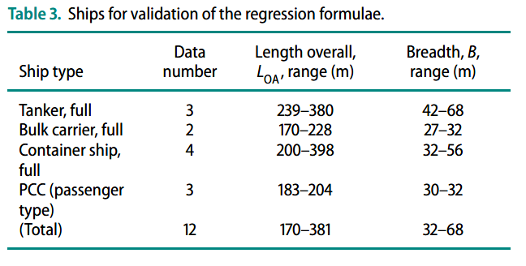

Note on the wind forces calculation:
The following formulas are used, relative to coordinate system R2: with:
Surge wind force: Cx, Cy, Cn, Ck: Wind coefficients vs. relative direction
V, wind speed (m/s)
Sway wind force: At, Al: Side wind and front wind areas (m2)
Lpp: ship length (m)
Yaw wind moment: H: Height of side wind area centre of gravity above ship COG $ρ_{a}$: air density (kg/m3)
Roll wind moment:

According to the coordinate system used in SIMBAD, the signs of the CX, CN and CK coefficients have been changed in the spreadsheet. As the origin of the coordinate system for the wind load coefficients is at the intersection of midship section, midship plane and waterline plane, a correction is to be applied to the roll wind moment by changing the H value (equal to AT/LOA) of + or - the distance of the COG to the waterline plane. A correction could be applied to the yaw wind moment if there is a large distance between the midship section and the COG (in general not significant).

Wind_Coef.
 |  | i | j:0 | 1 | 2 | 3 | 4
 | a |  | 0.404 | 0.368 | 0.902
 | b | 1 | -0.922 | 0.507 | 1.162
 |  | 2 | 0.018 | -5.091 | 10.367 | -3.011 | -0.341
 | c | 1 | 0.116 | 3.345
 |  | 2 | 0.446 | 2.192
 | d | 1 | 0.458 | 3.245 | -2.313
 |  | 2 | -1.901 | 12.727 | 24.407 | -40.310 | -5.481
Wind load coefficients
 | e | 1 | -0.585 | -0.906 | 3.239
 |  | 2 | -0.314 | -1.117
!!! Parameters must be changed according to the type of ship and loading condition

 | Ship type: | Container
 | Load: | full
 | LOA (m) | 430.0 |  |  | CcF: | 0.854
 | B(m): | 56.0 |  |  | Ψ | 0°<= .. <=90° | 90°<= .. <=180°
 | AL (m2): | 13655.1 |  |  | CLF | -0.609 | -0.594
 | AF (m2): | 2641.3 |  |  | CYLI | 0.715 | 0.730
 | AOD (m2): | 4396.0 |  |  | CXLI | 0.338 | 0.460
 | C (m): | 9.5 |  |  | CALF | -0.455 | -0.674
 | HC (m): | 17.0
 | HBR (m): | 50.4

 |  |  | Angle (°) | CX | CY | CN | CK
 |  |  | 0 | 0.60889322339 | 0 | 0 | 0
 |  |  | 10 | 0.66990977235 | 0.14796859164 | -0.033805971691 | -0.15483503289
 |  |  | 20 | 0.68050278996 | 0.32844698915 | -0.06649797086 | -0.34368848015
 |  |  | 30 | 0.62928682236 | 0.51511982003 | -0.090896189497 | -0.53902381173
 |  |  | 40 | 0.5222630579 | 0.67825564507 | -0.10204423672 | -0.70972990926
 |  |  | 50 | 0.38275158238 | 0.79385463642 | -0.098791707994 | -0.83069323958
 |  |  | 60 | 0.24275714321 | 0.85337289423 | -0.084006184198 | -0.89297342557
 |  |  | 70 | 0.12922591718 | 0.86743664336 | -0.062832580278 | -0.90768979906
 |  |  | 80 | 0.052002579113 | 0.85983218004 | -0.03992146786 | -0.89973245273
 |  |  | 90 | 1.6590148355E-17 | 0.85406061672 | -0.017443304839 | -0.89369306163
 |  |  | 100 | -0.030458910629 | 0.86050288995 | 0.0048028452851 | -0.90043428675
 |  |  | 110 | -0.097940438193 | 0.86984680409 | 0.027475716953 | -0.91021180262
 |  |  | 120 | -0.21931369307 | 0.85790095414 | 0.049408447727 | -0.89771160883
 |  |  | 130 | -0.38155999637 | 0.80008143311 | 0.066884933701 | -0.83720898905
 |  |  | 140 | -0.54717010114 | 0.68517830888 | 0.075097641669 | -0.71697381735
 |  |  | 150 | -0.67130056095 | 0.52153668079 | 0.070724790974 | -0.54573844512
 |  |  | 160 | -0.72146393428 | 0.33330936411 | 0.053867417964 | -0.34877649226
 |  |  | 170 | -0.69001320464 | 0.15056881643 | 0.028249613082 | -0.15755592039
 |  |  | 180 | -0.59435295351 | 8.945116383E-17 | 1.9108976864E-17 | -9.3602120159E-17

