NOTICE
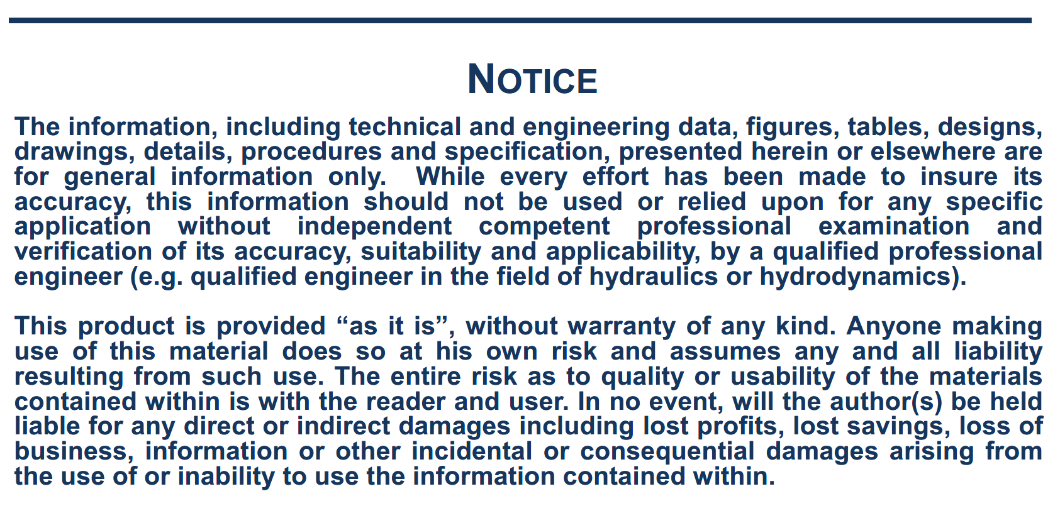

NOTE
Note on the wind forces calculation:
The following formulas are used, relative to coordinate system R2: with:
Surge wind force: Cx, Cy, Cn, Ck: Wind coefficients vs. relative direction
V, wind speed (m/s)
Sway wind force: At, Al: Side wind and front wind areas (m2)
Lpp: ship length (m)
Yaw wind moment: H: Height of side wind area centre of gravity above ship COG $ρ_{a}$: air density (kg/m3)
Roll wind moment:

Cruise Vessel
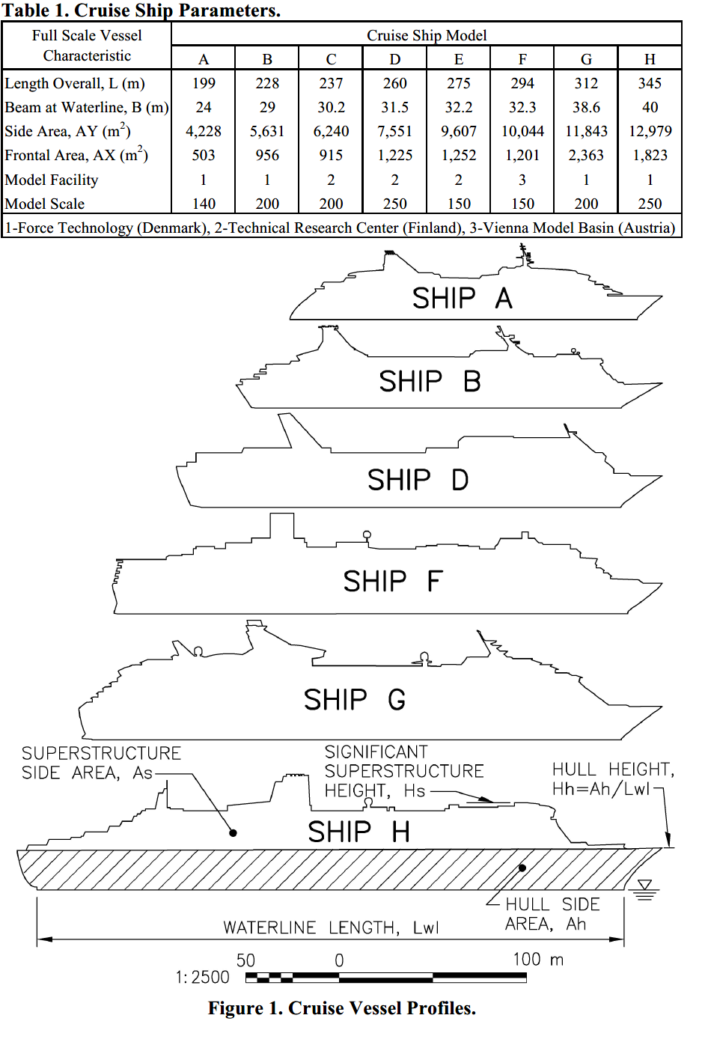
Cruise vessels
Angle | CX | CY | CN
0 | 0.788 | 0 | 0 | Taken from:
10 | 0.859 | 0.17464 | -0.0372 | Cruise Vessel Wind Coefficients for Mooring Analysis - S.D. Rice, W.N. Seelig - ASCE 2010
20 | 0.833 | 0.39648 | -0.0749
30 | 0.657 | 0.66906 | -0.1101
40 | 0.348 | 0.9381 | -0.1315
50 | -0.005 | 1.1269 | -0.1306
60 | -0.212 | 1.18 | -0.1081
70 | -0.328 | 1.18 | -0.0508
80 | -0.328 | 1.18 | -0.0221
90 | -0.199 | 1.18 | 0.0066
100 | -0.061 | 1.18 | 0.0353
110 | 0.009 | 1.18 | 0.0639
120 | 0.098 | 1.18 | 0.0926
130 | 0.037 | 1.1269 | 0.1158
140 | -0.226 | 0.9381 | 0.1192
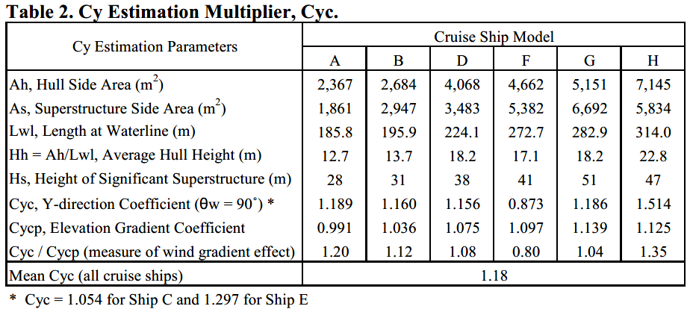
150 | -0.524 | 0.66906 | 0.1013
160 | -0.662 | 0.39648 | 0.0697
170 | -0.71 | 0.17464 | 0.0349
180 | -0.698 | 0 | 0.0000

