NOTICE
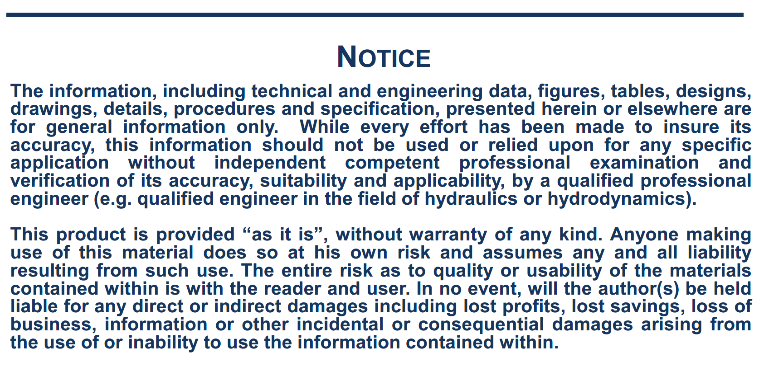

NOTE
Note on the wind forces calculation:
The following formulas are used, relative to coordinate system R2: with:
Surge wind force: Cx, Cy, Cn, Ck: Wind coefficients vs. relative direction
V, wind speed (m/s)
Sway wind force: At, Al: Side wind and front wind areas (m2)
Lpp: ship length (m)
Yaw wind moment: H: Height of side wind area centre of gravity above ship COG $ρ_{a}$: air density (kg/m3)
Roll wind moment:

Tanker Type of Bow
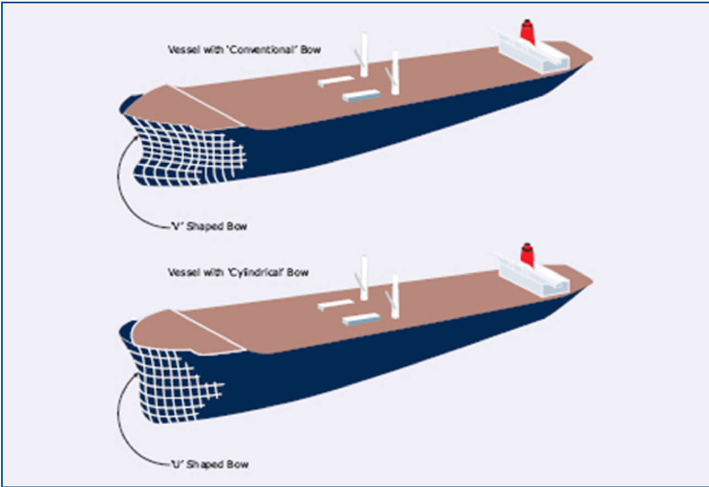

Taken from:
OCIMF – Prediction of Wind and Current Loads on VLCCs – Second Edition – 1994'

