NOTICE
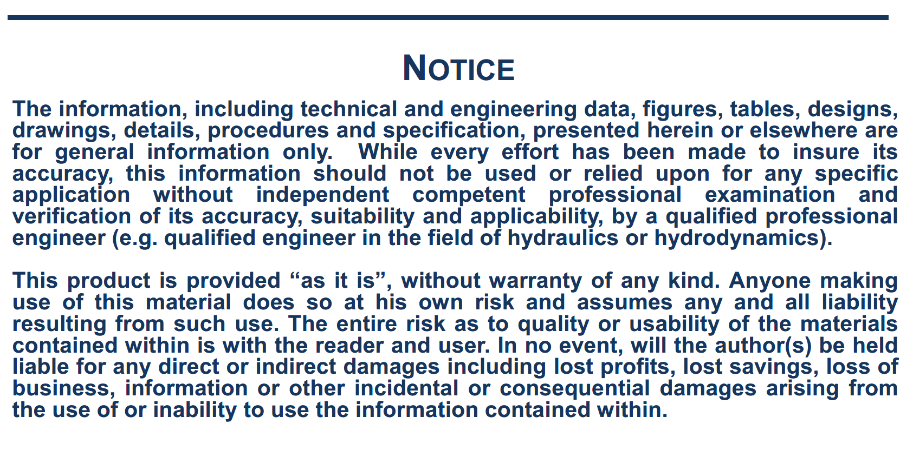

NOTE
Note on the current forces calculation:
The following formulas are used, relative to coordinate system R2: with:
Surge wind force: Cf = Cx , Cy: Current coefficients in surge or sway vs. relative direction
Cm = Current coefficients in yaw vs. relative direction
Sway wind force: U, current speed (m/s)
Ac: Current area (m2) = Lpp x T
Yaw wind moment: Lpp: ship length (m)
T: ship draft (m) ρ: water density (kg/m3)

The signs of the current coefficients have been adapted in the spreadsheet according to the coordinate system used in SIMBAD. As the origin of the coordinate system for the current load coefficients is at the intersection of midship section, midship plane and waterline plane, a correction could be applied to the yaw moment if there is a large distance between the midship section and the COG (in general not significant).

Type of Bow
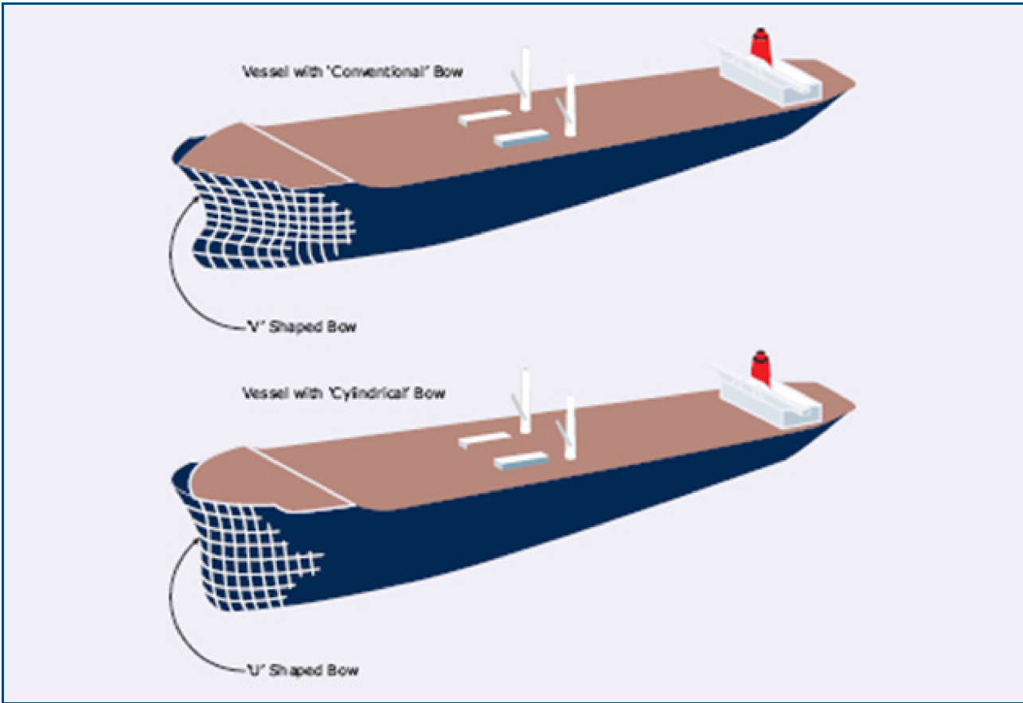

Taken from:
OCIMF – Prediction of Wind and Current Loads on VLCCs – Second Edition – 1994'

