NOTICE
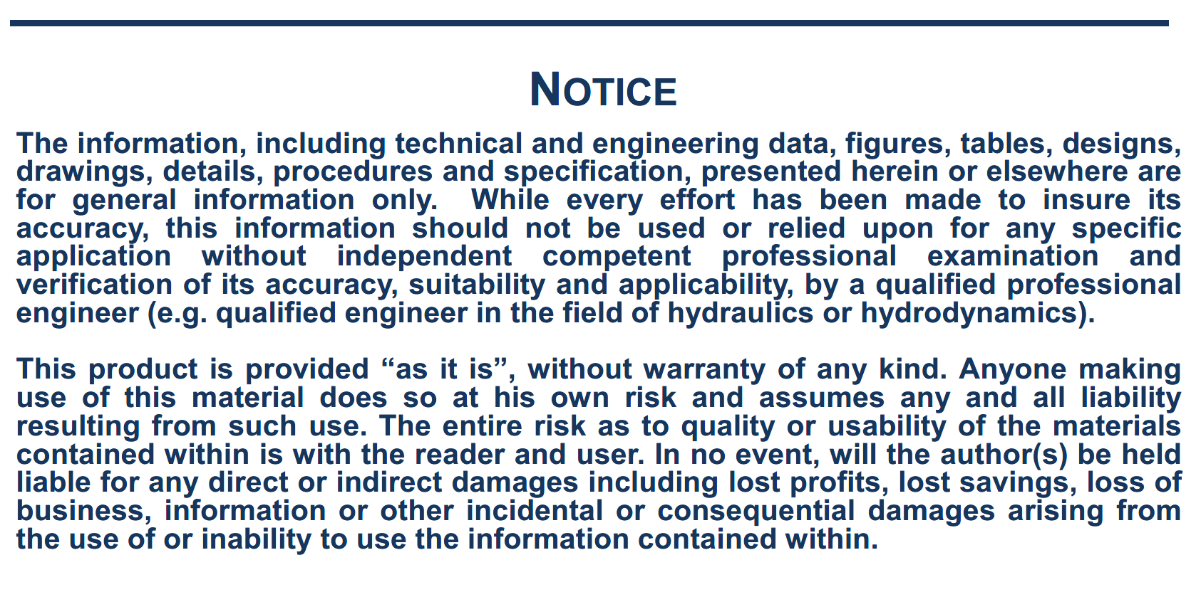

NOTE
Note on the wind forces calculation:
The following formulas are used, relative to coordinate system R2: with:
Surge wind force: Cx, Cy, Cn, Ck: Wind coefficients vs. relative direction
V, wind speed (m/s)
Sway wind force: At, Al: Side wind and front wind areas (m2)
Lpp: ship length (m)
Yaw wind moment: H: Height of side wind area centre of gravity above ship COG $ρ_{a}$: air density (kg/m3)
Roll wind moment:

The signs of the CX, CY, CN and CK coefficients have been adapted in the spreadsheet according to the coordinate system used in SIMBAD. As the origin of the coordinate system for the wind load coefficients is at the intersection of midship section, midship plane and waterline plane, a correction is to be applied to the roll wind moment by changing the H value (equal to AT/LOA) of + or - the distance of the COG to the waterline plane. A correction could be applied also to the yaw wind moment if there is a large distance between the midship section and the COG (in general not significant).

Cruise Vessel
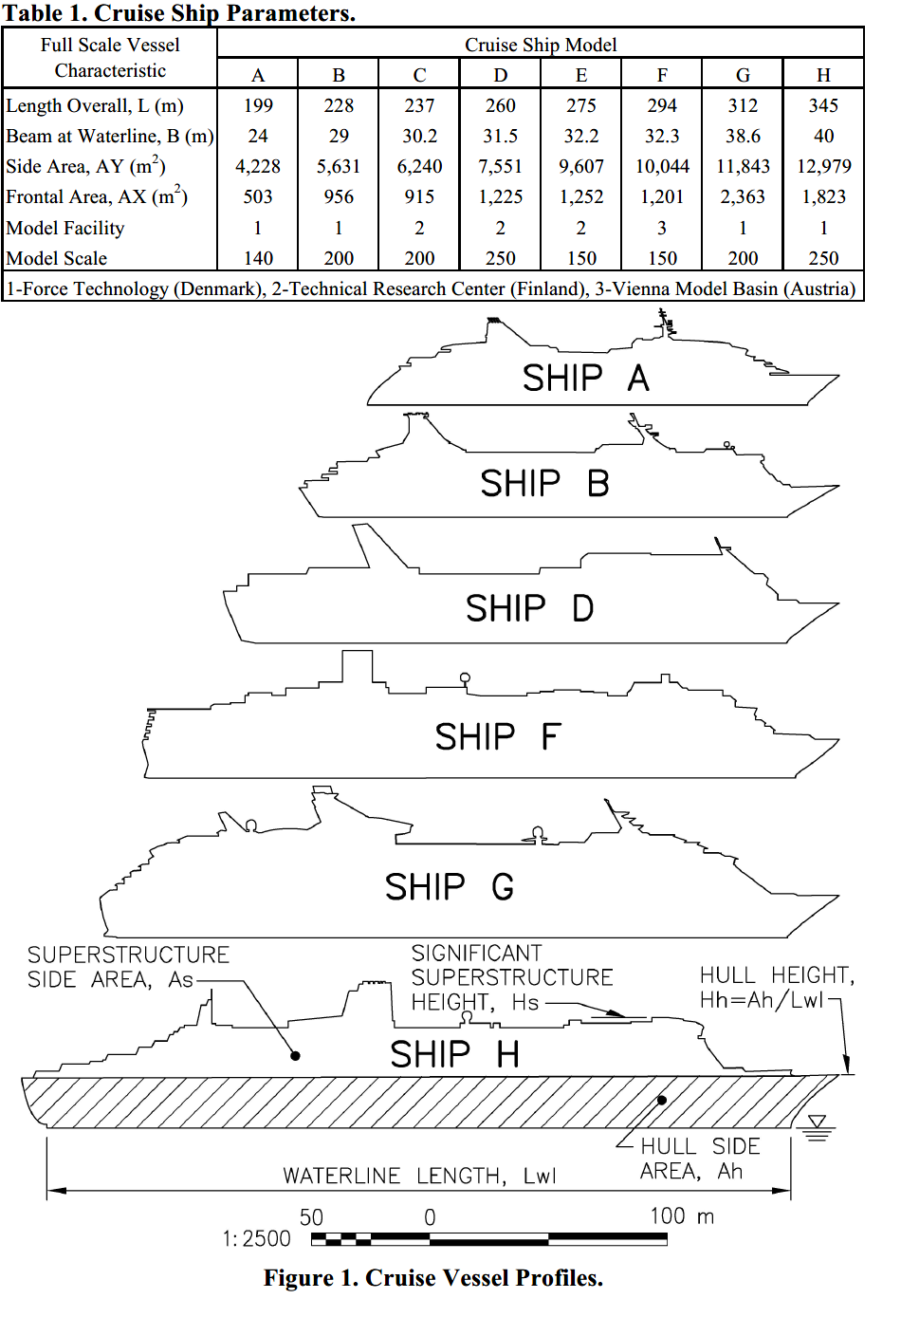
Cruise vessels
Angle | CX | CY | CN
0 | 0.788 | 0 | 0 | Taken from:
10 | 0.859 | 0.17464 | -0.0372 | Cruise Vessel Wind Coefficients for Mooring Analysis - S.D. Rice, W.N. Seelig - ASCE 2010
20 | 0.833 | 0.39648 | -0.0749
30 | 0.657 | 0.66906 | -0.1101
40 | 0.348 | 0.9381 | -0.1315
50 | -0.005 | 1.1269 | -0.1306
60 | -0.212 | 1.18 | -0.1081
70 | -0.328 | 1.18 | -0.0508
80 | -0.328 | 1.18 | -0.0221
90 | -0.199 | 1.18 | 0.0066
100 | -0.061 | 1.18 | 0.0353
110 | 0.009 | 1.18 | 0.0639
120 | 0.098 | 1.18 | 0.0926
130 | 0.037 | 1.1269 | 0.1158
140 | -0.226 | 0.9381 | 0.1192
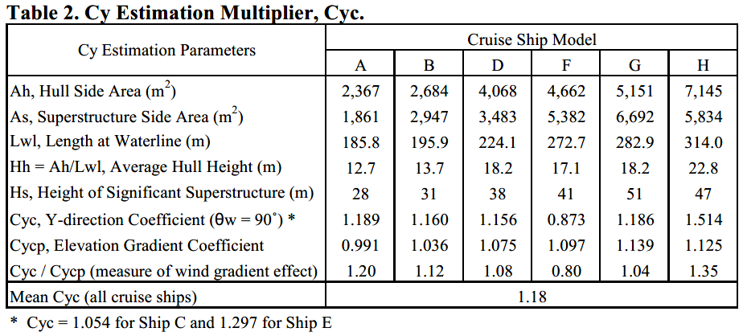
150 | -0.524 | 0.66906 | 0.1013
160 | -0.662 | 0.39648 | 0.0697
170 | -0.71 | 0.17464 | 0.0349
180 | -0.698 | 0 | 0.0000

