NOTICE
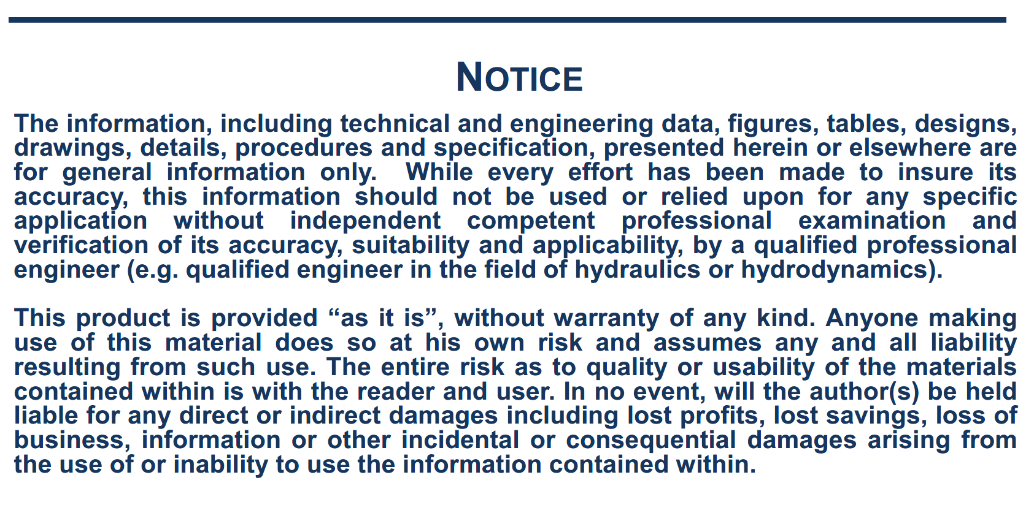

NOTE
Note on the wind forces calculation:
The following formulas are used, relative to coordinate system R2: with:
Surge wind force: Cx, Cy, Cn, Ck: Wind coefficients vs. relative direction
V, wind speed (m/s)
Sway wind force: At, Al: Side wind and front wind areas (m2)
Lpp: ship length (m)
Yaw wind moment: H: Height of side wind area centre of gravity above ship COG $ρ_{a}$: air density (kg/m3)
Roll wind moment:

The signs of the CX, CY, CN and CK coefficients have been adapted in the spreadsheet according to the coordinate system used in SIMBAD. As the origin of the coordinate system for the wind load coefficients is at the intersection of midship section, midship plane and waterline plane, a correction is to be applied to the roll wind moment by changing the H value (equal to AT/LOA) of + or - the distance of the COG to the waterline plane. A correction could be applied also to the yaw wind moment if there is a large distance between the midship section and the COG (in general not significant).

