Sheet1
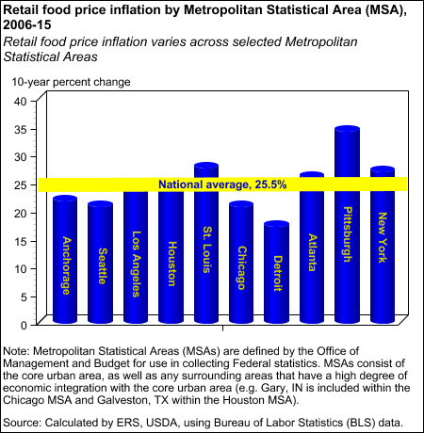
Retail food price inflation by MSA

 | MSA | National average
Anchorage | 21.9 | 25.5
Seattle | 20.8 | 25.5
Los Angeles | 23.7 | 25.5
Houston | 23.8 | 25.5
National average, 25.5%
St. Louis | 27.7 | 25.5
Chicago | 20.9 | 25.5
Detroit | 17.3 | 25.5
Atlanta | 26.0 | 25.5
Pittsburgh | 34.3 | 25.5
New York | 27.0 | 25.5

Sheet2
Retail food price inflation by MSA
 | MSA
Anchorage | 21.9
Seattle | 20.8
Los Angeles | 23.7
Houston | 23.8
St. Louis | 27.7
Chicago | 20.9
Detroit | 17.3
Atlanta | 26.0
Pittsburgh | 34.3
New York | 27.0
 | MSA | National average
Detroit | 17.3 | 25.5
Seattle | 20.8 | 25.5
Chicago | 20.9 | 25.5
Anchorage | 21.9 | 25.5
Los Angeles | 23.7 | 25.5
Houston | 23.8 | 25.5
Atlanta | 26.0 | 25.5
National average, 25.5%
New York | 27.0 | 25.5
St. Louis | 27.7 | 25.5
Pittsburgh | 34.3 | 25.5

Retail food price inflation by MSA

