Sheet1
Smiles | Molar Mass / g.mol-1 | log(P) | TPSA | Canonicalized Smiles | smiles2Tokens | pixels | ROMol
C[C@@H]1CCCN(C(=O)CSc2nnc(-c3ccc(S(=O)(=O)N4CCOCC4)cc3)n2C)C1 | 479.16609641 | 1.8536 | 97.63 | C[C@@H]1CCCN(C(=O)CSc2nnc(-c3ccc(S(=O)(=O)N4CCOCC4)cc3)n2C)C1 | ['C', '[C@@H]', '1', 'C', 'C', 'C', 'N', '(', 'C', '(', '=', 'O', ')', 'C', 'S', 'c', '2', 'n', 'n', 'c', '(', '-', 'c', '3', 'c', 'c', 'c', '(', 'S', '(', '=', 'O', ')', '(', '=', 'O', ')', 'N', '4', 'C', 'C', 'O', 'C', 'C', '4', ')', 'c', 'c', '3', ')', 'n', '2', 'C', ')', 'C', '1'] | [[1 0 0 ... 0 0 0] [0 1 0 ... 0 0 0] [0 0 1 ... 0 0 0] ... [0 0 0 ... 0 0 0] [1 0 0 ... 0 0 0] [0 0 1 ... 0 0 0]] | 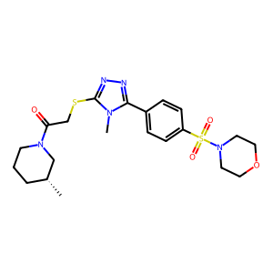
CC[C@@]1(C(=O)c2ccc(C)cc2)[C@H]2c3cc(Br)ccc3OC(=O)[C@]21C(=O)OC | 442.04158581 | 4.21242 | 69.67 | CC[C@@]1(C(=O)c2ccc(C)cc2)[C@H]2c3cc(Br)ccc3OC(=O)[C@]21C(=O)OC | ['C', 'C', '[C@@]', '1', '(', 'C', '(', '=', 'O', ')', 'c', '2', 'c', 'c', 'c', '(', 'C', ')', 'c', 'c', '2', ')', '[C@H]', '2', 'c', '3', 'c', 'c', '(', 'Br', ')', 'c', 'c', 'c', '3', 'O', 'C', '(', '=', 'O', ')', '[C@]', '2', '1', 'C', '(', '=', 'O', ')', 'O', 'C'] | [[1 0 0 ... 0 0 0] [1 0 0 ... 0 0 0] [0 0 0 ... 0 0 0] ... [0 0 0 ... 0 0 0] [0 0 0 ... 0 0 0] [0 0 0 ... 0 0 0]] | 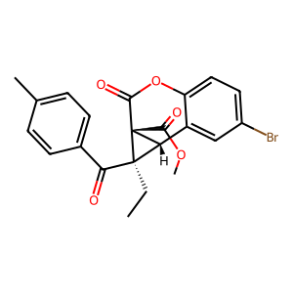
Oc1c([C@@H](Nc2cccc(Cl)c2)c2ccncc2)ccc2cccnc12 | 361.09818981 | 5.1903 | 58.04 | Oc1c([C@@H](Nc2cccc(Cl)c2)c2ccncc2)ccc2cccnc12 | ['O', 'c', '1', 'c', '(', '[C@@H]', '(', 'N', 'c', '2', 'c', 'c', 'c', 'c', '(', 'Cl', ')', 'c', '2', ')', 'c', '2', 'c', 'c', 'n', 'c', 'c', '2', ')', 'c', 'c', 'c', '2', 'c', 'c', 'c', 'n', 'c', '1', '2'] | [[0 0 0 ... 0 0 0] [0 0 0 ... 0 0 0] [0 0 1 ... 0 0 0] ... [0 0 0 ... 0 0 0] [0 0 0 ... 0 0 0] [0 0 0 ... 0 0 0]] | 