redundant_bins_ANI.0.9_COV.0.7
Comparison | ANI | Coverage | bin1 | bin2 | taxonomy | completeness.bin1 | redundancy.bin1 | strain.hetero.bin1 | completeness.bin2 | redundancy.bin2 | strain.hetero.bin2
R5_bin37_Sp13.BD.MM15.SD.fa-contigs - B52_Sp13.BD.MM15.SD_rebin1 | 0.99977819905 | 0.97781644812 | R5_bin37_Sp13.BD.MM15.SD.fa-contigs | B52_Sp13.BD.MM15.SD_rebin1 | o__Burkholderiales | 45.68 | 0.03 | 0 | 61.4 | 0.18 | 33.33
R4_bin31_Fa13.BD.MM110.DN.fa-contigs - B28_Fa13.BD.MM110.DN_rebin2 | 1 | 0.99831349863 | R4_bin31_Fa13.BD.MM110.DN.fa-contigs | B28_Fa13.BD.MM110.DN_rebin2 | o__Burkholderiales | 89.81 | 0.59 | 40 | 91.21 | 0.59 | 40
R2_bin15_Fa13.BD.MLB.SN.fa-contigs - B21_Fa13.BD.MLB.SN_rebin4 | 0.99942222222 | 0.99412901587 | R2_bin15_Fa13.BD.MLB.SN.fa-contigs | B21_Fa13.BD.MLB.SN_rebin4 | o__Burkholderiales | 97.04 | 2.99 | 15.38 | 97.15 | 2.95 | 21.05
R3_bin19_Fa13.BD.MLB.SN.fa-contigs - B2_Fa13.BD.MLB.DN_rebin10 | 0.99663439404 | 0.89789484594 | R3_bin19_Fa13.BD.MLB.SN.fa-contigs | B2_Fa13.BD.MLB.DN_rebin10 | p__Proteobacteria | 61.38 | 1.85 | 20 | 91.84 | 4.98 | 21.43
R10_Su13.BD.MM110.DCMD_bin2.fa-contigs - B63_Su13.BD.MM110.DCMD_rebin1 | 1 | 0.99496921299 | R10_Su13.BD.MM110.DCMD_bin2.fa-contigs | B63_Su13.BD.MM110.DCMD_rebin1 | o__Burkholderiales | 66.14 | 0.31 | 25 | 78.65 | 0.92 | 28.57
R7_Fa13.BD.MLB.DN.fa_MC-contigs - B4_Fa13.BD.MLB.DN_rebin2 | 0.99374864729 | 0.89653816722 | R7_Fa13.BD.MLB.DN.fa_MC-contigs | B4_Fa13.BD.MLB.DN_rebin2 | o__Burkholderiales | 66.22 | 7.69 | 19.35 | 80.54 | 1.78 | 16.67
R9_Su13.BD.MLB.SD.C_bin2.fa-contigs - B58_Su13.BD.MLB.SD.C_rebin3 | 1 | 0.99977748285 | R9_Su13.BD.MLB.SD.C_bin2.fa-contigs | B58_Su13.BD.MLB.SD.C_rebin3 | o__Burkholderiales | 39.44 | 0.23 | 100 | 59.4 | 1.2 | 75
R6_bin63_Sp13.BD.MM110.SD.fa-contigs - B49_Sp13.BD.MM110.SD_rebin7 | 1 | 0.98862802806 | R6_bin63_Sp13.BD.MM110.SD.fa-contigs | B49_Sp13.BD.MM110.SD_rebin7 | o__Burkholderiales | 35.48 | 1.2 | 0 | 49.87 | 3 | 20
R12_Su13.BD.MM15.SN.C_bin1_bin2_bin6_bin10_MC2-contigs - B72_Su13.BD.MM15.SN.C_rebin5 | 0.99889657499 | 0.92509160669 | R12_Su13.BD.MM15.SN.C_bin1_bin2_bin6_bin10_MC2-contigs | B72_Su13.BD.MM15.SN.C_rebin5 | o__Burkholderiales | 62.38 | 1.11 | 50 | 86.56 | 1.66 | 33.33
R1_bin13_Fa13.BD.MLB.SN.fa-contigs - B22_Fa13.BD.MLB.SN_rebin5 | 1 | 0.99540892866 | R1_bin13_Fa13.BD.MLB.SN.fa-contigs | B22_Fa13.BD.MLB.SN_rebin5 | o__Burkholderiales | 82.03 | 1.29 | 28.57 | 90.28 | 1.44 | 25
R8_Sp13.BD.MM110.DD.fa_MC-contigs - B38_Sp13.BD.MM110.DD_rebin5 | 0.9771069 | 0.4950086 | R8_Sp13.BD.MM110.DD.fa_MC-contigs | B38_Sp13.BD.MM110.DD_rebin5 | o__Burkholderiales | 65.59 | 13.2 | 15.87 | 66.89 | 2.34 | 63.64
B38_Sp13.BD.MM110.DD_rebin5 - R8_Sp13.BD.MM110.DD.fa_MC-contigs | 0.9886806 | 0.80676348 | B38_Sp13.BD.MM110.DD_rebin5 | R8_Sp13.BD.MM110.DD.fa_MC-contigs | o__Burkholderiales | 66.89 | 2.34 | 63.64 | 65.59 | 13.2 | 15.87
R11_Su13.BD.MM15.SN.C_bin1_bin2_bin6_bin10_MC1-contigs - B73_Su13.BD.MM15.SN.C_rebin6 | 0.9998587269 | 0.97467320652 | R11_Su13.BD.MM15.SN.C_bin1_bin2_bin6_bin10_MC1-contigs | B73_Su13.BD.MM15.SN.C_rebin6 | o__Burkholderiales | 60.3 | 0.53 | 0 | 76.72 | 14.11 | 47.73
B38_Sp13.BD.MM110.DD_rebin5 - B49_Sp13.BD.MM110.SD_rebin7 | 0.990812 | 0.504931034 | B38_Sp13.BD.MM110.DD_rebin5 | B49_Sp13.BD.MM110.SD_rebin7 | o__Burkholderiales | 66.89 | 2.34 | 63.64 | 49.87 | 3 | 20
B49_Sp13.BD.MM110.SD_rebin7 - B38_Sp13.BD.MM110.DD_rebin5 | 0.9927771 | 0.708571771 | B49_Sp13.BD.MM110.SD_rebin7 | B38_Sp13.BD.MM110.DD_rebin5 | o__Burkholderiales | 49.87 | 3 | 20 | 66.89 | 2.34 | 63.64
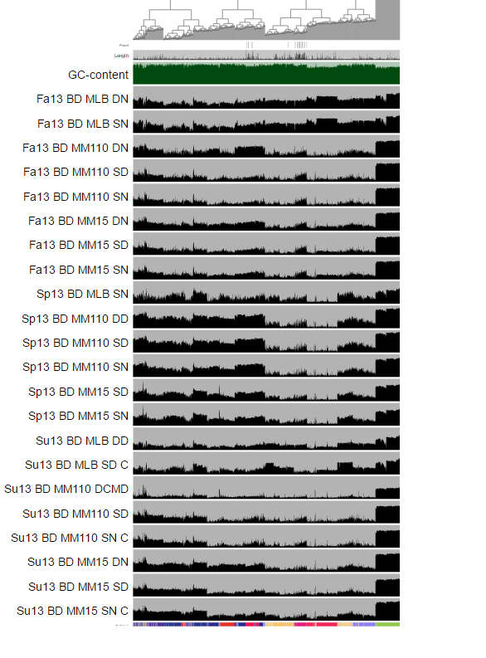
 |  |  | old_bin | old_AP_ID | IMG_ID | new_bin | new_GOLD_ID | new_IMG_ID | NCBI ID Limnohabitans
 |  |  | Fa13.BD.MLB.DN.fa_MC | 2737471806 | Limnohabitans sp. bin L8 | B4_Fa13.BD.MLB.DN_rebin2 | 2757320395 | Limnohabitans sp. bin L8r | 665874
 |  |  | Sp13.BD.MM110.DD.fa_MC | 2737471802 | Limnohabitans sp. bin L5 | B38_Sp13.BD.MM110.DD_rebin5 | 2757320396 | Limnohabitans sp. bin L5r | 665874
 |  |  | Su13.BD.MLB.SD.C_bin2.fa | 2737471804 | Limnohabitans sp. bin L6 | B58_Su13.BD.MLB.SD.C_rebin3 | 2757320397 | Limnohabitans sp. bin L6r | 665874
 |  |  | Su13.BD.MM110.DCMD_bin2.fa | 2737471805 | Limnohabitans sp. bin L7 | B63_Su13.BD.MM110.DCMD_rebin1 | 2757320398 | Limnohabitans sp. bin L7r | 665874
 |  |  | Su13.BD.MM15.SN.C_bin1_bin2_bin6_bin10_MC1 | 2737471795 | Limnohabitans sp. bin L3 | B72-73_Su13.BD.MM15.SN.C_rebin5-6_refined1 | 2757320399 | Limnohabitans sp. bin L3r | 665874
 |  |  | Su13.BD.MM15.SN.C_bin1_bin2_bin6_bin10_MC2 | 2737471793 | Limnohabitans sp. bin L1 | B72-73_Su13.BD.MM15.SN.C_rebin5-6_refined2 | 2757320400 | Limnohabitans sp. bin L1r | 665874
 |  |  | bin13_Fa13.BD.MLB.SN.fa | 2737471682 | Limnohabitans sp. bin2 | B22_Fa13.BD.MLB.SN_rebin5 | 2757320401 | Limnohabitans sp. bin L02 | 665874
 |  |  | bin15_Fa13.BD.MLB.SN.fa | 2737471681 | Limnohabitans sp. bin1 | B21_Fa13.BD.MLB.SN_rebin4 | 2757320402 | Limnohabitans sp. bin L01 | 665874
 |  |  | bin19_Fa13.BD.MLB.SN.fa | 2737471797 | Unclassified Betaproteobacteria bin B4 | B2_Fa13.BD.MLB.DN_rebin10 | 2757320405 | Unclassified Betaproteobacteria bin B4r | 28216
 |  |  | bin31_Fa13.BD.MM110.DN.fa | 2737471683 | Limnohabitans sp. bin1 | B28_Fa13.BD.MM110.DN_rebin2 | 2757320403 | Limnohabitans sp. bin L03 | 665874
 |  |  | bin37_Sp13.BD.MM15.SD.fa | 2737471794 | Limnohabitans sp. bin L2 | B52_Sp13.BD.MM15.SD_rebin1 | 2757320404 | Limnohabitans sp. bin L2r | 665874
 |  |  | bin63_Sp13.BD.MM110.SD.fa | 2737471799 | Limnohabitans sp. bin L4 | B38_Sp13.BD.MM110.DD_rebin5

