Microservice
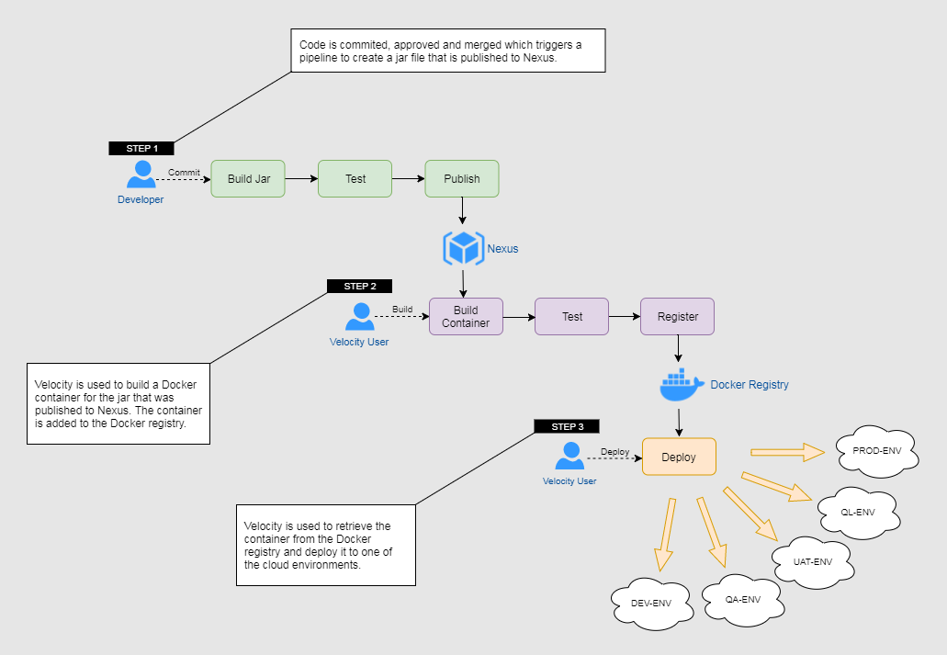
Sl.# | Phase | Task | Subtask | Owner | Planned Start | Planned End | Duration
1 | Requirement Definition | Microservice Tools and Features | Microservice Tools and Features | NOUS/FDX |  |  | 3
 |  | Scaling Requirements | Scaling Requirements | NOUS/FDX |  |  | 3
 |  | Load Balancing Requirements | Load Balancing Requirements | NOUS/FDX |  |  | 3
2 | Infrastructure Requirement | Sandbox VM |  | FDX
3 | Development | Application(Chef/Ansible) | Java | NOUS |  |  | 2
 |  |  | Springboot | NOUS |  |  | 2
 |  |  | Other Tools/Softwares |  |  |  | 5
 |  |  | Firewall Configurations | NOUS |  |  | 5
 |  |  | System settings configurations | NOUS |  |  | 5
 |  |  | Chef Environments | NOUS |  |  | 5
 |  |  | Chef Roles | NOUS |  |  | 5
 |  |  | Health Monitoring | NOUS |  |  | 5
 |  |  | Database | NOUS |  |  | 5
 |  |  | SSL Certificate Configuration | NOUS |  |  | 5
 |  |  | 3rd Party Application installation checks | NOUS |  |  | 5
 |  | Application (Containerization) | Dockerize Application Deployment | NOUS |  |  | 10
 |  |  | Orchestrate Application Deployment using Kubernates | NOUS |  |  | 20
4 | Testing | Automated Application Testing (Chef-Inspec) | Application Checks | NOUS |  |  | 5
 |  |  | System Checks | NOUS |  |  | 5
 |  | Manual testing | Springboot | NOUS |  |  | 1
 |  |  | Other Tools/Softwares | NOUS |  |  | 1
 |  |  | Firewall Configurations | NOUS |  |  | 1
 |  |  | System settings configurations | NOUS |  |  | 1
 |  |  | Chef Environments | NOUS |  |  | 5
 |  |  | Chef Roles | NOUS |  |  | 5
 |  |  | Health Monitoring | NOUS |  |  | 2
 |  |  | Database | NOUS |  |  | 5
 |  |  | SSL Certificate Configuration | NOUS |  |  | 1
 |  |  | Java | NOUS |  |  | 1
 |  | UAT | Springboot | FDX
 |  |  | Other Tools/Softwares | FDX
 |  |  | Firewall Configurations | FDX
 |  |  | System settings configurations | FDX
 |  |  | Chef Environments | FDX
 |  |  | Chef Roles | FDX
 |  |  | Health Monitoring | FDX
 |  |  | Database | FDX
 |  |  | SSL Certificate Configuration | FDX
 |  |  |  | FDX
5 | Approval | Approval |  | FDX

 |  |  |  |  | Total | 121 | days
 | Note: Some of the items are already taken care in Openstack Integaration.
 | Also depends on the Microservice development architecture(Items like service discovery, caching, auto load balancing etc is taken care by development team). If not, need to re-visit the estimates
 | GIT Labs training and transistion is not estimated

