Sheet3
...
sim | semTypes | 0.578 | 0.58 | 0.10017344219
sim | cuis | 0.578 | 0.578 | 0.60767722129
sim | umls | 0.578 | 0.579 | 0.32587900805
semTypes | cuis | 0.58 | 0.578 | 0.037022353277
semTypes | umls | 0.58 | 0.579 | 0.41754044974
cuis | umls | 0.578 | 0.579 | 0.15454139542
sim | semTypes | 0.565 | 0.567 | 0.05840957958
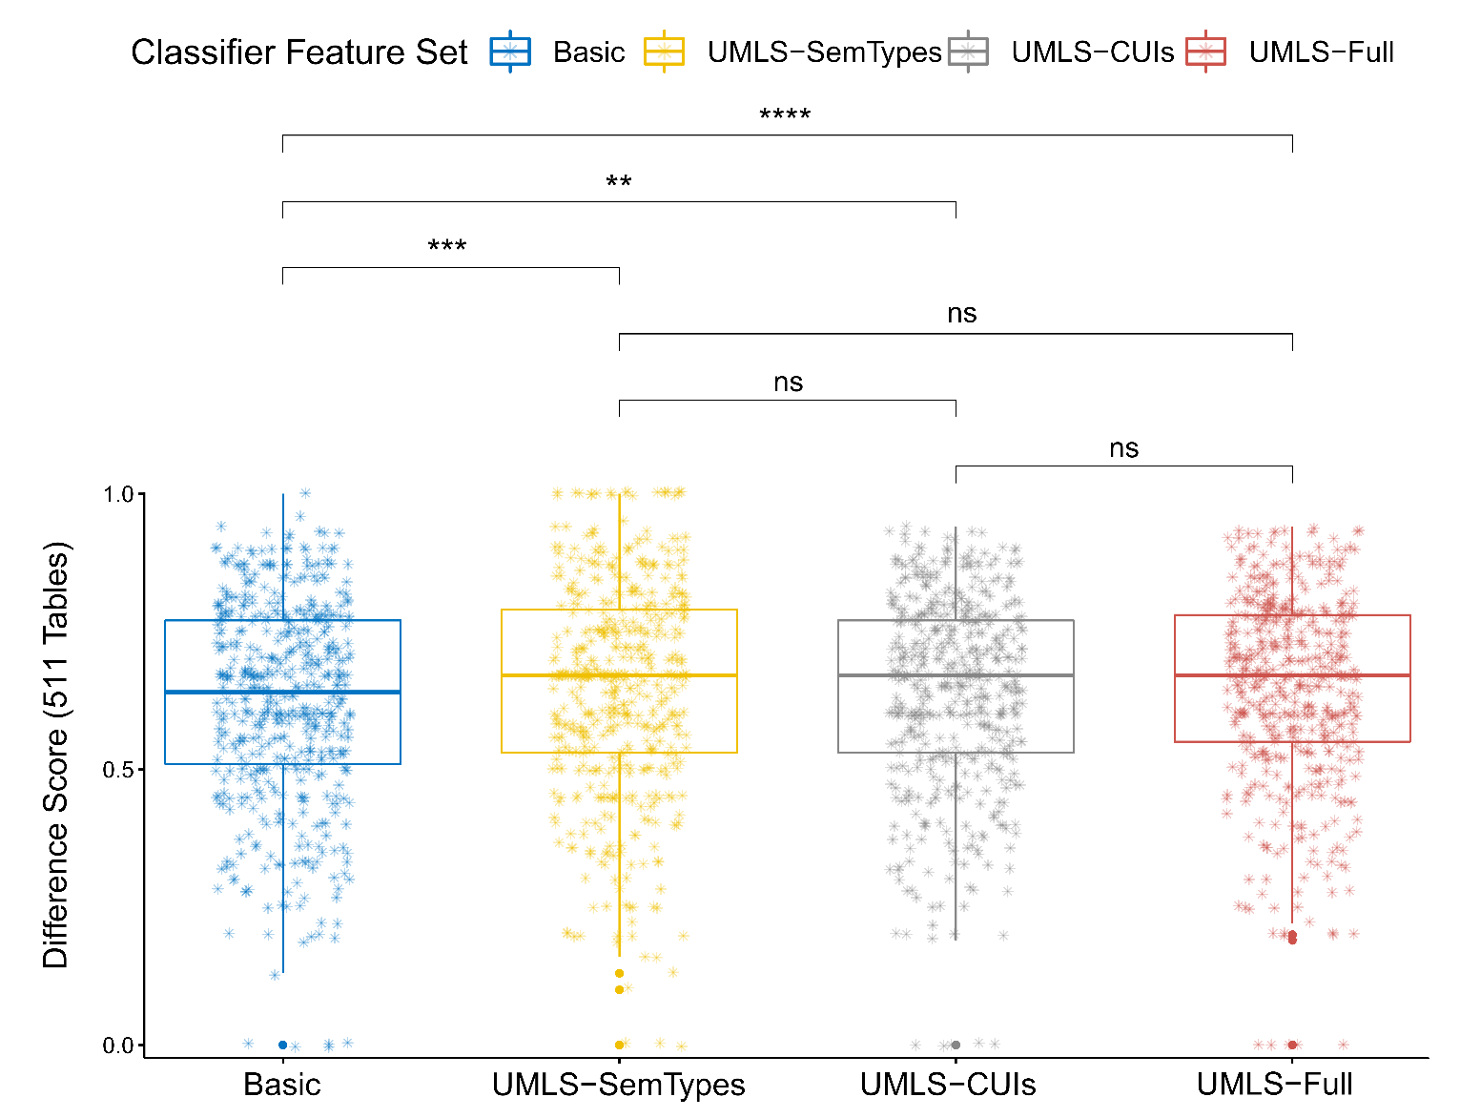
sim | cuis | 0.565 | 0.564 | 0.057966435915
sim | umls | 0.565 | 0.564 | 0.34129371745
semTypes | cuis | 0.567 | 0.564 | 0.00047577488248
semTypes | umls | 0.567 | 0.564 | 0.00055560255183
cuis | umls | 0.564 | 0.564 | 0.54037053714
...
sim | semTypes | 0.577 | 0.58 | 0.001082631654
sim | cuis | 0.577 | 0.579 | 0.022250615722
sim | umls | 0.577 | 0.581 | 0.0002084464169
semTypes | cuis | 0.58 | 0.579 | 0.15749997107
semTypes | umls | 0.58 | 0.581 | 0.55433001071
cuis | umls | 0.579 | 0.581 | 0.057703657018
sim | semTypes | 0.563 | 0.566 | 0.012720544664
sim | cuis | 0.563 | 0.565 | 0.011965371872
sim | umls | 0.563 | 0.566 | 0.0010424698135
semTypes | cuis | 0.566 | 0.565 | 0.67775567126
semTypes | umls | 0.566 | 0.566 | 0.3125842204
cuis | umls | 0.565 | 0.566 | 0.21105644762
...
sim | semTypes | 0.577 | 0.58 | 0.00067576823904
sim | cuis | 0.577 | 0.579 | 0.012762816917
sim | umls | 0.577 | 0.581 | 9.45E-05
semTypes | cuis | 0.58 | 0.579 | 0.18113847881
semTypes | umls | 0.58 | 0.581 | 0.58199135746
cuis | umls | 0.579 | 0.581 | 0.074055470337
sim | semTypes | 0.563 | 0.567 | 1.88E-05
sim | cuis | 0.563 | 0.566 | 0.000825595164
sim | umls | 0.563 | 0.566 | 0.001471100126
semTypes | cuis | 0.567 | 0.566 | 0.14579368385
semTypes | umls | 0.567 | 0.566 | 0.17643444051
cuis | umls | 0.566 | 0.566 | 0.73257469074
...
sim | semTypes | 0.577 | 0.58 | 2.19E-05
sim | cuis | 0.577 | 0.579 | 0.0015079709239
sim | umls | 0.577 | 0.581 | 1.08E-06
semTypes | cuis | 0.58 | 0.579 | 0.10834585169
semTypes | umls | 0.58 | 0.581 | 0.3827215738
cuis | umls | 0.579 | 0.581 | 0.020284055037
sim | semTypes | 0.564 | 0.568 | 7.98E-06
...

Sheet6
...
 | Basic | UMLS-CUIs | UMLS-SemTypes | UMLS-Full
RandomForest | 0.549 | 0.541 | 0.571 | 0.56
LogReg | 0.528 | 0.541 | 0.573 | 0.572
AdaBoost | 0.531 | 0.554 | 0.581 | 0.578
Multinomial | 0.525 | 0.54 | 0.573 | 0.579
MLP | 0.533 | 0.528 | 0.573 | 0.577

 | RandomForest | LogReg | AdaBoost | Multinomial | MLP
Basic | 0.586 | 0.554 | 0.562 | 0.558 | 0.567
UMLS-CUIs | 0.551 | 0.56 | 0.576 | 0.567 | 0.553
UMLS-SemTypes | 0.587 | 0.581 | 0.601 | 0.595 | 0.588
UMLS-Full | 0.575 | 0.593 | 0.6 | 0.602 | 0.6

Sheet7
...
 | RandomForest | LogReg | AdaBoost | Multinomial | DecTree
Basic | 0.609 | 0.558 | 0.553 | 0.509 | 0.532
UMLS-CUIs | 0.612 | 0.609 | 0.561 | 0.644 | 0.554
UMLS-SemTypes | 0.61 | 0.564 | 0.552 | 0.509 | 0.534
UMLS-Full | 0.613 | 0.612 | 0.559 | 0.645 | 0.555
 | RandomForest | LogReg | AdaBoost | Multinomial | DecTree
Basic | 0.608 | 0.573 | 0.568 | 0.554 | 0.543
UMLS-CUIs | 0.615 | 0.605 | 0.576 | 0.63 | 0.568
UMLS-SemTypes | 0.61 | 0.577 | 0.566 | 0.552 | 0.546
UMLS-Full | 0.617 | 0.607 | 0.575 | 0.63 | 0.568

17395
 |  |  |  |  |  | Metric Difference |  | Total cases |  |  | Mean (Precision or Recall)
 | Comparing Feature Sets |  | Precision |  | p-value | Mean | St.Dev | Improved | Worsened | Difference | Improvement | Worsening | Variance
 | Basic | UMLS-SemTypes | 0.544 | 0.634 | < 0.01 | 0.091 | 0.52 | 4225 | 2904 | 1321 | 0.853 | -0.698 | 0.273
...

Sheet7_2
...
0 | 0.373 | 13.262 | 2367 | 0.88 | 1769 | -0.907 | 1 | 598
0 | 0.325 | 13.386 | 2318 | 0.879 | 1792 | -0.906 | 1 | 526
0 | 0.36 | 13.728 | 2287 | 0.879 | 1749 | -0.901 | 1 | 538
0 | 0.03 | 23.049 | 1293 | 0.898 | 1270 | -0.899 | 1 | 23
...
 | RandomForest | LogReg | AdaBoost | Multinomial | DTC
Basic | 0.602 | 0.573 | 0.57 | 0.541 | 0.571
UMLS-CUIs | 0.602 | 0.59 | 0.573 | 0.588 | 0.579
UMLS-SemTypes | 0.602 | 0.575 | 0.57 | 0.541 | 0.572
UMLS-Full | 0.603 | 0.592 | 0.572 | 0.589 | 0.579
...
 | RandomForest | LogReg | AdaBoost | Multinomial | DTC
Basic | 0.611 | 0.595 | 0.59 | 0.587 | 0.584
UMLS-CUIs | 0.606 | 0.593 | 0.593 | 0.614 | 0.593
UMLS-SemTypes | 0.612 | 0.596 | 0.59 | 0.587 | 0.585
UMLS-Full | 0.614 | 0.607 | 0.592 | 0.614 | 0.593
...

