Sheet3
...
sim | semTypes | 0.578 | 0.58 | 0.10017344219
sim | cuis | 0.578 | 0.578 | 0.60767722129
sim | umls | 0.578 | 0.579 | 0.32587900805
semTypes | cuis | 0.58 | 0.578 | 0.037022353277
semTypes | umls | 0.58 | 0.579 | 0.41754044974
cuis | umls | 0.578 | 0.579 | 0.15454139542
sim | semTypes | 0.565 | 0.567 | 0.05840957958
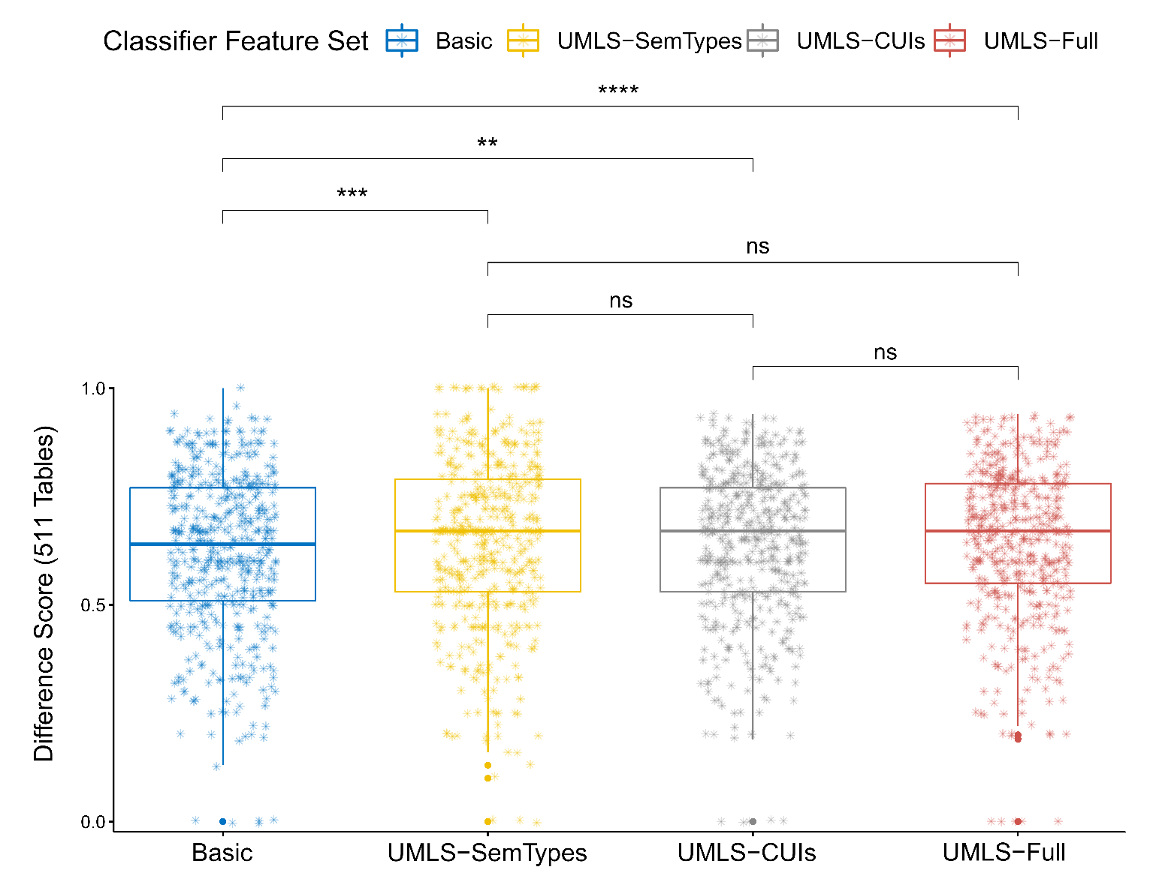
sim | cuis | 0.565 | 0.564 | 0.057966435915
sim | umls | 0.565 | 0.564 | 0.34129371745
semTypes | cuis | 0.567 | 0.564 | 0.00047577488248
semTypes | umls | 0.567 | 0.564 | 0.00055560255183
cuis | umls | 0.564 | 0.564 | 0.54037053714
...
sim | semTypes | 0.577 | 0.58 | 0.001082631654
sim | cuis | 0.577 | 0.579 | 0.022250615722
sim | umls | 0.577 | 0.581 | 0.0002084464169
semTypes | cuis | 0.58 | 0.579 | 0.15749997107
semTypes | umls | 0.58 | 0.581 | 0.55433001071
cuis | umls | 0.579 | 0.581 | 0.057703657018
sim | semTypes | 0.563 | 0.566 | 0.012720544664
sim | cuis | 0.563 | 0.565 | 0.011965371872
sim | umls | 0.563 | 0.566 | 0.0010424698135
semTypes | cuis | 0.566 | 0.565 | 0.67775567126
semTypes | umls | 0.566 | 0.566 | 0.3125842204
cuis | umls | 0.565 | 0.566 | 0.21105644762
...
sim | semTypes | 0.577 | 0.58 | 0.00067576823904
sim | cuis | 0.577 | 0.579 | 0.012762816917
sim | umls | 0.577 | 0.581 | 9.45E-05
semTypes | cuis | 0.58 | 0.579 | 0.18113847881
semTypes | umls | 0.58 | 0.581 | 0.58199135746
cuis | umls | 0.579 | 0.581 | 0.074055470337
sim | semTypes | 0.563 | 0.567 | 1.88E-05
sim | cuis | 0.563 | 0.566 | 0.000825595164
sim | umls | 0.563 | 0.566 | 0.001471100126
semTypes | cuis | 0.567 | 0.566 | 0.14579368385
semTypes | umls | 0.567 | 0.566 | 0.17643444051
cuis | umls | 0.566 | 0.566 | 0.73257469074
...
sim | semTypes | 0.577 | 0.58 | 2.19E-05
sim | cuis | 0.577 | 0.579 | 0.0015079709239
sim | umls | 0.577 | 0.581 | 1.08E-06
semTypes | cuis | 0.58 | 0.579 | 0.10834585169
semTypes | umls | 0.58 | 0.581 | 0.3827215738
cuis | umls | 0.579 | 0.581 | 0.020284055037
sim | semTypes | 0.564 | 0.568 | 7.98E-06
...

Sheet6
...
 | Basic | UMLS-CUIs | UMLS-SemTypes | UMLS-Full
RandomForest | 0.549 | 0.541 | 0.571 | 0.56
LogReg | 0.528 | 0.541 | 0.573 | 0.572
AdaBoost | 0.531 | 0.554 | 0.581 | 0.578
Multinomial | 0.525 | 0.54 | 0.573 | 0.579
MLP | 0.533 | 0.528 | 0.573 | 0.577

 | RandomForest | LogReg | AdaBoost | Multinomial | MLP
Basic | 0.586 | 0.554 | 0.562 | 0.558 | 0.567
UMLS-CUIs | 0.551 | 0.56 | 0.576 | 0.567 | 0.553
UMLS-SemTypes | 0.587 | 0.581 | 0.601 | 0.595 | 0.588
UMLS-Full | 0.575 | 0.593 | 0.6 | 0.602 | 0.6

Sheet7
...
 | Basic | UMLS-CUIs | UMLS-SemTypes | UMLS-Full
 | Precision | Precision | Precision | Precision
RandomForest | 0.61 | 0.575 | 0.624 | 0.621
LogReg | 0.569 | 0.569 | 0.607 | 0.609
AdaBoost | 0.562 | 0.569 | 0.572 | 0.571
Multinomial | 0.544 | 0.543 | 0.634 | 0.634
DTC | 0.549 | 0.552 | 0.578 | 0.579
 | Recall | Recall | Recall | Recall
RandomForest | 0.612 | 0.61 | 0.617 | 0.616
LogReg | 0.555 | 0.562 | 0.615 | 0.618
AdaBoost | 0.549 | 0.557 | 0.559 | 0.557
Multinomial | 0.5 | 0.5 | 0.658 | 0.66
DTC | 0.538 | 0.54 | 0.564 | 0.566

Sheet7_2
...
 |  |  |  |  |  |  |  | 0 | 0.373 | 13.262 | 2367 | 0.88 | 1769 | -0.907 | 1 | 598
semTypes | cuis | 0.579 | 0.572 | 0 | -0.007 | 0.058 | 0 | 0 | -0.325 | 13.386 | 1792 | 0.906 | 2318 | -0.879 | 1 | -526
semTypes | umls | 0.579 | 0.579 | 0.67999 | 0 | 0.037 | 0 | 0 | 0.03 | 23.049 | 1293 | 0.898 | 1270 | -0.899 | 1 | 23
cuis | umls | 0.572 | 0.579 | 0 | 0.007 | 0.057 | 0 | 0 | 0.36 | 13.728 | 2287 | 0.879 | 1749 | -0.901 | 1 | 538

 | Basic | UMLS-CUIs | UMLS-SemTypes | UMLS-Full
 | Precision | Precision | Precision | Precision
RandomForest | 0.611 | 0.596 | 0.602 | 0.614
LogReg | 0.595 | 0.59 | 0.606 | 0.607
AdaBoost | 0.59 | 0.59 | 0.593 | 0.592
Multinomial | 0.587 | 0.587 | 0.614 | 0.614
DTC | 0.584 | 0.585 | 0.593 | 0.593
 | Recall | Recall | Recall | Recall
RandomForest | 0.602 | 0.602 | 0.602 | 0.603
LogReg | 0.573 | 0.575 | 0.59 | 0.592
AdaBoost | 0.57 | 0.57 | 0.573 | 0.572
Multinomial | 0.541 | 0.541 | 0.588 | 0.589
DTC | 0.571 | 0.572 | 0.579 | 0.579

