grafico movilidad
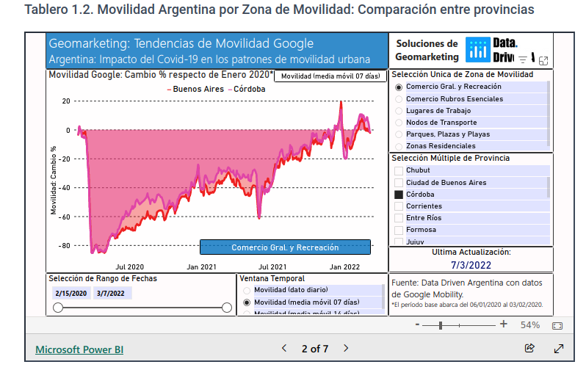
https://datadriven.com.ar/movilidad-google-argentina/

