Sheet1
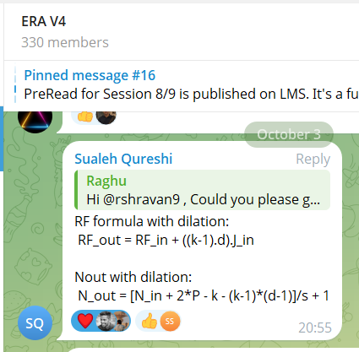
Receptive Field Calculations - CIFAR-10
# | Layer Name | Input Size | RF In | Kernel Size | Padding Size | Stride | Dilation | Output Size | Jump In | Receptive Field Out | Jump Out
 |  | Nin | Rin | K | P | S | d | Nout | Jin | Rout | Jout(Jin*S)
Layer-1 | conv1_1 | 32 | 1 | 3 | 1 | 1 | 1 | 32 | 1 | 3 | 1
Layer-2 | conv1_2 | 32 | 3 | 3 | 1 | 2 | 1 | 16 | 1 | 5 | 2
Layer-3 | conv1x1_1 | 16 | 5 | 1 | 0 | 1 | 1 | 16 | 2 | 5 | 2
Layer-4 | conv2_1 | 16 | 5 | 3 | 1 | 1 | 1 | 16 | 2 | 9 | 2
Layer-5 | conv2_2 | 16 | 9 | 3 | 1 | 2 | 1 | 8 | 2 | 13 | 4
Layer-6 | conv1x1_2 | 8 | 13 | 1 | 0 | 1 | 1 | 8 | 4 | 13 | 4
Layer-7 | conv3_1 | 8 | 13 | 3 | 1 | 1 | 1 | 8 | 4 | 21 | 4
Layer-8 | conv3_2 | 8 | 21 | 3 | 2 | 1 | 2 | 8 | 4 | 37 | 4
Layer-9 | conv1x1_3 | 8 | 37 | 1 | 0 | 1 | 1 | 8 | 4 | 37 | 4
Layer-10 | conv4_1 | 8 | 37 | 3 | 1 | 1 | 1 | 8 | 4 | 45 | 4
Layer-11 | conv4_2 | 8 | 45 | 3 | 1 | 2 | 1 | 4 | 4 | 53 | 8
Layer-12 | conv1x1_4 | 4 | 53 | 1 | 0 | 1 | 1 | 4 | 8 | 53 | 8
Layer-13 | GAP | 4 | 53 | 4 | 0 | 1 | 1 | 1 | 8 | 77 | 8

