PO-003 Add Supplier Address
Back to Summary

Test Script - Oracle Cloud - Procurement
Add Supplier Address

Test Script Name: Joint Venture Contracts
Software / Release |  | 23C

 | Test Script Instruction
ID # | Action | Navigation Steps | Expected Results
PO-003.1 | Log into Oracle | Click in the User ID field. Enter your User ID | User is Logged Into Oracle
 |  | Click in Password field. Enter your Password
 |  | Click the Sign In button

PO-003.2 | Navigation | Select the Procurement Icon > Select Suppliers Icon | Supplier Work Bench is Displayed
 |  | OR
 |  | In the upper left hand corner beside the company logo, click the Navigator icon
 |  | Procurement > Suppliers

PO-003.3 | Search for Supplier | From the Task List select Manage Suppliers | Supplier record is displayed
 |  | SEARCH
 |  | Enter: all or part of the Supplier Name
 |  | Click: the Search button
 |  | Click the Pencil Edit icon to update the supplier record
PO-003.4 | Add a New Supplier Address |  | Supplier Address has been successfully added
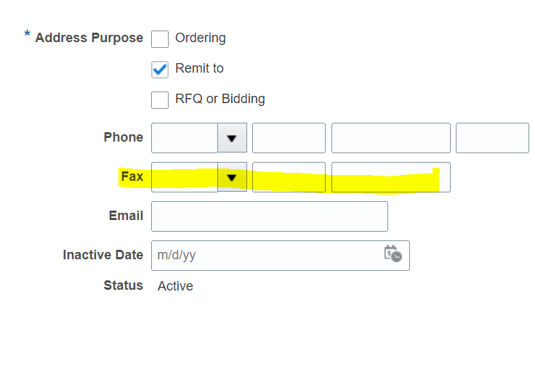
 |  | Click: Addresses tab
 |  | Click the + to Add a new address
 |  | Enter: a Name for the Address
 |  | Enter (or select): the Country
 |  | Enter: the 1st line of the Address (Street or PO Box)
 |  | Enter: the 2nd Address line as needed
 |  | Enter: the Postal Code

 |  | Address Purpose region
 |  | Select: the address purpose
 |  | Ordering: will allow the address to be used for purchase orders
 |  | Remit to: will allow the address to be used by AP
 |  | Note: An address may be marked as both Ordering and Remit-To
 |  | RFQ or Bidding: is used by Oracle Sourcing and will not allow Purchase or Payment for the address
 |  | Phone: Enter the Country, Area Code and Main Phone Number for the supplier
 |  | Note: there are 3 separate fields for phone and fax number
 |  | Fax: Enter the Country, Area Code and Main Fax number
 |  | Click the Save and Close button
 |  | A confirmation message will display, Click OK
 |  | With the new Address hi-lighted
 |  | SITES tab
 |  | Click the Pencil edit icon
 |  | GENERAL Tab
 |  | If appropriate click the Income Tax Reporting Site checkbox
 |  | PURCHASING tab
 |  | Communication Method: Select the method used to send the PO to the supplier
 |  | email: enter the email address for the supplier contact
 |  | fax: enter the fax number for the supplier
 |  | RECEIVING Tab
 |  | Fill out required information
 |  | INVOICING
 |  | Fill out required information
 |  | PAYMENTS
 |  | Choose a defualt Payment Method
 |  | SITE ASSIGNMENTS tab
 |  | Click the +
 |  | Click: Autocreate Assignments button
 |  | Note: This associates the Site with the business unit and is required
 |  | Click: Save and Close
 |  | A confirmation message will display, Click OK

PO-003.5 | Update a Supplier Address | Click the Pencil Edit icon to update the supplier record | Supplier Address has been successfully added
 |  | Click: Addresses tab
 |  | Click the Pencil Edit icon to update the supplier address
 |  | Enter: a change to the 1st line of the Address (Street or PO Box) or Add a 2nd Line
 |  | Click the Save and Close button
 |  | A confirmation message will display, Click OK
 |  | Click: Save and Close
 |  | A confirmation message will display, Click OK

PO-007 Inactivate Sup Contact
Back to Summary

Test Script - Oracle Cloud - Procurement
Inactivate Supplier Contact

Test Script Name: Joint Venture Contracts
Software / Release |  | 23C

 | Test Script Instruction
ID # | Action | Navigation Steps | Expected Results
PO-007.1 | Log into Oracle | Click in the User ID field. Enter your User ID | User is Logged Into Oracle
 |  | Click in Password field. Enter your Password
 |  | Click the Sign In button

PO-007.2 | Navigation | Select the Procurement Icon > Select Suppliers Icon | Supplier Work Bench is Displayed
 |  | OR
 |  | In the upper left hand corner beside the company logo, click the Navigator icon
 |  | Procurement > Suppliers

PO-007.3 | Search for Supplier | From the Task List select Manage Suppliers | Supplier record is displayed
 |  | SEARCH
 |  | Enter: all or part of the Supplier Name
 |  | Click: the Search button

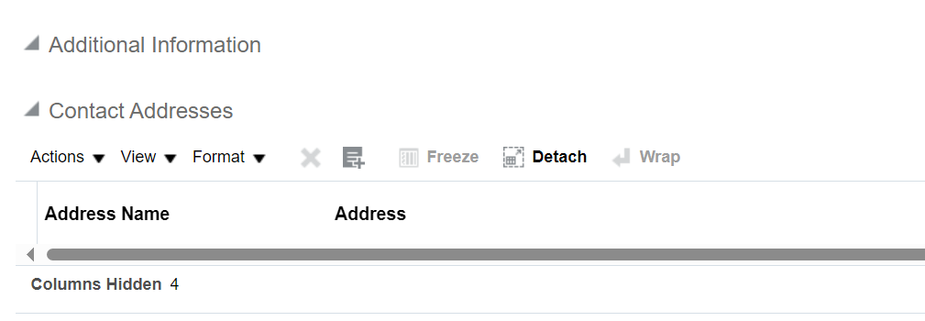
PO-007.4 | Inactivate Supplier Contact | Click the Pencil Edit icon or Click the Supplier Name | Supplier Contact is Inactive for use
 |  | CONTACTS tab
 |  | Click the Contacts Tab
 |  | Hi-light the Supplier Contact to Inactivate
 |  | Click the Pencil Edit icon
 |  | Change the Status to Inactive
 |  | Inactive date will display below the Status field
 |  | CONTACT ADDRESSES
 |  | Click the X delete icon
 |  | Click the Save and Close button
 |  | A confirmation message will display |  | The X will be available when there is a contact address added in here. If you do not have a contact address you will see it greyed out.
 |  | Click the OK button
 |  | Click the Save and Close button
 |  | A confirmation message will display
 |  | Click the OK button

PO-007.5 | Re-activate Supplier Contact | Click the Pencil Edit icon | Supplier Contact is Active for use
 |  | CONTACTS tab
 |  | Click the Contacts Tab
 |  | Change the Status Drop Down to Inactive and Hi-light the Supplier Contact to Activate
 |  | Click the Pencil Edit icon
 |  | Change the Status to Active

PO-018VacationRule Reassignment
Back to Summary

Test Script - Oracle Cloud - Procurement
Vacation Rule

Test Script Name: Joint Venture Contracts
Software / Release |  | 23C

 | Test Script Instruction
ID # | Action | Navigation Steps | Expected Results
PO-18.1 | Log into Oracle | Click in the User ID field | Login successful
 |  | Enter your User ID
 |  | Click in password field
 |  | Enter Password
 |  | Press Sign In
PO-18.2 | Navigation | In the global header, click the Notifications icon. | BPM Worklist displayed
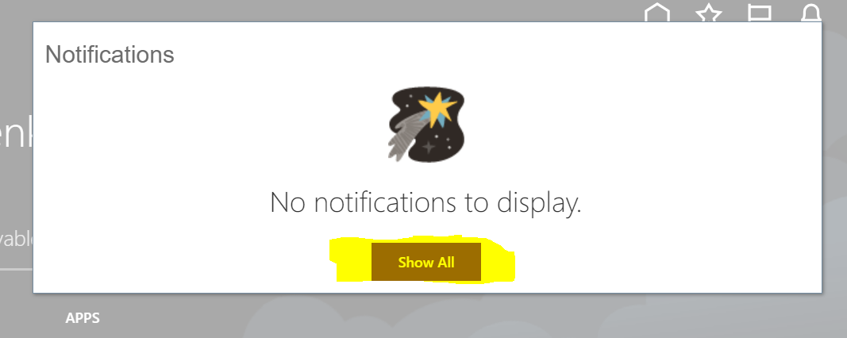
PO-18.3 |  | Click Show All Click Worklist in Top Right Corner
PO-18.4 | BPM Worklist | BPM Worklist page is displayed Click on the drop-down besides the user's name on the top of the page to the right
PO-18.5 | Rules Page | Click the Preferences link. The Rules page is displayed
PO-18.6 | Vacation Period | Click the Enable vacation period option. The Start Date and the End Date fields become available.
PO-18.7 | Rules Page | Click in the Start Date field. Then select the rule start date using the calendar function. Click in the End Date field. Then select the rule end date using the calendar function. Click the Reassign to option Then select a user to who you want to reassign the notifications. Click the Save button. The Vacation Period status is now enabled. Close the BPM Worklist page. |  Data input has been accepted
Reassignment (From Transactions)
PO-18.8 | Reassignment | Create a Purchsae requistion ( Ref PO-016) | PR is created
 |  | Go To>Action>Reassign>provide the Assignee's name and also enable Send Email to this person option | Received Confirmation tegarding assignment
PO-18.9 |  | The assignee either Approve or Reject | Requestor receives the update regarding Status of the document

