Sheet1
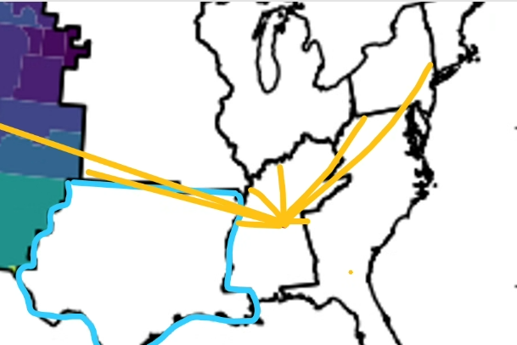
 | Region 1
 | Distance from each centroid to each cendiv border not the cendiv border the region is in. (e.g. calclulate the distance between each centroid and EACH census border labelled as Cendiv A.. Etc).. The yellow lines are the distances btween the census borders. Loop through every region and apply cases.
 | Cendiv A | Cendiv B | Cendiv C | D | E
distances | 0 | 50 | 150 | 200 | 1000 | <-- Case 1: More than 1 cendiv within 200 miles
Subtract | -200 | -150 | -50 | 0 | 800
Multiply | 200 | 150 | 50 | 0 | -800
Clip Values | 200 | 150 | 50 | 0 | 0
Total Value | 400 |  |  |  |  | if there is more than one value in each row of clip values at 200 or less then add do the adjusted weights method
Weight | 0.5 | 0.375 | 0.125 | 0 | 0
Adjusted weigth | 0.75 | 0.1875 | 0.0625

 | Region 2
 | Distance From Cendiv
 | Cendiv A | Cendiv B | Cendiv C | D | E | <-- Case 2: No cendiv within 200 miles, so set weight to 1 for the cendiv it is in
 | 250 | 300 | 500 | 800 | 1000
Subtract | 50 | 100 | 300 | 600 | 800
Multiply | -50 | -100 | -300 | -600 | -800
Clip Values | 0 | 0 | 0 | 0 | 0
Total Value | 0
Weight | 1 | 0 | 0 | 0 | 0

 | Region 2
 | Distance From Cendiv
 | Cendiv A | Cendiv B | Cendiv C | D | E | <-- Case 3: Only one other cendiv within 200 miles, so set weight to 1 for the cendiv it is in
 | 150 | 250 | 300 | 500 | 1000
Subtract | -50 | 50 | 100 | 300 | 800
Multiply | 50 | -50 | -100 | -300 | -800
Clip Values | 50 | 0 | 0 | 0 | 0
Total Value | 50
Weight | 1 | 0 | 0 | 0 | 0

