Sheet1
Date | Topics | Recording Time
2023-10-21 | Spring History | PR 1 - 0:22:54
 | IOC | C1 2:00:0

2023-10-22 | DI | C2 - 2:21:0, PR 1 - 0:49:00
 | Manual Wiring | C2 - 0:14:0
 | Autowire | C2 - 0:16:0
 | Annotation | C2 - 1:53:0
 | AutoWired Annotation | c2 - 1:25:00
 | Qualifier Annotation | C2 - 1:47:0
2023-10-28
 | Component & component Scan | 0:12:00

 | difference between @bean and @component | 0:30:00
 | if same bean id is present using @bean and @Component then @bean is read by the App Context

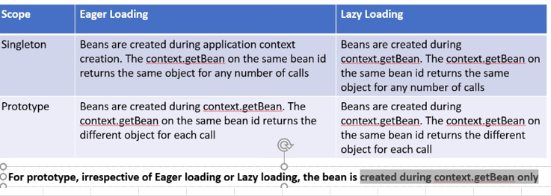
 | bean scopes and bean loadings | 0:01:00
 | By default the beans are Singleton scope and Eager Loding
 | By Default same bean is returned per beanid per app context
 | By Default Calling many times getBean method on the same beanid on the same context object, the same bean or object is returned. This is Singleton
 | Prototype - everytime you call context,getBean a new object/bean is created
 | Eager Loading means bean is created during the time of app Context creation. In Singleton it uses Eager loading
 | Lazy means bean is created during the time of context.getbean which saves some memory usage

 | Value Annotation | 0:02:40
 | Value annotation helps grab info from file system regarding properties like DB usrl host , user etc

 | SPL Spring Expression Language (SpEL) | 0:02:50

 | Bean Inheritance using Xml | 0:02:57

2023-10-29 | Bean Inheritance using Annotation ( issues )

 | Spring bean life cycle
 | AppContext manages life cycle of bean | 1:02:00
 | PostContruct | 1:10:00
 | PreDestroy - context.close() will close the PreDestroy method | 1:15:00

 | Spring AOP | 2:00:03
 | Cross cutting concerns are not part of business logic but will help the app in different ways as - logging , security, method profiling, auditing etc
 | Create central configuration for Cross Cutting Concerns and apply to all business methods which can be achieved through AOP
 | Spring AOP came from AspectJ - Java library for AOP which was combersome
 | AOP Terminologies - Aspect , Advice, Joinpoints , PointCut & Weaving
 | AOP example program diagram | 2:48:33

2023-11-04 | Spring AOP Exercise (Internally uses reflection) | 0:15:00

 | Spring JDBC Concept | 0:01:50

2023-11-05 | Spring JDBC exercise using JDBCTemplate bean | 0:12:00
 | Service Class , DAO class and Client Application | 0:32:00

 | NamedParameter JBDC Template bean using Hashmap in DAO | 0:50:00
 | SQLParameterSource usage in DAO- part of spring related class. It is just like HashMap and use namedParameterJDBCTemplate bean | 1:13:00
 | Transactions using Transaction Manager Bean | 00:45:00,01:27:00

2023-11-18

2023-11-19

