README
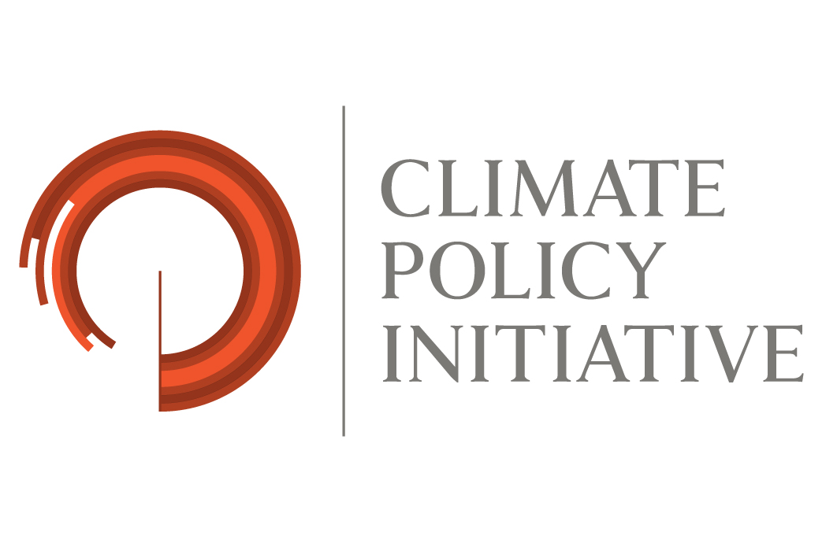
 |  | Global Landscape of Climate Finance 2021 Data Methodological Note and Instructions

 | Please, contact the following should you need any assistance or clarification: Jake Connolly email: jake.connolly@cpiglobal.org Baysa Naran email: baysa.naran@cpiglobal.org

 | Global Landscape of Climate Finance 2021 Aggegated Data
 | This data download provides aggregated figures produced from CPI's Climate Landscape of Climate Finance Database. The data is provided across geographical regions for Climate Finance 'Uses' and 'Instruments' (see further below for definitions).
 | For more information on the methodology used by CPI to compile Global Landscape for Climate Finance, please see [link]
 | Column Definitions
 | Actor Level 1 | Category for whether institution providing finance is public or private.
 | Actor Level 2 | Category identifying the specific type of institution providing finance.
 | Use | Refers to classification of financing by Mitigation, Adaptation and Multiple Objectives. Definitions for these are provided in detail below.
 | Instrument | Category identifying the financial instrument used to provide finance, including multiple types of debt, equity, and grant financing. Definitions for these are provided in detail below.

 | Definition and eligibility criteria

 | Climate Change Mitigation |  |  |  | Source

 | Definition | An activity classifies as 'climate change mitigation' if it: - contributes to reducing or avoiding greenhouse gas (GHG) emissions, or - enhances GHGs sequestration through the enhancement of sinks and reservoirs. This comprises a range of activities from information and knowledge generation, to capacity development, planning, and the implementation of climate change mitigation actions/investments. |  |  | Based on: - Handbook on the OECD-DAC Rio Markers for Climate Change (September 2011) - Joint MDB approach for the type of activity captured (i.e. projects or projects components, sub-components or elements within projects that provide mitigation and/or adaptation co-benefits (rather than the entire project cost)).
 | Eligibility criteria | To be qualified as 'climate change mitigation', an activity - projects or projects components, sub-components or elements - has to contribute to: a) the mitigation of climate change by limiting anthropogenic emissions of GHGs, including gases regulated by the Montreal Protocol; or b) the protection and/or enhancement of GHG sinks and reservoirs; or c) the integration of climate change concerns with the recipient countries’ development objectives through institution building, capacity development, strengthening the regulatory and policy framework or research (excluding R&D for manufacturing of technologies).
 |  | The category excludes investment in manufacturing for the production of renewable energy technologies e.g. wind turbines. |  |  | CPI operational definition

 | Climate Change Adaptation |  |  |  | Source

 | Definition | An activity classifies as 'climate change adaptation' if it aims to reduce the vulnerability of human or natural systems to the impacts of climate change and climate-related risks, by maintaining or increasing adaptive capacity and resilience. This comprises a range of activities from information and knowledge generation, to capacity development, planning, and the implementation of climate change adaptation actions/investments. |  |  | Based on: - Handbook on the OECD-DAC Climate Markers (September 2011) - Joint MDB approach for the type of activity captured (i.e. projects or projects components, sub-components or elements within projects that provide mitigation and/or adaptation co-benefits (rather than the entire project cost)). - AFD climate finance tracking method 2012 for eligibility criteria
 | Eligibility criteria | To be qualified as 'climate change adaptation' an activity - projects or projects components, sub-components or elements - has to demonstrate that it can contribute to addressing the specific vulnerabilities to climate change and climate-related risk relevant to the project and its context/location by: a) Setting out the context of climate vulnerability using a robust evidence-base (e.g. via vulnerability assessment analysis carried out as part of project preparation or existing studies); b) Making an explicit statement of intent to address climate vulnerability as part of the project; c) Framing a clear and direct link between the climate vulnerability context and the specific project activities: i.e. through e.g. an analysis of the activities planned by the project in the light of a positive list of actions that can contribute to reducing vulnerability, or to strengthening the resilience of communities, goods or ecosystems to climate change.

 | Please note: projects with both mitigation and adaptation benefits are to be placed in the dedicated category (so-called "dual benefits")

 | Definition of financial instruments

 | Grants | Transfers made in cash, goods or services for which no repayment is required
 | Project Level Debt | A debt evidenced by a note which specifies, in particular, the principal amount, interest rate, and date of repayment
 | - of which low-cost | Loans extended at terms preferable to those prevailing on the market. This category can also include concessional and ODA loans i.e. loans extended on terms substantially more generous than market loans. The concessionality can be achieved either through interest rates below those prevailing on the market or longer maturity or grace periods, or a combination of those. Concessional loans typically have long grace periods. According to the OECD, the 'grant element' of ODA loans is of at least 25%.
 | - of which market rate | Loans extended at regular market conditions
 | Project Level Equity | A stock or any other security representing an ownership interest
 | Balance sheet financing | Direct debt or equity investment by a company or financial institution

 | Definition of Actor Type 1
 | Recipients are the ultimate or intermediate entities receiving your institution's climate finance. According to their ownership structure, we distinguish between:
 | Public recipients | Refer to publicly-owned entities and public administrations. Examples include international organizations such as bilateral or multilateral agencies like DANIDA or UNEP; national or sub-national government entities, line ministries, municipalities, etc.
 | Private recipients | Refer to privately-owned companies (including finance institutions, privately owned Special Purpose Vehicles, Non-governmental organizations), etc.
 | Public-Private recipients | Refer to public-private partnerships, companies that are both publicly and privately owned, including projects Special Purpose Vehicles, etc.

 | Definition of Actor Type 2
 | CommercialFI | Providers of private debt capital (and occasionally other instruments), including commercial and investment banks;
 | Corporation | Corporations, which can have activities in the energy sector, in other sectors, or in both (e.g. a large water utility company installing both hydropower generation and water treatment facilities). This category merges project developers and corporate actors, two groups of investors kept distinct in Landscapes up until 2018.
 | Funds | Private equity, venture capital, and infrastructure funds
 | Households / Individuals | Family-level economic entities, which includes high-net-worth individuals and their intermediaries (e.g. family offices investing on their behalf);
 | Institutional Investors | Includes insurance companies, asset management firms, pension funds, foundations, and endowments;
 | Government | These include:Bilateral climate-related development finance reported to the OECD-DAC Creditor Reporting System (OECD, 2021b) to track Official Development Assistance (ODA) and Other Official Flows (OOF) in 2021 AND Domestic financing through public budgets carried out by central, state, or local governments and their agencies.
 | Multilateral Climate Funds | We include commitments from DFIs’ own resources only and exclude the following: external resources that DFIs manage on behalf of third parties; governments’ contributions to DFIs or Climate Funds; bilateral Climate Funds’ commitments; DFIs’ contributions to projects reported in BNEF (2021a) to avoid double counting.
 | Multilateral DFI | Development Finance Institutions chartered by multiple countries
 | National DFI | Development Finance Institutions where a single country owns the institution and finance is directed domestically. They are distinct from State Owned FIs in that they have a specific development mandate in their operations
 | SOE | We classify institutions as state-owned if they are at least majority owned by a government or government agency
 | State Owned FI | We classify institutions as state-owned if they are at least majority owned by a government or government agency

 | Distribution of climate finance by geography: definition of regions, countries, territories
 | Please, categorize financial flows as per the following regions.

 | Middle East and North Africa | Sub-Saharan Africa | South Asia | East Asia and Pacific | Central Asia and Eastern Europe | Latin America & the Caribbean | Western Europe | US & Canada | Other Oceania | Transregional
 | Algeria | Angola | Afghanistan | American Samoa | Armenia | Anguilla | Andorra | Bermuda | Australia | Financial resources channeled to more than one country/region
 | Bahrain | Benin | Bangladesh | Brunei | Azerbaijan | Antigua and Barbuda | Austria | Canada | British Indian Ocean Territory
 | Egypt | Botswana | Bhutan | Cambodia | Belarus | Argentina | Belgium | United States of America | Christmas Island
 | Iraq | Burkina Faso | India | China | Bosnia and Herzegovina | Aruba | Czech Republic |  | Cocos (Keeling) Islands
 | Islamic Republic of Iran | Burundi | Maldives | Cook Islands | Bulgaria | Bahamas | Denmark |  | French Polynesia
 | Israel | Cameroon | Nepal | Democratic People's Republic of Korea | Croatia | Barbados | Finland |  | French Southern Territories
 | Jordan | Cabo Verde | Pakistan | Fiji | Cyprus | Belize | France |  | New Caledonia
 | Kuwait | Central African Republic | Sri Lanka | Guam | Georgia | Bolivia (Plurinational State of) | Germany |  | New Zealand
 | Lebanon | Chad |  | Indonesia | Hungary | Bonaire | Greece |  | Norfolk Island
 | Libya | Comoros |  | Kiribati | Kazakhstan | Brazil | Iceland |  | Northern Mariana Islands
 | Morocco | Republic of Congo |  | Lao PDR | Kosovo | British Virgin Islands | Ireland |  | Pitcairn
 | Oman | Democratic Republic of the Congo |  | Macau | Kyrgyz Republic | Cayman Islands | Italy |  | Tokelau
 | Qatar | Côte d'Ivoire |  | Malaysia | Latvia | Chile | Liechtenstein
 | Saudi Arabia | Djibouti |  | Marshall Islands | Lithuania | Colombia | Luxembourg
 | State of Palestine | Equatorial Guinea |  | Fed. States Micronesia | Montenegro | Costa Rica | Malta
 | Syrian Arab Republic | Eritrea |  | Mongolia | North Macedonia | Cuba | Monaco
 | Tunisia | Eswatini |  | Myanmar | Republic of Moldova | Curaçao | Netherlands
 | United Arab Emirates | Ethiopia |  | Nauru | Romania | Dominica | Norway
 | Yemen | Gabon |  | Niue | Russian Federation | Dominican Republic | Portugal
 |  | Gambia |  | Palau | Serbia | Ecuador | San Marino
 |  | Ghana |  | Papua New Guinea | Tajikistan | El Salvador | Slovenia
 |  | Guinea |  | Philippines | Turkey | Falkland Islands | Spain
 |  | Guinea-Bissau |  | Republic of Korea | Turkmenistan | French Guiana | Sweden
 |  | Kenya |  | Samoa | Ukraine | Grenada | Switzerland
 |  | Lesotho |  | Singapore | Uzbekistan | Guadeloupe | United Kingdom
 |  | Liberia |  | Solomon Islands | Albania | Guatemala | Vatican City
 |  | Madagascar |  | Taiwan | Estonia | Guyana
 |  | Malawi |  | Thailand | Poland | Haiti
 |  | Mali |  | Timor-Leste | Slovakia | Honduras
 |  | Mauritania |  | Tonga | Turkey | Jamaica
 |  | Mauritius |  | Tuvalu |  | Martinique
 |  | Mayotte |  | Vanuatu |  | Mexico
 |  | Mozambique |  | Vietnam |  | Montserrat
 |  | Namibia |  |  |  | Nicaragua
 |  | Niger |  |  |  | Panama
 |  | Nigeria |  |  |  | Paraguay
 |  | Réunion |  |  |  | Peru
 |  | Rwanda |  |  |  | Puerto Rico
 |  | São Tomé and Principe |  |  |  | Saint Eustatius and Saba
 |  | Saint Helena |  |  |  | Saint Martin
 |  | Senegal |  |  |  | St. Barthélemy
 |  | Seychelles |  |  |  | St. Kitts and Nevis
 |  | Sierra Leone |  |  |  | St. Lucia
 |  | Somalia |  |  |  | St. Vincent and Grenadines
 |  | South Africa |  |  |  | Suriname
 |  | South Sudan |  |  |  | Trinidad and Tobago
 |  | Sudan |  |  |  | Turks and Caicos Islands
 |  | United Republic of Tanzania |  |  |  | Uruguay
 |  | Togo |  |  |  | US Virgin Islands
 |  | Uganda |  |  |  | Venezuela (Bolivarian Republic of)
 |  | Zambia |  |  |  | West Indies
 |  | Zimbabwe

 | Sources and notes:
 | Adapted from IDFC (2014) "Mapping of Green Finance Delivered by IDFC Members in 2013" and AfDB et al. (2015, 2014) "2014 - Joint Report on Multilateral Development Banks’ Climate Finance"; "Joint Report on MDB Climate Finance 2013" and World Bank http://data.worldbank.org/about/country-classifications/country-and-lending-groups#East_Asia_and_Pacific
 | (*) Committments, as opposed to disbursement, represent a firm obligation, expressed in writing and backed by the necessary funds to provide specified assistance/financing to a project, recipient country, or any other partner organization. Financial resources committed record the full amount of expected transfer, irrespective of the time required for the completion of disbursement.
 | OECD Glossary of Statistical Terms at: https://stats.oecd.org/glossary/index.htm
 | For adaptation, in the overall Landscape, CPI's operational definition is not limited to the one used in this survey, as it includes also the data captured in the OECD-CRS database, and therefore aligned with the evolving OECD-DAC definition of the adaptation Rio marker.

