LEONARDO 5.5
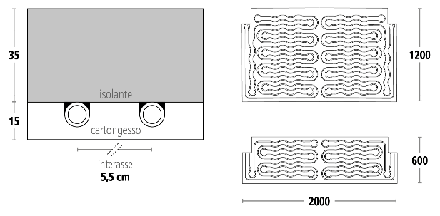
LEONARDO 5.5 system
 |  |  | Total thickness: 50 mm
 |  |  |  | Insulation: Graphite sintered PES (35m)
 |  |  |  | Plasterboard: Classic and Hydro (15mm)
 |  |  | Pipe diameter: Midix plus 10x1.3mm
 |  |  | Step: 5.5 cm
 |  |  | Weight: 15.7 kg/mq; hydro 16.4 kg/mq
 |  |  | Collector type: SL1

Results

Heating
Active Area | Totale Area | % coverage | Panels 200x120 | Panels 200x60 | Lines number | Collectors number | Max Pressure Loss mbar | Tamb °C | Tm °C | DeltaT °C | Tsup. °C | Q,resa W | Q,tot W | Total heating flow (kg/h) | Water volume (L)
100.0 | 140.0 | 71% |  |  | 14 | 2 | 300 | 20 | 43 | 4 | 33 | 8500 | 9350 | 2297 | 129

Cooling
Active Area | Total Area | % coverage | Panels 200x120 | Panels 200x60 | Lines number | Collettors number | Max pressure loss mbar | Tamb °C | Tm °C | DeltaT °C | Tsup. °C | Q,resa W | Q,tot W | Total cooling flow (kg/h) | Water volume (L)
100.0 | 140.0 | 71% |  |  | 14 | 2 | 300 | 26 | 14 | 3 | 23 | 5180 | 5698 | 1960 | 129

LEONARDO 3.5
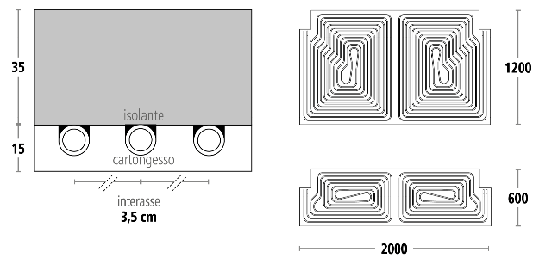
LEONARDO 3.5 system
 |  |  | Total thickness: 50 mm
 |  |  |  | Insulation: Graphite sintered PES (35m)
 |  |  |  | Plasterboard: Classic and Hydro (15mm)
 |  |  | Pipe diameter: Midix plus 10x1,3mm
 |  |  | Step: 3,5 cm
 |  |  | Weight: 15.8 kg/mq; hydro 16.5 kg/mq
 |  |  | Collector type: SL1

Results

Heating
Active Area | Total Area | % coverage | Panels 200x120 | Panels 200x60 | Lines number | Collettors number | Max pressure loss mbar | Tamb °C | Tm °C | DeltaT °C | Tsup. °C | Q,resa W | Q,tot W | Total heating flow (kg/h) | Water volume (L)
100.0 | 140.0 | 71% |  |  | 14 | 2 | 300 | 20 | 39.5 | 3.5 | 32.9 | 8420 | 9262 | 2276 | 158

Cooling
Active Area | Total Area | % coverage | Panels 200x120 | Panels 200x60 | Lines number | Collettors number | Max pressure loss mbar | Tamb °C | Tm °C | DeltaT °C | Tsup. °C | Q,resa W | Q,tot W | Total cooling flow (kg/h) | Water volume (L)
100.0 | 140.0 | 71% |  |  | 14 | 2 | 300 | 26 | 14 | 3 | 22 | 6480 | 7128 | 2043 | 158

LEONARDO 3.0 PLUS
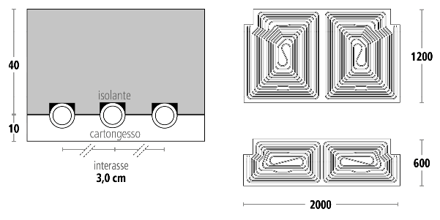
LEONARDO 3.0 PLUS system
 |  |  | Total thickness: 50 mm
 |  |  |  | Insulation: Graphite sintered PES (40m)
 |  |  |  | Plasterboard: Active Air Technology (10mm)
 |  |  | Pipe diameter: Midix plus 10x1.3mm
 |  |  | Step: 3 cm
 |  |  | Weight: 15 kg/mq
 |  |  | Collector type: SL1

Results

Heating
Active Area | Total Area | % coverage | Panels 200x120 | Panels 200x60 | Lines number | Collettors number | Max pressure loss mbar | Tamb °C | Tm °C | DeltaT °C | Tsup. °C | Q,resa W | Q,tot W | Total heating flow (kg/h) | Water volume (L)
100.0 | 140.0 | 71% |  |  | 14 | 2 | 300 | 20 | 37.5 | 3.5 | 32.7 | 8230 | 9053 | 2224 | 176

Cooling
Active area | Total Area | % coverage | Panels 200x120 | Panels 200x60 | Lines number | Collettors number | Max pressure loss mbar | Tamb °C | Tm °C | DeltaT °C | Tsup. °C | Q,resa W | Q,tot W | Total cooling flow (kg/h) | Water volume (L)
100.0 | 140.0 | 71% |  |  | 14 | 2 | 300 | 26 | 14 | 3.5 | 21 | 8090 | 8899 | 2187 | 176

