Sheet1
Reference: | https://playground.arduino.cc/Code/OneWireKeyPad

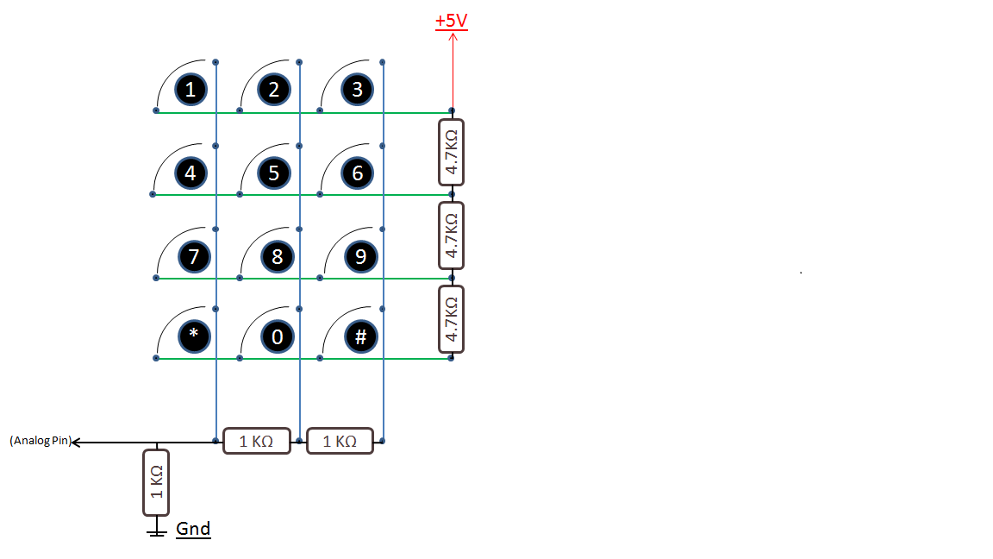
 |  |  |  |  | 5 | V
 |  | 5.00 | 2.50 | 1.67
 |  | 0.88 | 0.75 | 0.65 | 4700 | 4700
 |  | 0.48 | 0.44 | 0.40 | 4700
 |  | 0.33 | 0.31 | 0.29 | 4700
 | A0 |  | 1000 | 1000
 |  | 1000 |  | 1000

