uber
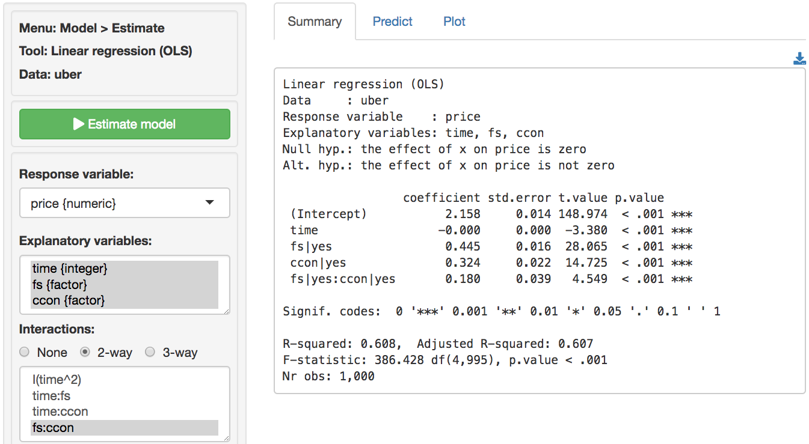
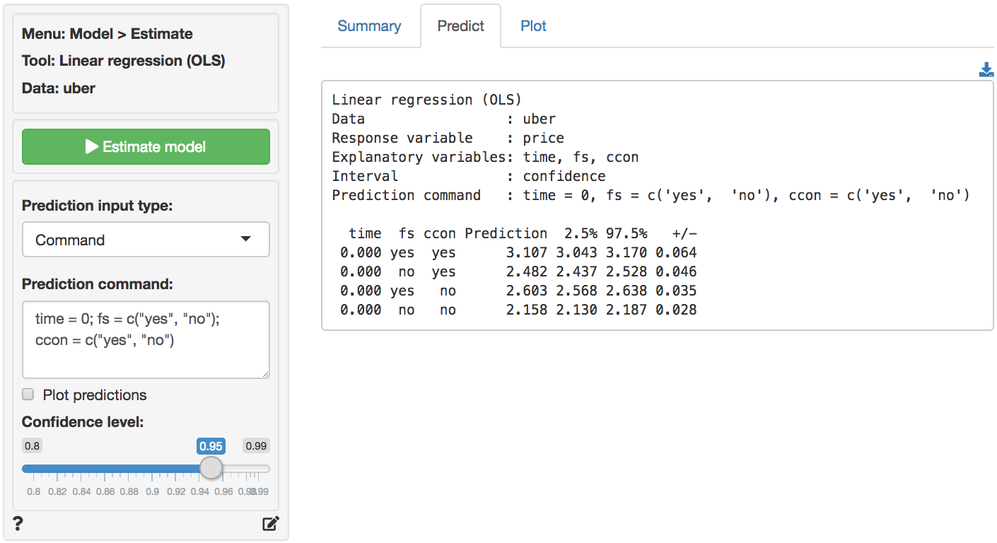
 | coefficient | std.error | t.value | p.value
(Intercept) | 2.158 | 0.014 | 148.974 | 0.000 | ***
time | 0.000 | 0.000 | -3.380 | 0.001 | ***
fs|yes | 0.445 | 0.016 | 28.065 | 0.000 | ***
ccon|yes | 0.324 | 0.022 | 14.725 | 0.000 | ***
fs|yes:ccon|yes | 0.180 | 0.039 | 4.549 | 0.000 | ***

 | Intercept | fs|yes | ccon|yes | fs|yes * ccon|yes
FS, Comic-Con | 1 | 1 | 1 | 1
Not FS, Comic-Con | 1 | 0 | 1 | 0
FS, Not Comic-Con | 1 | 1 | 0 | 0
Not FS, Not Comic-Con | 1 | 0 | 0 | 0

 | 8pm | 10pm | 12am
time | 0 | 120 | 240
FS, Comic-Con | $3.107 | $3.068 | $3.029
Not FS, Comic-Con | $2.482 | $2.444 | $2.405
FS, Not Comic-Con | $2.603 | $2.564 | $2.525
Not FS, Not Comic-Con | $2.158 | $2.120 | $2.081

FS effect, Comic-Con | $0.624 | $0.624 | $0.624
FS effect, Not Comic-Con | $0.445 | $0.445 | $0.445

Approach 1 to calcuate comparisons
 | Compare to FS, Comic-Con | Compare to Not FS, Comic-Con | Compare to FS, Not Comic-Con | Compare to Not FS, Not Comic-Con
FS, Comic-Con | - | 0.624 | 0.504 | 0.948
Not FS, Comic-Con | -0.624 | - | -0.120 | 0.324
FS, Not Comic-Con | -0.504 | 0.120 | - | 0.445
Not FS, Not Comic-Con | -0.948 | -0.324 | -0.445 | -

Approach 2 to calcuate comparisons
 | Compare to FS, Comic-Con | Compare to Not FS, Comic-Con | Compare to FS, Not Comic-Con | Compare to Not FS, Not Comic-Con
FS, Comic-Con | - | 0.624 | 0.504 | 0.948
Not FS, Comic-Con | -0.624 | - | -0.120 | 0.324
FS, Not Comic-Con | -0.504 | 0.120 | - | 0.445
Not FS, Not Comic-Con | -0.948 | -0.324 | -0.445 | -

uber full
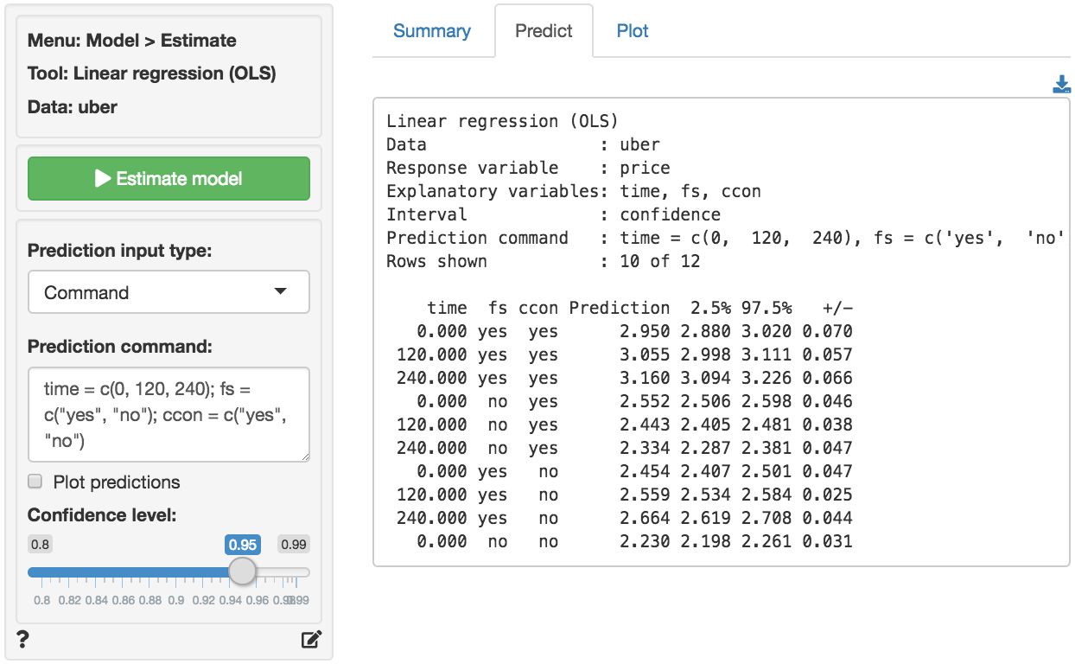
 |  | coefficient | std.error | t.value | p.value
 | (Intercept) | 2.230 | 0.016 | 139.502 | 0.000 | ***
 | time | -0.001 | 0.000 | -8.098 | 0.000 | ***
 | fs|yes | 0.224 | 0.029 | 7.843 | 0.000 | ***
 | ccon|yes | 0.322 | 0.021 | 15.221 | 0.000 | ***
 | time:fs|yes | 0.002 | 0.000 | 9.103 | 0.000 | ***
 | fs|yes:ccon|yes | 0.174 | 0.038 | 4.585 | 0.000 | ***

 |  | Intercept | fs|yes | ccon|yes | fs|yes * ccon|yes | time * fs|yes
8pm | FS, Comic-Con | 1 | 1 | 1 | 1 | 0
8pm | Not FS, Comic-Con | 1 | 0 | 1 | 0 | 0
8pm | FS, Not Comic-Con | 1 | 1 | 0 | 0 | 0
8pm | Not FS, Not Comic-Con | 1 | 0 | 0 | 0 | 0

 |  | Intercept | fs|yes | ccon|yes | fs|yes * ccon|yes | time * fs|yes
10pm | FS, Comic-Con | 1 | 1 | 1 | 1 | 120
10pm | Not FS, Comic-Con | 1 | 0 | 1 | 0 | 0
10pm | FS, Not Comic-Con | 1 | 1 | 0 | 0 | 120
10pm | Not FS, Not Comic-Con | 1 | 0 | 0 | 0 | 0

 |  | Intercept | fs|yes | ccon|yes | fs|yes * ccon|yes | time * fs|yes
12am | FS, Comic-Con | 1 | 1 | 1 | 1 | 240
12am | Not FS, Comic-Con | 1 | 0 | 1 | 0 | 0
12am | FS, Not Comic-Con | 1 | 1 | 0 | 0 | 240
12am | Not FS, Not Comic-Con | 1 | 0 | 0 | 0 | 0

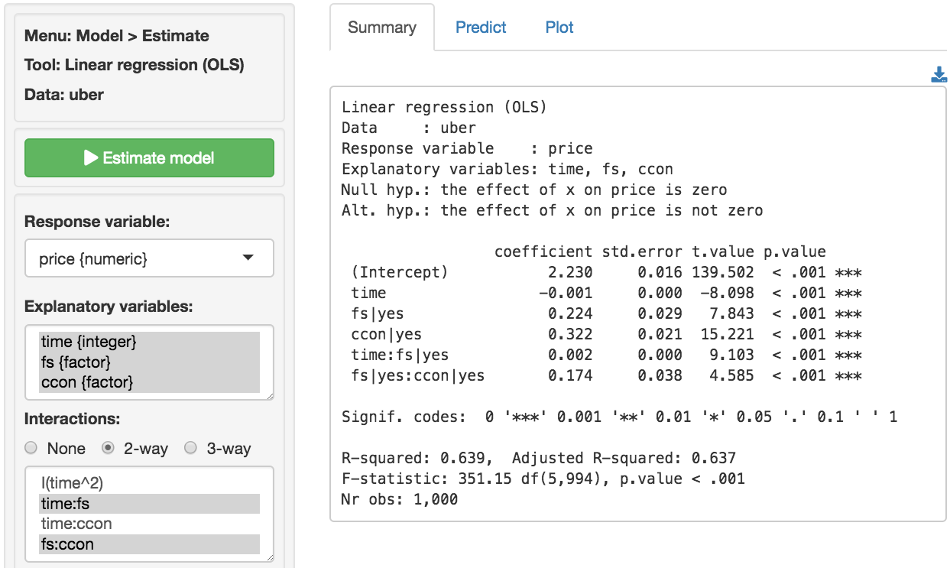

 |  | 8pm | 10pm | 12am
 | time | 0 | 120 | 240
 | FS, Comic-Con | $2.950 | $3.055 | $3.160
 | Not FS, Comic-Con | $2.552 | $2.443 | $2.334
 | FS, Not Comic-Con | $2.454 | $2.559 | $2.664
 | Not FS, Not Comic-Con | $2.230 | $2.121 | $2.012

 | FS effect, Comic-Con | $0.398 | $0.612 | $0.826
 | FS effect, Not Comic-Con | $0.224 | $0.438 | $0.652

 | Three-way interaction? | $0.174 | $0.174 | $0.174

facebook (2)
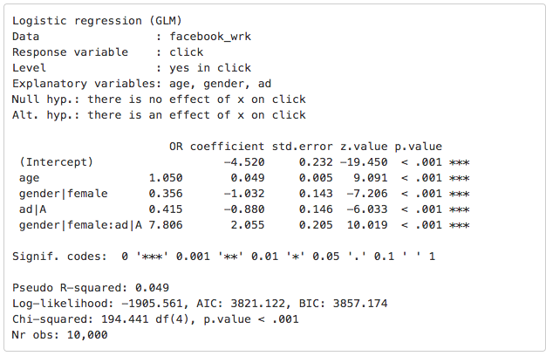
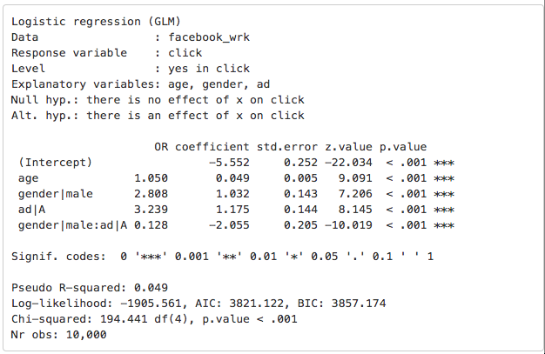
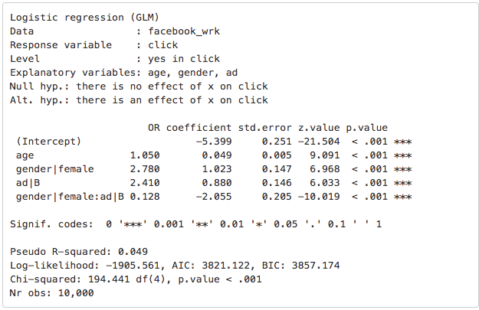
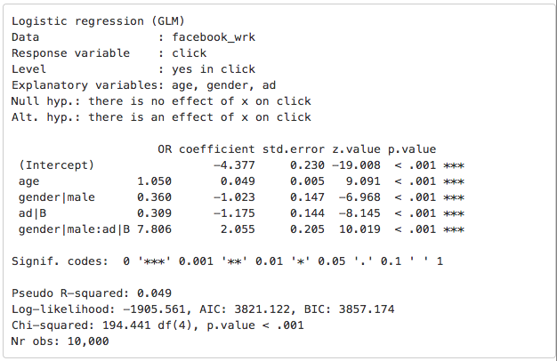
male, ad|A as the base
 | OR | coefficient | std.error | z.value | p.value |  | male, ad|A as the base | female, ad|A as the base
(Intercept) | 0.000 | -5.399 | 0.251 | -21.504 | 0.000 | ***
gender|female | 0.358 | 1.023 | 0.147 | 6.968 | 0.000 | ***
ad|A | 0.406 | 0.880 | 0.146 | 6.033 | 0.000 | ***
gender|female:ad|A | 7.761 | -2.055 | 0.205 | -10.019 | 0.000 | ***

 | female | ad|A | female * ad|A
male ad|A | 0 | 1 | 0 | ad|A
male ad|B | 0 | 0 | 0
female ad|A | 1 | 1 | 1 | gender|female * ad|A * gender|female:ad|A
female ad|B | 1 | 0 | 0 | gender|female

Using Odds Ratios (approach 1)
 | Compare to male ad|A | Compare to male ad|B | Compare to female ad|A | Compare to female ad|B
male ad|A | - | 2.463 | 2.793 | 0.886 | 1.128045828
male ad|B | 0.406 | - | 1.134 | 0.360
female ad|A | 0.358 | 0.882 | - | 0.317
female ad|B | 1.128 | 2.778 | 3.151 | -

Using Odds Ratios (approach 2)
 | Compare to male ad|A | Compare to male ad|B | Compare to female ad|A | Compare to female ad|B
male ad|A | 0.406 | 1.000 | 1.134 | 0.360
male ad|B | 1.000 | 2.463 | 2.793 | 0.886
female ad|A | 1.128 | 2.778 | 3.151 | 1.000
female ad|B | 0.358 | 0.882 | 1.000 | 0.317

