Read me
The Tester | Version E2.4.0
The Test Case Generator (Tester) supports the testing of the tax calculation, resulting from the successful capture of
a 2024-25 Main Tax Return (MTR), and can be used in 3 ways.

1. As a stand-alone tax calculator.
Select the sheets on 'Add pages' that correspond to questions on the Return.
The sheets for the core Return (INC(1), INC(2) and REL) are always visible, others appear when selected.
Enter, the sub-set of Return data required by the tax calculation and
press the 'Calculate Now' button on 'Add pages' to reveal the outputs (see below).
Note: The ‘Reset calculation’ button on the 'Add pages' sheet should used between tests to avoid residual entries
corrupting the expected results.

2. As a test case generator.
The Tester can auto-populate the input sheets from a number of pre-fabricated test components (see below).
These components can be selected on the 'Selector' and 'More Select' sheets, and the 'Test this case' button will
generate outputs (see below) based on the selection.
The 'Clear selection' button will remove all data from the 'Selector' and 'More Select' sheets, and resets
input sheets and calculation.

3. As a database of business specified test cases (see below). These are pre-defined full test cases.
Each case is numbered and can be selected by inputting the case number in the box
marked ‘Select test case number to be replayed’ on the 'Test Case index' sheet.
The selected test case can be activated by pressing 'Replay selected case' button on the 'Test Case index' sheet.
This auto-populates the input sheets from the test components that make up the test case, and generates outputs
(see below) based on the selection.

The 'Test case' sheet
When the TCG is used in modes 2 or 3 it will pull together all the data needed for a full Tax Return.
The data appear on the 'Test case' sheet (to the right of the 'Add pages' sheet).
It is important to note that there are differences between the test case and the components used to create it.
Most of the data is supplied by the test components, but some are modified, either to add boxes that are dependant
on other components/data selected, or remove inconstistancies in the selection.
(See 'Adjustments made to produce more realistic cases' for more detail.)

About test components
The Tester is based on a number of pre-fabricated components.
Each component relates to a question or part question on the Main Tax Return.
There are a number of instances of each component, giving a variety of valid MTR entries.

Component | Description | Instances | Worksheet
INC-A | Income boxes INC1 to INC6 (Interest and Dividends) | 15 | C0
INC-B | Income boxes INC7 to INC14 (UK pensions etc. received) | 11 | C0
INC-C | Income boxes INC15 to INC19 (Other UK income) | 6 | C0
REL-A | Tax reliefs boxes REL1 to REL4 (Pension contributions) | 7 | C0
REL-B | Tax reliefs boxes REL5 to REL10 (Charitable giving) | 8 | C0
REL-C | Tax reliefs boxes REL11 to REL14 (Blind Person's Allowance) | 2 | C0
SLR | Student Loans | 6 | C0
CBC | Child Benefit payments | 4 | C0
MAT | Marriage Allowance Transfer | 4 | C0
AOI-A | Additional Information boxes AOI1 to AOI3 (Interest from UK securities) | 3 | C1
AOI-B | Additional Information boxes AOI4 to AOI11 (Life insurance gains) | 9 | C1
AOI-C | Additional Information boxes AOI12 to AOI15 (Stock dividends etc.) | 5 | C1
ASE-A | Additional Information boxes ASE1 to ASE2 (Share schemes) | 3 | C1
ASE-B | Additional Information boxes ASE3 to ASE10 (Lump sum payments) | 3 | C1
ASE-C | Additional Information boxes ASE11 to ASE15 (Other deductions) | 4 | C1
AOR | Additional Information boxes AOR1 to AOR10 (Other tax reliefs) | 10 | C1
MCA | Additional Information boxes MCA1 to MCA11 (Married Couple's Allowance) | 9 | C1
AIL | Additional Information boxes AIL1 to AIL19 (Other Information) | 11 | C1
EMP | Employment | 11 | C2
MOR | Ministers of religion | 6 | C2
SSE | Short self-employment (excluding class 4 NIC) | 8 | C3
FSE | Full self-employment (excluding class 4 NIC) | 9 | C3
LUN | Lloyd's underwriters (excluding class 4 NIC) | 7 | C3
SPS | Short partnership income (excluding class 4 NIC) | 6 | C4
FPS | Full partnership income (excluding class 4 NIC) | 8 | C4
PRO | Income from property | 10 | C5
FOR | Foreign income (excluding Foreign Tax Credit Relief - box FOR2) | 8 | C6
TRU | Trust income | 4 | C7
CGT | Capital gains | 9 | C8
NRD | Residence, Remittance Basis etc. | 10 | C9
CAL | Tax calculation summary | 18 | C8C9C10
NI2 | Class 2 NIC | 2 | C8C9C10
NI1 | Class 1 NIC | 2 | C8C9C10

Instances of different components can be selected together to produce complete test cases.
In addition to selecting different components, multiple instances of some components can be selected.
(Up to 2 employments, 2 self-employments (1 short & 1 full) and 2 partnerships (1 short & 1 full) .)
Some questions on the core Tax Return and Additional Information pages would require a large number
of components, so have been split (into A, B & C ranges). These can be selected individually or together.
[Whilst all the combinations of components that can be selected will be ‘valid’ in terms of the system, not all will
be ‘realistic’. The generator makes some adjustments to make the case more realistic, but they aren’t
comprehensive.]
The components can be viewed at any time using the ‘Show/Hide Components’ button on the ‘Test’
and ‘More test’ worksheets.

The business specified test cases
Version E2.4.0 of the 2024-25 test case generator has a built in database of 273 test cases.
Details of these can be found on the ‘Test Case index’ worksheet.
Each case is numbered and can be selected by inputting the case number in the box marked
Select test case number to be replayed’. [N.B. After the case number is entered press the 'Enter' key.]
The selected test case can be activated by pressing 'Replay selected case' button on the 'Test case index' sheet.
This auto-populates the input sheets from the test components that make up the test case, and generates outputs
(see below) based on the selection.
Test cases 1 to 25 use identical data to STR test cases 1 to 25, and should produce identical results.

Recording new test cases
New test cases can be quickly added to the existing business test cases.
All new cases will comply with the business validation rules, but may not 'realistic' examples of actual MTRs.
To create a new test case:
 | 1. Select the required components on the 'Selector' and 'More Select' sheets
 | 2. Select any required ‘case variable data’ (e.g. date of birth - see note a).
 | 3. Press the ‘Test this case’ button.
 | 4. Press the 'Record this case' button on the 'Selector' and 'More Select' sheets

The summary of test components and case specific data needed to re-run this case will be stored in the next
vacant row on the Test Case index' sheet. Once the case is stored it can be 'replayed' as any other test
case.
Note a: The test case generator does not have true date processing capability. There are 5 pre-set dates of birth
and these are the only dates the spreadsheet will recognise.

Amending test cases
Test case data will remain in the input sheets until the ‘Reset calculation’ button on the ‘Add pages’ sheet is
pressed. That data can be amended, by going to the input sheet and over-typing the box entries.
The 'Calculate Now' button on the 'Add pages' sheet will cause certain outputs to be regenerated using the
amended figures.
Note: Where components are being used, amending the input sheets will not change the figures on the
component. The 'test case' sheet is generated from components and will not show the amended figures.
If the test case is recorded the original figures (not amendments) will be stored.
'Test this case' will remove the amendments and restore the original figures.

Outputs from the Tester
Whatever mode the Tester is used in, the following worksheets are always produced:

SA302 - This is the tax calculation formatted in the style of pages 3/4 of form SA302

Liability - SA110 boxes CAL1 to CAL8

Additionally, when components are used, the following worksheets appear:

Test case - This combines all the data from the selected components into a complete 'MTR'.

The identities of components used appear on all outputs.
All output sheets appear between the 'Add pages' and 'INC(1)' worksheets.

Adjustments made to produce more realistic cases
1. On the ‘More select’ worksheet there is a tick box to indicate the taxpayer is exempt from paying Class 4 NIC.
This will be set to 'Y' automatically if the taxpayer is aged over 65 or is non-resident.
It will be ignored if no component SSE, FSE, LUN, SPS or FPS is selected.
2. The value for box FOR2 (Foreign Tax Credit Relief) is not stored in the FOR component. It is calculated for each
test case that uses this component.
3. Coded underpayment will be ignored if the is no PAYE source (EMP or MOR) selected.

Problem & query reporting
If you have a problem or query you want to refer to HMRC CDIO please quote the
case number (if it involves a business supplied test case) or the components used.

Accessing & Navigating SEES – SA Tax Calculator

Select the 'Additional Information' and 'Additional Pages' from the Return that are required.
Note that the National Insurance page does not equate to a Return page but should be completed
where Class 2 is payable or Class 1 paid affects Class 4 due
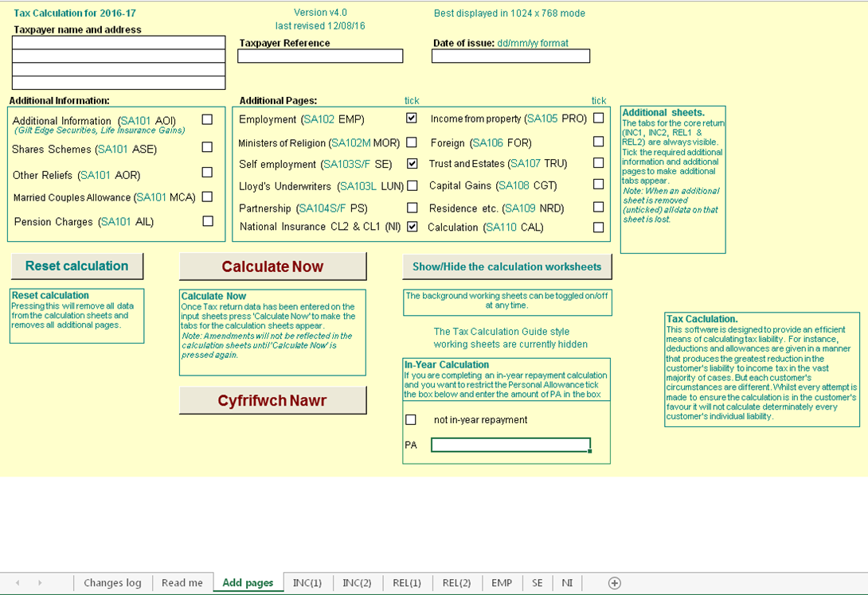
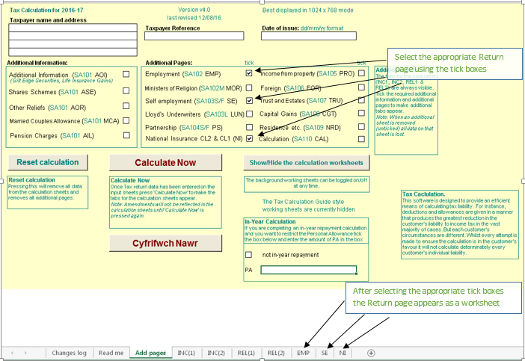

Insert the Return entries as shown below
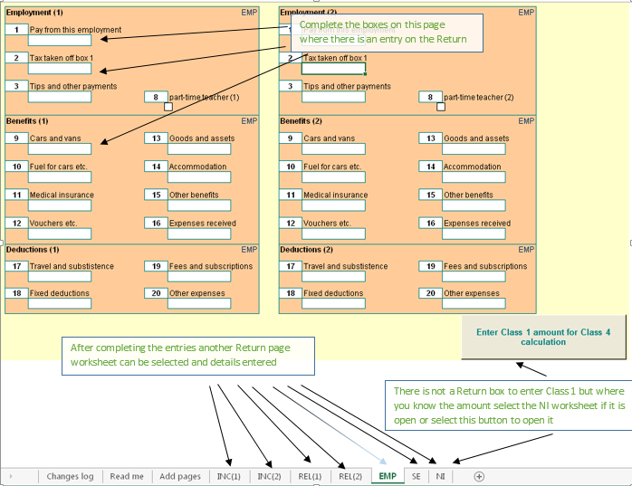

Complete all the Return pages and select 'Add pages'
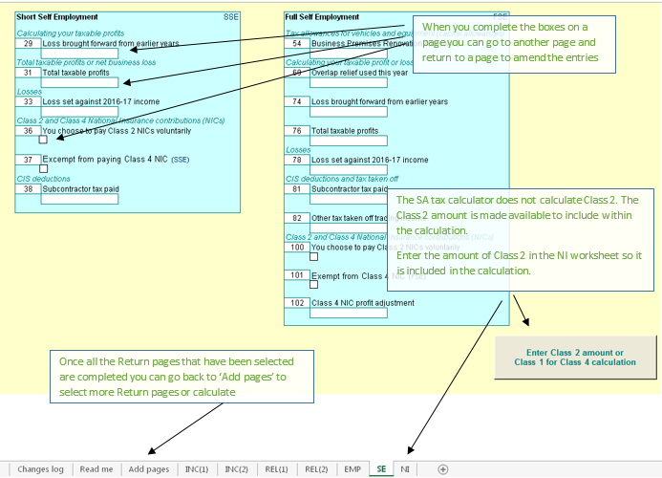

NI
The Class 2 Reg 21 calculation reduces Class 2 with reference to Class 1 Earnings. There are two new boxes within the 'NI' screen to help calculate the reduced amount when requested from a customer.

The deferment of Class 4 NIC has been removed from 2015-2016 onwards. There are two new boxes within the 'NI' screen in relation to Class 1 Earnings for the Reg100 Clas 4 calculation.

Class 2
Where a person is liable to pay Class 2 National Insurance contributions (NICs), Class 2 NICs are due for each contribution week or part of a week that a person was self-employed.
So, where a person was self-employed and liable to pay Class 2 NICs for part or all of one day in a week, liability arises for one week’s NICs due at the weekly flat rate.
A ‘contribution week’ is defined as a period of seven days beginning with midnight between Saturday and Sunday. The first day of the contribution week is Sunday and Saturday is the last.
The first week of the contribution year starts on the first Sunday after 5 April. Some contribution years will include 53 contribution weeks.

Class 4
Class 4 NI payable with income from employment and self-employment
Annual maximum of Class 4 contributions due under section 15 of the Act
100.—(1) Where for any year there are payable by or in respect of an earner Class 4 contributions under section 15 of the Act and also primary Class1 or Class2 contributions or both primary Class 1 or Class 2 contributions,
the liability of that earner for such Class 4 contributions for that year shall (without prejudice to his liability in the ﬁrst instance for the full amount payable apart from this regulation) not exceed such amount as, when added to
the amount of such other of those contributions as are ultimately payable by or in respect of him for that year, equals in value the sum of the amount which, but for the provisions of this regulation, would be payable by that earner
on proﬁts or gains equal to the higher of the two money sums speciﬁed in section 15(3) of the Act and, subject to the provisions of section 12 of the Act and regulations 63 to 65, 53 times the amount of a Class2 contribution payable for that year.
2) For the purpose only of determining the extent of an earner’s liability for Class 4 contributions under paragraph (1), the amount of any primary Class 1 contributions paid at less than the primary percentage speciﬁed in section 8(2) of the Act
shall be treated as equal to the amount of any primary Class 1 contributions payable at that percentage on the same amount of earnings.
So that a person with earnings from both an employment and self-employment does not pay considerably more NI than a person who has a similar level of earnings but from only one employment, the Class 4 NI payable is sometimes restricted.
The objective is to limit the self-employed profits charged at the main 9% rate to the employee-only equivalent, but still leave higher earnings charged at the uncapped 2% rate.

Class 1 Earnings

The two boxes in question are to be filled in if the customer has employment and is also self-employed. They are to be filled in as follows:

EMPCL1 Earnings from PT to UEL - These are earnings that appear in the column 1c from PT to UEL on the P60 (this was Column 1c + 1d up to 2015-16).
MORCL1 Earnings from PT to UEL - These are earnings that appear in the column 1c from PT to UEL on the P60 (this was Column 1c + 1d up to 2015-16).

From 2016-17 the P11ws and P60 were changed so that the columns for 1c and 1d are combined into one column that has earnings from PT to UEL.

On NPS > Employment > P14 Summary take the figures from column 1c and 1d
Enter the amounts in the EMPCL1/ and/or MORCL1/ boxes.

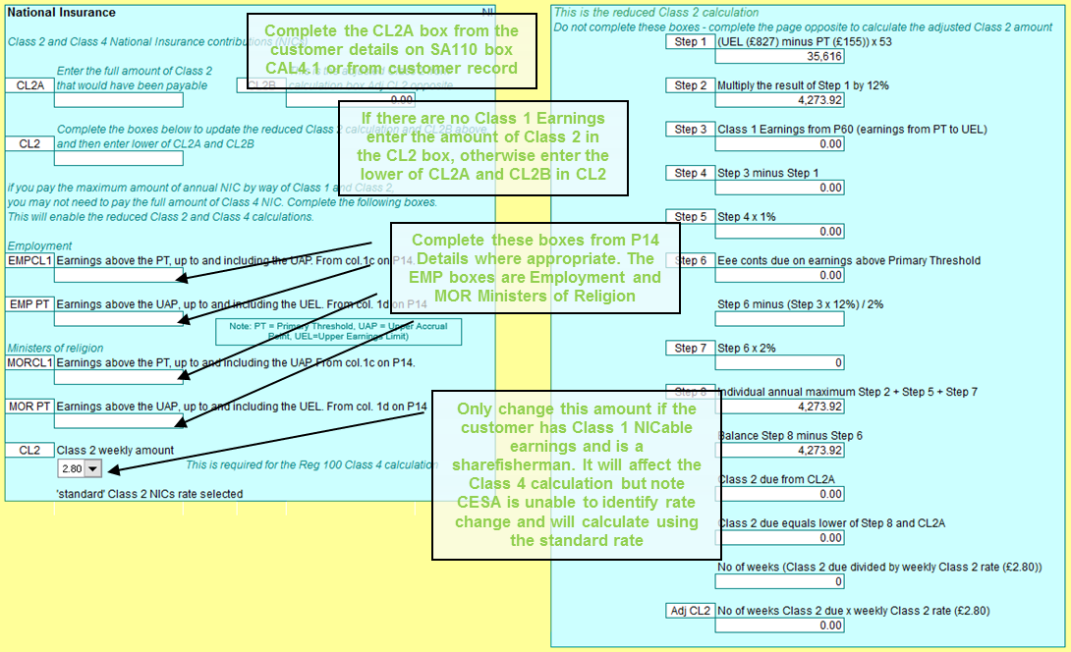

Select the 'Calculate Now' button to reveal the SA302 tax calculation
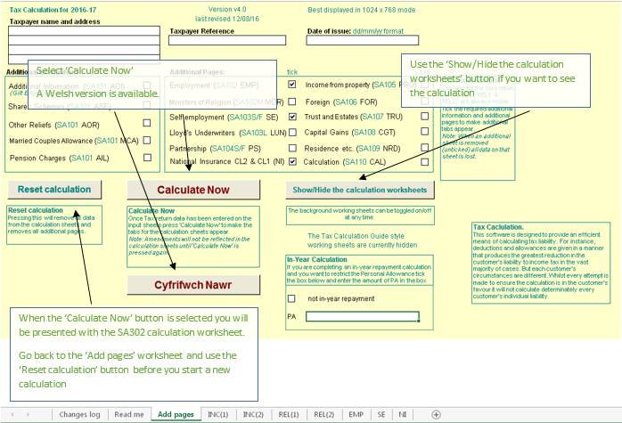

The SA302 Calculation – here you can see what the customers SA302 looks like based on the entries you have made
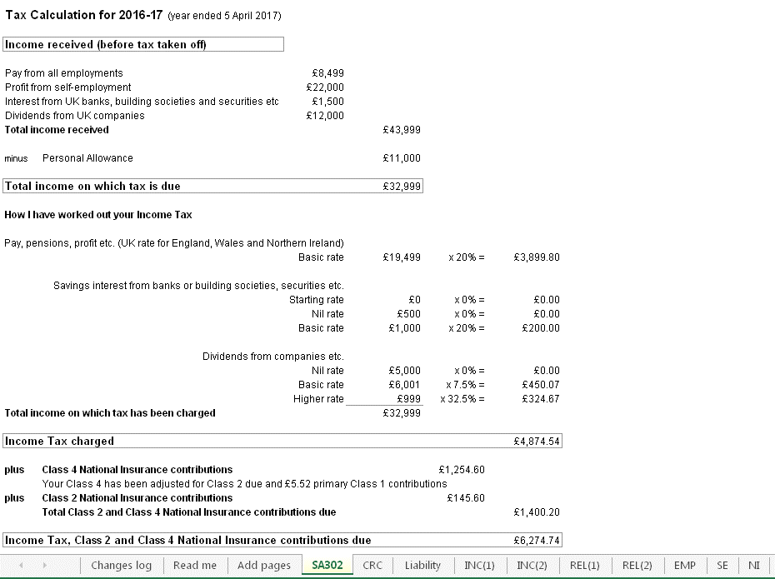

On the 'Add pages' worksheet select the Reset calculation button to clear all entries and close pages before
entering the details for another case

Things to note
Marriage Allowance Transfer
If the Transferor makes a claim on the return and not digitally, a relationship will be created on TBS, but it will not
trigger a digital claim. The fact that they are a Recipient will be stored in the background and when the Recipient
files their SA Return the credit will be given.
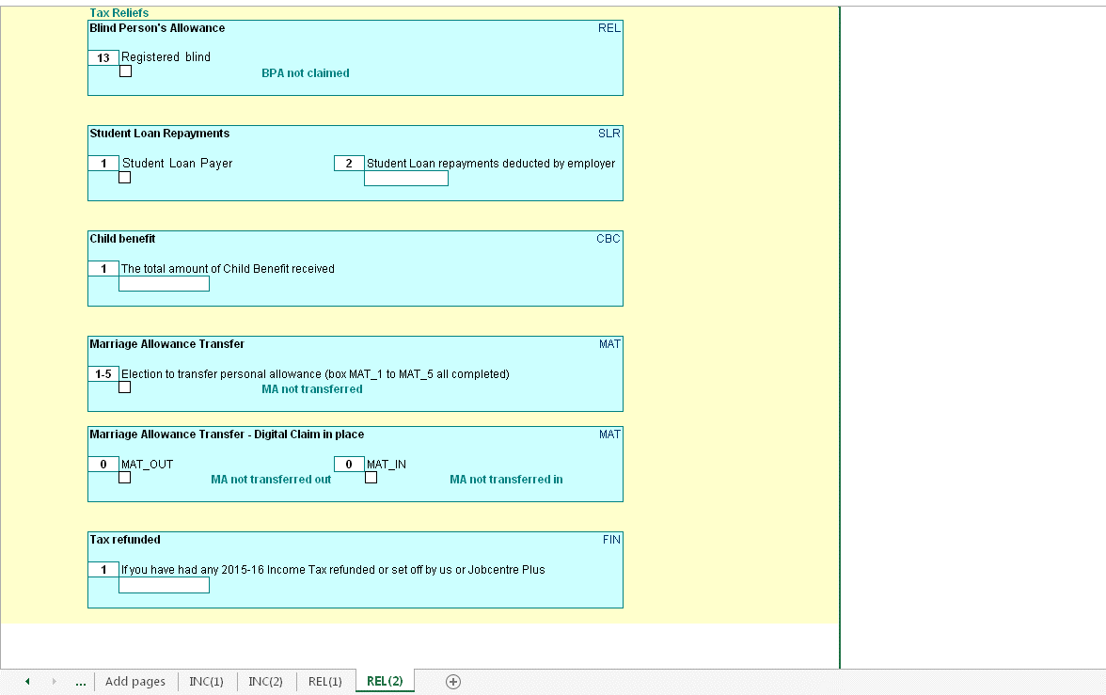

FTCR - see the guidance at
http://bg.inrev.gov.uk/tax/actionguides/40100/tax40072_main.htm
http://bg.inrev.gov.uk/tax/helpcards/tax50104.pdf

Non-resident calculation
Section 811 applies to taxpayers who are non-resident for the whole tax year. Certain sources of income (mostly investment income*) are ‘disregarded’. That is no more tax can be charged than has been deducted at source.
The disregarded income is removed from the tax calculation and only the tax deducted at source added to the liability computed on the non-disregarded income.
UK allowances are not given in the section 811 calculation, even if the taxpayer is entitled to claim them. The taxpayer can still claim tax deductions in the section 811 calculation. (Note: Maintenance and alimony payments are a deduction, not an allowance, so any relief claimed is still given in the section 811 calculation.)
As the use of section 811 is optional, two calculations are performed: 1) the ‘standard’ tax calculation including all income and any UK allowances due, 2) the section 811 calculation.
The results of the two calculations are compared and the calculation that produces the better result for the taxpayer is retained.

Income Tax Relief - Losses
The SA tax calculator follows the steps in s23 ITA 2007. Step 1 is to identify total income. Reliefs are deductible at step 2. HMRC introduced the term "limit on income tax reliefs" for step 2 deductions. This includes trade and property losses but there are other reliefs and deductions.
From 2015-16 changes were made to:
- calculate the limit on relief with the correct adjusted total income x 25% where more than £50,000.
- update the SA302 so it included the reliefs, including losses, in the 'income received' section and include them as "Income tax relief" in the 'minus' section below that. "Income tax relief" replaced both "Loan interest payments" and "Losses".
The change to ensure adjusted total income is calculated correctly presents the total income received for the year before losses brought forward from an earlier year and before losses ocurring in the year for other income. The SA302 adds back the brought forward losses to show the total profit for the year and then deducts them as income tax relief.
See Limit on Income Tax reliefs: HS204 Self Assessment helpsheet
https://www.gov.uk/government/publications/limit-on-income-tax-reliefs-hs204-self-assessment-helpsheet

Savings Income

From 06 April 2016 the Personal Savings Allowance (PSA) introduces a new 0% band for Income Tax on income from savings interest.

This will apply up to a maximum of

£1000 for basic rate customers (20%)
£500 for higher rate customers (40%)

- The PSA will not apply to savings income received by additional rate customers (45%).
- Income that is within an individual's savings allowance will still count towards their basic or higher rate limits.
- Higher/Additional rate income is income on which tax is charged, or would be but for the dividend nil rate.
- PSA is in addition to the starter savings rate which allows low income earners to receive up to £5,000 tax free savings interest.
- Interest from Individual Savings Accounts (ISAs) is already tax-free so this will not count towards the Personal Savings Allowance.
- PSA is not affected by the Scottish Rate of Income Tax and will be applied at the same rate for all taxpayers across the UK.
- PSA is affected by the £100 rule for children's savings and investments. If a parent's gift to a child exceeds this amount in any tax year it counts toward the parent's income for tax purposes.

Dividends

From April 2016 the Dividend Tax Credit will be abolished and a new £5,000 tax free allowance for dividend income will be introduced. This allowance will not reduce total income for tax purposes and will only apply to dividend income.
The new rates of tax on dividend income above the allowance will be:

7.5% for basic rate customers
32.5% for higher rate customers
38.1% for additional rate customers

- An allowance will be introduced so that everyone can receive up to £5,000 of dividend income, on top of any dividends received on shares held in an ISA. If a customer earns less than £5,000 of dividend they will not pay any tax.
- Dividend tax is in addition to and outside of ISA allowances.
- Dividend tax is not affected by the Scottish Rate of Income Tax and will be applied at the same rate for all taxpayers across the UK.
- No tax will be deducted at source; it will be paid through self-assessment.

Marriage Allowance Transfer
The Dividend Allowance nil rate is omitted when establishing the tax rate on income; the Personal Savings Allowance nil rate is applied when establishing the tax rate on income

Age related allowances

2016/17 - The age allowance ceases to exist.
The government froze age-related personal allowances in April 2013.In the 2015/16 tax year this was restricted to individuals born before 6 April 1938.
Individuals born on or after this date were entitled to the basic Personal Allowance instead. However, due to increases in the basic Personal Allowance, this is now the same for everyone, irrespective of when they were born.

Student Loan changes

From 6 April 2016 there will be 2 Student Loan thresholds known as Plan 1 and Plan 2. Previously there was only 1. Each plan will have a different threshold and employers will need to deduct student loan repayments using the appropriate plan type.

2017-18

Plan 1
The threshold will be £17,775 for employees who are :
· Scottish and Northern Irish students
· English and Welsh students who started their course before 1 September 2012

Plan 2
The threshold will be £21,000 for employees who are:
· English and Welsh students who started their course on or after 1 September 2012

Capital Gains tax
Each year, individuals have an annual exemption amount that allows them to receive some gains tax-free. Above this, you pay capital gains tax on all gains.

 | Capital gains tax in 2017/18
 | Annual exemption amount | £11,300 for individuals
 | Standard capital gains tax rate | 18% on residential property, 10% on other assets
 | Higher capital gains tax rate | 28% on residential property, 20% on other assets

Further Scottish Income Tax Powers
Who is a Scottish resident?
The Scottish rate is charged on the non-savings income of Scottish residents.
A Scottish taxpayer must first be a UK resident. A non-resident can never be a Scottish taxpayer. If someone has earnings subject to UK income tax, it will be at the UK rates.

Every member of the Scottish Parliament, every MP who represents a Scottish constituency and every MEP who represents Scotland is automatically taxed as a Scottish taxpayer, regardless of where they live.

Subject to the rule for politicians, a Scottish person not living in Scotland will not pay the Scottish rates. Liability is determined by residence and not nationality.

Having established UK residence, the next determinant is whether the taxpayer’s sole or main residence is in Scotland. If it is, they are a Scottish taxpayer.

Those who pay Scottish income tax
The UK basic, higher and additional rates, paid by Scottish taxpayers are reduced by 10% (10p in the pound).
The Scottish rate is then set annually by the Scottish Parliament at any value from 0% upwards in half pence units.
Scottish income tax applies to non-savings and non-dividend income
The personal allowance and thresholds and taxes on savings and dividends remain a UK ‘reserved’ matter
Capital Gains Tax (CGT) has not been devolved (nor NIC, IHT or corporation tax)

 | Scottish income tax rates 2017-18 | Scottish income tax bands 2017-18 |  | UK rate paid in Scotland | Scottish rate | Total rate for Scottish taxpayers
 | Scottish basic rate - 20% | £11,501 - £43,000 (£31,500) |  | 10% | 10% | 20%
 | Scottish higher rate - 40% | £43,001 - £150,000 |  | 30% | 10% | 40%
 | Scottish addittional rate - 45% | £150,001 and above |  | 35% | 10% | 45%

Election to reduce the personal allowance or entitlement to receive a tax reduction (Marriage Allowance transfer)
Calculate if, after the personal allowance is reduced or tax reduction received, you are liable to tax at a rate other than the
basic rate, the Scottish basic rate, the dividend nil rate, the savings nil rate, the dividend ordinary rate or the starting rate for savings

Personal savings allowance
HR Case
s12B (8) (b) ITA 2007 - each of the following is “higher-rate income”—
(i) income on which income tax is charged at the higher rate or dividend upper rate,
(ii) income on which income tax would be charged at the higher rate but for section 12A (income charged at savings nil rate),
(iii) income on which income tax would be charged at the dividend upper rate but for section 13A (income charged at dividend nil rate), and
(iv) income of an individual who is a Scottish taxpayer or Welsh taxpayer which would, if the individual were not a Scottish taxpayer or Welsh taxpayer (as the case may be), be income on which income tax is charged at the higher rate.”

AHR Case
s12B (8) (a) ITA 2007 - each of the following is “additional-rate income”—
(i) income on which income tax is charged at the additional rate or dividend additional rate,
(ii) income on which income tax would be charged at the dividend additional rate but for section 13A (income charged at dividend nil rate), and
(iii) income of an individual who is a Scottish taxpayer or Welsh taxpayer which would, if the individual were not a Scottish taxpayer or Welsh taxpayer (as the case may be), be income on which income tax is charged at the additional rate

Test Case index
Enter the test case number (in the box on the left), tab out of the box, then press 'Replay selected case'.
This will generate the test case and the results expected from processing this case through the SA tax calculation.
Note: Any data already present in the input sheets will be deleted automatically prior to loading the selected data.
 |  | There are 273 stored test cases

 |  | 47
 |  |  |  |  |  | Used for
 | Test reason |  | Components used | Calc figure | v0.1.0 | HMRC Portal | Comments
1 | Scottish customer with income from property, loss b/f and LLIR reduced to zero, savings, dividends. MAT out. Allces to non-savings and dividends (STR 1) |  | Components: YPD INC-A REL-A MAT Emp-A PRO | 137.98 | 137.98 | YES
2 | Basic rate employment, savings and property, loss b/f and LLIR reduced. MAT in digital claim in place, but disallowed because HR. Small Debt Coded with PAYE Tax to cover (STR 2) |  | Components: YPD INC-A MAT Emp-A PRO CAL | 9,491.12 | 8,870.48 | YES
3 | Scottish customer with Higher rate non-savings; higher rate savings; higher rate dividends; RAR; PPR; Gift Aid; Digital claim to Marriage Allowance Transfer (MAT) in place where customer is recipient, but disallowed because HR; Class 4 NIC + Class 2 NIC treated as paid; Small Debt Coded with PAYE Tax to cover (STR 3) |  | Components: YPD INC-A REL-A REL-B MAT FIN Emp-A FSE NI2 NI1 CAL | 7,476.45 | 6,950.94 | YES
4 | Welsh customer with Non-Savings, Savings and Dividends where more beneficial to have some of PA against Savings to position Savings in nil band that would othreeise be in HR, SL repayment case PT02 & PGL03 (STR 4) |  | Components: YPD INC-A SLR Emp-A | 6,990.61 | 6,990.61 | YES
5 | Scottish Customer with self employment profit, Savings starter rate, Digital claim to Marriage Allowance Transfer (MAT) in place where customer is recipient, Class 4 NIC + Class 2 NIC treated as paid (STR 5) |  | Components: YPD INC-A REL-A MAT FSE NI2 | 771.44 | 1,025.14 | YES
6 | Welsh customer with Non-Savings, Savings and Dividends where more beneficial to have some of PA against Dividends before Non-Savings/Savings (STR 6) |  | Components: YPD INC-A INC-B MAT | 6,678.91 | 6,351.66 | YES
7 | Employment, RAR, Lower income spouse claiming Married Couples Allowance MCA, in year marriage (STR 7) |  | Components: YPD INC-B REL-A MCA Emp-A CAL | 68.30 | 68.30 | YES
8 | Self employed, state pension (DOB spouse post 1935) MCA in year marriage (STR 8) |  | Components: YPD INC-A INC-B MCA FSE NicEx | 1,059.38 | 1,059.38 | YES
9 | Scottish customer with Self employment, property, savings, dividends, gift aid. Non savings income 'covered' by PA, Savings Starting rate, PSA, Dividend Allowance (DA), Gift Aid, Landlords Loan Interest Relief LLIR reduced to max allowable, additional tax due on gift aid SL repayment case PT 01 & PGL 03. (STR 9) |  | Components: YPD INC-A INC-C REL-B SLR SSE NI2 NI1 NIC2Vol NicEx PRO | 190.92 | 190.92 | YES
10 | BR Non savings, Savings BR, Dividends HR, Gift Aid. Beneficial ordering of reliefs and allowances considered - PA set against pension in preference to dividends at HR. This introduced more savings starting rate. (STR 10) |  | Components: YPD INC-A INC-B REL-B | 4,379.99 | 4,379.99 | YES
11 | Scottish customer with Starter, basic & Intermediate rate. PA to Non savings. PSA and DA. Divs in BR, PPR, Gift Aid, LLIR, (STR11) |  | Components: YPD INC-A INC-B REL-A REL-B Emp-A PRO CAL | 4,191.86 | 4,191.86 | YES
12 | Allowances to savings, dividends and non savings. Divs in HR (STR 12) |  | Components: YPD INC-A INC-B INC-C | 6,999.94 | 6,999.94 | YES
13 | Kitchen sink with in year MCA to wife (reduced to minimum amount); NIC exempt (STR 13) |  | Components: YPD INC-A INC-B INC-C REL-A REL-B FIN MCA Emp-A SSE NI1 NicEx PRO CAL | 18,445.08 | 18,445.08 | YES
14 | Employment, savings, dividends. PA to non-savings up to basic rate limit and savings to ensure Savings in nil band would otherwise be in higher rate band. Student Loan SL repayment case Plan 02, Basic rate employment, DA, DOR, (STR 14) |  | Components: YPD INC-A SLR Emp-A CAL | 7,235.17 | 7,235.17 | YES
15 | Student Loan SL repayment case Plan 01, RAR, BR self employment, SAV SR, DA, DOR, Class 4 NIC + Class 2 NIC (STR 15) |  | Components: YPD INC-A REL-A SLR FSE NI2 | 10,649.15 | 10,878.32 | YES
16 | Scottish Customer with PRO loss B/F. Reduced PA. SSR, SBR, SIR, SHR, Pension/PRO income, PSA (HR), SAV HR, DA, Dividend Upper Rate DUR, LLIR reduced |  | Components: YPD INC-A INC-B REL-C PRO | 16,034.83 | 16,034.83 | YES
17 | Welsh, Student Loan SL repayment case PGL Plan 03, PPR, BR Employment/PRO, PSA (HR), DA, DUR, LLIR to max allowable, Small Debt Coded with PAYE Tax to cover (STR 17) |  | Components: YPD INC-A REL-A SLR Emp-A PRO CAL | 25,254.11 | 25,254.11 | YES
18 | Welsh. Allcs set against NS, Sav & Div. BR Employment. Underpaid Tax for earlier years, Underpaid tax included in CY tax code. (STR 18) |  | Components: YPD INC-A Emp-A CAL | 3,236.81 | 3,236.81 | YES
19 | BR/Employment/ Pension, SAV SR, PSA (HR), SAV BR, DA, DOR, DUR, Small debt coded no PAYE Tax (STR19) |  | Components: YPD INC-A INC-B REL-B Emp-A | 831.33 | 831.33 | YES
20 | SAV SR, PSA (HR), SAV BR, DA, DOR, DUR, Tax deducted on interest ( STR 20) |  | Components: YPD INC-A REL-A MAT Emp-A | 2,700.85 | 2,700.85 | YES
21 | BR employment, SAV SR, PSA (HR), SAV BR, SAV HR, DA, DUR, Tax deducted on interest ( STR 21) |  | Components: YPD INC-A SLR Emp-A | 15,160.22 | 15,160.22 | YES
22 | BR Self employment, PSA, SAV BR, DA, Class 4 NIC + Class 2 NIC, Tax deducted on interest ( STR 22) |  | Components: YPD INC-A Emp-A SSE NI2 NI1 | 14,065.41 | 14,244.81 | YES
23 | Higher Rate (HR)BR employment/PRO, PSA (HR), DA, DOR, DUR, Marriage Allowance Transfer (MAT) Digital Claim (out) not allowed as HR, Small Debt Coded with PAYE Tax to cover (STR 23) |  | Components: YPD INC-A REL-A MAT Emp-A FSE NI2 PRO CAL | 6818.63 | 6818.63 | YES
24 | Scottish customer with BPR, Pension/OI, SSR, SBR, SIR, PSA (HR), DA, DOR, DUR, Tax deducted on interest (STR 24) |  | Components: YPD INC-A INC-B INC-C REL-C | 2230.43 | 1883.01 | YES
25 | BR Employment/self employment/PRO/Pension/OI, PSA (HR), DA, DOR, DUR ,LLIR reduced to max allowable, Class 4 NIC + Class 2 NIC (STR 25) |  | Components: YPD INC-A INC-B INC-C MAT Emp-A SSE FSE NI2 NI1 PRO | 3952.1 | 3383.86 | YES
26 | Welsh, MAT_IN with Gift Aid payments where beneficial to allocate PA £997 to dividends which is less beneficial than set against non-savings but retains MAT_IN (STR26) |  | Components: YPD INC-A REL-B MAT Emp-A | -652.60 | -652.60 | YES
27 | Scottish, PA + BPR, MAT_IN with Gift Aid payments where taxable at SIR_band rate (STR27) |  | Components: YPD INC-A REL-B REL-C MAT Emp-A FSE PRO | 5,683.93 | 5,683.93 | YES
28 | PA to non-savings and savings but no different if all PA to non-savings (STR28) |  | Components: YPD INC-A INC-B REL-B | 7,457.65 | 7,457.65 | YES
29 | Scottish Additional Rate customer (STR29) |  | Components: YPD INC-A INC-C REL-A SLR Emp-A | 25,955.93 | 25,955.93 | YES
30 | Welsh Additional Rate customer (STR30) |  | Components: YPD INC-A REL-A Emp-A FSE NI2 NI1 CAL | 36,014.00 | 36,083.00 | YES
31 | Scottish customer with SSL |  | Components: YPD INC-B REL-A SLR Emp-A SSE NI2 | 342.31 | 342.31 | YES
32 | rUK customer with SSL |  | Components: YPD INC-A REL-A REL-B SLR AOR Emp-A FSE NI2 NI1 | 11,161.15 | 11,161.15 | YES
33 | Welsh customer with SSL, PGL |  | Components: YPD INC-A SLR Emp-A FSE NI2 PRO | 9,188.80 | 9,188.80 | YES
34 | Scottish customer, Employment, Int, Divs, RAR, coded debt |  | Components: YPD INC-A REL-A Emp-A CAL | 42,696.67 | 42,696.67 | YES
35 | Employment, self-employment, other inc, savings in SR band |  | Components: YPD INC-A INC-C AOI-B Emp-A FSE NI2 NIC2Vol | 768.45 | 428.45 | YES
36 | Property income, savings, pension , MCA, relief for finance costs |  | Components: YPD INC-A INC-B MCA FSE PRO | 4,651.90 | 4,651.90 | YES
37 | Property income, savings dividends, pensions, MAT, gift aid charge |  | Components: YPD INC-A INC-B INC-C REL-B MAT PRO | 344.20 | 344.20 | YES
38 | Employment, self-employment, gift aid charge |  | Components: YPD INC-A REL-B FIN Emp-A FSE NI2 | 9,660.42 | 8,882.72 | YES
39 | Employment, RAR, reduced PA |  | Components: YPD INC-A REL-A Emp-A PRO | 21,146.11 | 21,146.11 | YES
40 | Employment, savings, dividends,pensions, reduced PA |  | Components: YPD INC-A INC-B REL-B Emp-A PRO | 15,728.63 | 15,728.63 | YES
41 | Employment, Other income, Savings, Student Loan repayment (plan 01) SL, Chargeable Event Gains CEG, Top Slicing Relief TSR, Additional rate |  | Components: YPD INC-A INC-C REL-A SLR AOI-B Emp-A Emp-B PRO | 54,375.00 | 54,375.00 | YES
42 | employment, Savings, Dividends, Losses from SSE set against other income + Marriage Allowance Transfer transferred (MAT_OUT) Voluntary Class 2 |  | Components: YPD INC-A MAT Emp-A SSE NI2 NI1 NIC2Vol | 337.75 | 337.75 | YES
43 | Employment income over £100,000, Savings and dividends, no PA, Blind Person Relief BPR due, CGT |  | Components: YPD INC-A REL-C MAT Emp-A CGT | 26,797.98 | 26,797.98 | YES
44 | Self employed, Trusts, Student Loan repayment SL (Plan 01), S/E Losses set against other income. CIS deductions, |  | Components: YPD SLR MAT SSE FSE NI2 TRU | -868.45 | -4.45 | NO
45 | Property income, Relief for Finance Costs (Landlord Loan Savings Relief), UK and Foreign Chargeable Event Gains CEG, Top Slicing Relief TSR due; Notional tax; Basic MCA , 50% to partner. |  | Components: YPD AOI-B MCA PRO FOR | 3,711.81 | 3,711.81 | YES
46 | Pension, Savings and dividends. Non-UK Resident, 'normal' s23 calculation more beneficial (s811) |  | Components: YPD INC-A INC-B NRD | -91.25 | -91.25 | NO
47 | Propert Income, Pensions, Dividends. Non-UK Resident, non resident calculation more beneficial (s811 disregarded income).Relief for Finance Costs (Landlord Loan Savings Relief) |  | Components: YPD INC-A INC-B PRO CGT NRD | 5,749.00 | 7,189.00 | NO
48 | Property Income, Pensions and Dividends.Non-UK Resident, non resident calculation more beneficial (s811 disregarded income); MAT_IN but removed from calculation; Relief for Finance Costs (Landlord Loan Savings Relief) |  | Components: YPD INC-A INC-B MAT PRO NRD | 5,217.00 | 5,217.00 | NO
49 | Multiple employment and share scheme. Box Fin1, CAL7/8 completed, Income over £100,000 PA reduced to Nil, Enterprise Investment Scheme relief EIS, & Social Investment Tax Relief SITR |  | Components: YPD FIN ASE-A AOR Emp-A Emp-B CAL | 22,345.00 | 22,345.00 | YES
50 | Employment, Foreign and Partnership income. Losses from FPS20 set against other income; balance BR to CGT; FPS Relief for Finance Costs (Landlord Loan Savings Relief).Voluntary Class 2, CGT. |  | Components: YPD Emp-A Emp-B FPS NI2 NI1 NIC2Vol FOR TCR CGT | 8,826.42 | 8,826.42 | YES
51 | Partnership, Foreign Income, Foreign Dividends, Trust Income, RAR, Annuities, trade union death benefit, widows and orphan relief.Class 2. FOR Relief for Finance Costs (Landlord Loan Savings Relief). |  | Components: YPD REL-A SLR ASE-B AOR Emp-A SPS FPS NI2 FOR TCR TRU | 18,249.08 | 19,081.83 | NO
52 | Kitchen sink, multiple sources, PA reduced to Nil,Losses, RAR, TRU & FOR Relief for Finance Costs (Landlord Loan Savings Relief), CEG, MCA, CGT |  | Components: YPD INC-A INC-B INC-C REL-A REL-B FIN AOI-A AOI-B AOI-C ASE-A ASE-B ASE-C AOR MCA Emp-A Emp-B SSE SPS FPS NI2 NI1 PRO FOR TCR TRU CGT | 102,356.02 | 102,356.02 | NO
53 | Self employment, Savings, Dividends, Lump Sum income. Class 2, No Class 4 due. Student Loan Undergraduate and Postgraduate Loans Plan Types 02 and 03. |  | Components: YPD INC-A SLR ASE-B Emp-A SSE NI2 | 7,142.06 | 7,142.06 | YES
54 | Higher rate Scottish taxpayer with non-savings and savings income with pension payments with relief at source increasing Scottish and English & NI basic rates |  | Components: YPD INC-A REL-A SLR Emp-A Emp-B | 10,970.49 | 10,970.49 | YES
55 | Pension, savings, and dividend income with Chargeable Event Gain, Stock Dividends and taxable short service refund (overseas schemes) and Capital Gains. More beneficial to have CEG in HRNilBand than savings in BRNilBand |  | Components: YPD INC-A INC-B REL-B AOI-B CGT | 8,660.22 | 8,660.22 | YES
56 | Pay, Dividends and Chargeable Event Gains ensuring no Allcs allocated to CEG |  | Components: YPD INC-A AOI-B Emp-A NicEx | 4.37 | 4.37 | YES
57 | EX121 Employment, Savings and Dividend income and Qualifying Loan Interest Payments |  | Components: YPD INC-A REL-B AOR Emp-A Emp-B NI2 | 1,681.95 | 1,681.95 | YES
58 | Self employment, Foreign income and Foreign Dividends. Class 4 and Class 2 NIC, Reduced PA and Losses. FOR Relief for Finance Costs (Landlord Loan Savings Relief) |  | Components: YPD FSE NI2 FOR TCR | 33,443.55 | 34,376.95 | YES
59 | Non-UK resident with Taxed Savings, Property income, and Venture Capital Trust subcriptions |  | Components: YPD INC-A AOR PRO NRD | 0.00 | 0.00 | NO
60 | Trust, Savings, Dividends and CEG,TSR not due |  | Components: YPD INC-A REL-B AOI-B TRU | -6,310.97 | -6,310.97 | NO
61 | Employment, Pension Savings and CEG, top slicing relief due, State pension lump sum. |  | Components: YPD INC-A INC-B AOI-B Emp-A | 2,311.50 | 2,311.50 | YES
62 | Pension Foreign Dividends and Savings. In year MCA claim and gift aid. |  | Components: YPD INC-A INC-B REL-B MCA | -2,834.79 | -2,834.79 | YES
63 | Employment, Savings and Dividends. PA reduced to nil BPA claim, FIN1 entry, Deficiency relief, EIS, relief for qualifying distribution. |  | Components: YPD INC-A REL-C FIN AOI-B AOR Emp-A | 306,780.01 | 306,780.01 | YES
64 | Self employed, Pension and other income. Gift aid, CGT chargeable at more than one CGT rate |  | Components: YPD INC-B INC-C REL-B COV FSE NicEx CGT | 4,972.00 | 4,972.00 | YES
65 | Pension, Other income, Savings and Dividends. |  | Components: YPD INC-A INC-B INC-C COV | 10,332.57 | 10,332.57 | YES
66 | Pension, Other income, Savings, Dividends and Gift Aid |  | Components: YPD INC-A INC-B INC-C REL-B | -202.13 | -202.13 | YES
67 | Employment, Pension, Other income, Dividends, Foreign Dividends and Savings. |  | Components: YPD INC-A INC-B INC-C AOI-C Emp-A | 1,144.85 | 1,144.85 | YES
68 | EX121 Property income, Dividends and CGT. |  | Components: YPD INC-A PRO CGT | 20,422.48 | 20,422.48 | YES
69 | Pension, Other income, Savings, Dividends, Gift Aid and CGT |  | Components: YPD INC-A INC-B INC-C REL-B AOI-A CGT | 4,778.85 | 4,778.85 | YES
70 | Self employment, Pension, Property income and Savings. MCA. |  | Components: YPD INC-A INC-B MCA SSE NicEx PRO | 0.00 | 0.00 | YES
71 | Savings and Dividends. MCA. CGT |  | Components: YPD INC-A MCA CGT | 2,608.75 | 2,608.75 | YES
72 | Property income, Other income, Pension, Savings and Dividends. Losses and MCA reduced due to Age related income limits. |  | Components: YPD INC-A INC-B INC-C MCA PRO | -697.53 | -697.53 | YES
73 | Pension, Savings, Dividends and Gift Aid, Tax due on Gift Aid more than tax paid by individual |  | Components: YPD INC-A INC-B REL-B MCA FSE | 600.00 | 600.00 | YES
74 | Pension and CGT including entreprenueral gains |  | Components: YPD INC-A INC-B REL-B CGT | 3,167.41 | 3,167.41 | YES
75 | Pension, Savings, Dividends and In year MCA claim. |  | Components: YPD INC-A INC-B MCA | 0.00 | 0.00 | YES
76 | Employment, Savings and Dividend income and Qualifying Loan Interest Payments & Qualifying loan interest payable in the year |  | Components: YPD INC-A REL-B AOR SSE FSE FPS NI2 PRO FOR | 155,372.13 | 143,309.56 | YES
77 | Property income, Trust and CEG. Losses, Relief for Finance Costs (Landlord Loan Savings Relief) and CITR claimed. |  | Components: YPD REL-A AOI-B AOR FPS PRO TRU | 193,308.97 | 219,033.49 | NO
78 | Employment, Pension and Property income. Gift Aid including carry back gift aid, MCA and CGT. | , | Components: YPD INC-B REL-B Emp-A FSE FPS PRO CGT | 45,554.26 | 45,721.32 | YES
79 | Employment income, PPR |  | Components: YPD REL-A AIL Emp-A Emp-B FPS | -6,335.80 | -8,126.00 | YES
80 | Employment, Self employment, Pension, Savings and Dividends. RAR, in year MCA reduced due to income limits. |  | Components: YPD INC-A INC-B REL-A MCA Emp-A FSE NI1 NicEx | 351,989.01 | 351,989.01 | YES
81 | Incapacity Benefit, BPA. Gift Aid with no tax paid. |  | Components: YPD INC-A INC-B REL-B REL-C FPS | 1,351.35 | 2,146.33 | YES
82 | Employment, Self employment, Pension, Property and Dividends income. In year MCA claimed reduced due to income limits and RAR. |  | Components: YPD INC-A INC-B INC-C REL-A REL-B FIN MCA Emp-A FSE FPS NI1 NicEx PRO | 26,218.77 | 23,825.57 | YES
83 | Employment, Partnership, Pension, Property and Dividends income with state pension Lump Sum. Losses, Relief for Finance Costs (Landlord Loan Savings Relief) and Community investment relief. |  | Components: YPD INC-A INC-B REL-B AOI-A AOR MOR SSE SPS FPS NicEx PRO CAL | 83,736.79 | 16,640.84 | NO
84 | Foreign Income, Foreign Dividends, Divenden and Savings. CEG, Non-Resident, Remittance basis charge for Non Dom and TSR = 0 (previously incorrectly £0.02) |  | Components: YPD INC-A AOI-B FOR NRD | 67,375.63 | 67,375.63 | NO
85 | Partnership, Pension, Savings and Dividend income. In year Repayment results in underpaid amount on SA302. Beneficial ordering in calc with transition profit |  | Components: YPD INC-A INC-B COV FIN FSE FPS | 13,079.15 | 11,826.75 | YES
86 | Self employment, Savings and Dividends. RAR, PPR Losses, Gifts of property to charity, Disguised Remuneration DR AIL22. |  | Components: YPD INC-A REL-A REL-B AIL FSE NI2 | 20,780.56 | 21,713.96 | YES
87 | Pension, Other income and State Pension lump sum. RAR, Gift Aid and gift aid relief backdated (REL8) |  | Components: YPD INC-B INC-C REL-A REL-B FSE | -1,465.54 | 1,264.04 | YES
88 | Employment and Dividend income. RAR and Pension taxable short service refund, stock dividends |  | Components: YPD REL-A AOI-C AIL Emp-A Emp-B FSE | 130,349.95 | 1,287.20 | YES
89 | Employment income, Self employment Losses set off against other income + no digital claim to Marriage Allowance Transfer (MAT_OUT) but MAT claimed on Return. Class 2 NIC |  | Components: YPD MAT Emp-A SSE FSE NI2 NI1 NIC2Vol | -1,148.50 | -1,148.50 | YES
90 | Self employment, Pension and other Income. State pension lump sum. |  | Components: YPD INC-A INC-B INC-C SSE FSE FPS NicEx | 82,326.48 | 79,238.16 | YES
91 | Scottish, Employment and Property income. Seafarers deduction ASE11. Pension taxf charge AIL10. Relief for Finance Costs (Landlord Loan Savings Relief). |  | Components: YPD REL-B ASE-B ASE-C AIL Emp-A PRO CGT | 1,164.14 | 1,164.14 | YES
92 | Scottish Customer, Self employment, Property income, Savings and Dividends. Property losses from FL to c/f to lettings inc (PRO17), Deficiency relief on both savings and dividends. |  | Components: YPD INC-A REL-A REL-B AOI-B AOR FSE NI2 PRO | 370,713.64 | 372,670.28 | YES
93 | Self employment, Property income, Savings and Dividends. RAR, S/E Losses, Annuity, Gift Aid to charity.Deficiency relief on both savings and dividends. Class 4 and Class 2 NIC. |  | Components: YPD INC-A REL-A REL-B AOI-B AOR FSE NI2 PRO | 367,377.73 | 368,311.13 | YES
94 | MOR, Property income, Foreign income, Foreign Dividends Other income, CEG, Savings and Dividens. RAR. PPR, Gift Aid. CGT. Tests TSR change |  | Components: YPD INC-A INC-C REL-A REL-B FIN AOI-B AOI-C MOR PRO FOR TCR CGT CAL | 40,155.37 | 40,155.37 | NO
95 | Self employment, Savings and Dividends. RAR, S/E Losses. Cash basis adjustment FSE70 and Class 4 NIC adjustment FSE101, Class 2 NIC |  | Components: YPD REL-A FIN AOI-A AOI-C FSE NI2 | 55,924.04 | 56,857.44 | YES
96 | Employment, Self employment, Pension, Savings and Dividend income, RAR, Property Losses and Relief for Finance Costs (Landlord Loan Savings Relief), including AOR12. Class 2 and 4 NIC. |  | Components: YPD INC-B REL-A REL-B FIN AOI-A AOI-C ASE-C AOR Emp-A FSE NI2 NI1 PRO | 65,908.22 | 66,520.40 | YES
97 | Partnership, Other income and Savings. Basis adjustment SPS9, tax deducted partnerships SPS27 and SPS29. EIS releif. Class 2 and 4 NIC. |  | Components: YPD INC-C REL-A REL-B FIN AOI-A AOR SPS NI2 | 14,601.07 | 15,534.47 | YES
98 | Partnership, Other income, Pension, CEG, Savings and Dividends. State Pension Lump Sum. Voluntary Class 2 NIC |  | Components: YPD INC-A INC-B INC-C AOI-A AOI-B SPS NI2 NIC2Vol | 913.54 | 913.54 | YES
99 | Partnership, Intersest and Foreign Dividends. RAR, Losses from property on partnerships, Deficiency Relief. Gift Aid to Charity and BPA. |  | Components: YPD INC-A REL-A REL-B REL-C AOI-B FPS NI2 | 11,366.72 | 10,642.62 | YES
100 | Partnership, Property and Dividend income. Partnership and Property Losses. FPS Relief for Finance Costs (Landlord Loan Savings Relief). No PA. |  | Components: YPD INC-A REL-B FPS NI2 PRO | 92,573.42 | 93,484.92 | YES
101 | Partnership, Property, Dividends and CEG. Gift Aid, Losses, FPS Relief for Finance Costs (Landlord Loan Savings Relief). Class 2 and 4 NIC. CGT. |  | Components: YPD INC-A REL-B AOI-B AOI-C AOR FPS NI2 PRO CGT | 99,893.16 | 100,804.66 | YES
102 | Employment income, Savings, Divendends and Foreign Dividends. Student Loan SL (plan 1). |  | Components: YPD INC-A REL-B SLR Emp-A Emp-B CAL | -99,405.84 | -99,405.84 | YES
103 | Self employment, Property income and CEG. Income over £150,000, Property and S/E losses, Gift Aid.CGT, VCT, EIS and SEIS |  | Components: YPD REL-B FIN AOI-B AOR FSE NI2 PRO CGT | 52,634.94 | 53,568.34 | YES
104 | Employment, Self employment, Partnership income and CEG. TSR and gift aid |  | Components: YPD REL-B AOI-B Emp-A SSE SPS NI2 | 7,102.40 | 7,626.80 | YES
105 | Employment, Pension, Property, Savings and CEG. Relief for Finance Costs (Landlord Loan Savings Relief). |  | Components: YPD INC-A INC-B COV AOI-B Emp-A | 523.91 | 523.91 | YES
106 | Employment income, Redundancy Lump sum, Dividends and CEG. |  | Components: YPD INC-A AOI-B ASE-B Emp-A | 2,152.55 | 2,152.55 | YES
107 | Partnership, Savings, Dividends and CEG income. CGT and PPR. Class 2 and 4 NIC. |  | Components: YPD INC-A REL-A AOI-B SPS NI2 CGT | 10,996.47 | 11,328.87 | YES
108 | Property income, Trust income, Pension, Savings and Dividends. Losses, Relief for Finance Costs (Landlord Loan Savings Relief) and CITR. Test TSR change |  | Components: YPD INC-B AOI-A AOI-B AOI-C AOR FPS NicEx TRU | -56.04 | -56.04 | NO
109 | Employment, Pension, Dividends, Foreign income and Foreign dividends. Losses, Relief for Finance Costs (Landlord Loan Savings Relief) and Community investment relief. |  | Components: YPD INC-B AOI-C AOR Emp-A Emp-B PRO FOR TCR | -876.20 | -108.15 | YES
110 | Self employment, Partnership and Trust income. Student Loan (plan2) SL, CGT, Income over £100000 with losses, RAR, PPR and Gift Aid. VCT, SEISR and EIS |  | Components: YPD REL-A REL-B SLR FIN AOR FSE FPS NI2 TRU CGT | 114,545.06 | 111,349.21 | NO
111 | MOR, Employments and Trusts income. |  | Components: YPD Emp-A MOR TRU CAL | -1,724.25 | -1,724.25 | NO
112 | Employment income, Savings. Relief for Finance Costs (Landlord Loan Savings Relief). Lump sum, CAL7/8, PA reduced to Nil |  | Components: YPD INC-A ASE-B Emp-A Emp-B PRO CAL | 22,079.70 | 22,079.70 | YES
113 | Partnership, Property, Trusts, Other income, Savings, Dividends, Foreign income and Foreign Dividends. Losses, PA reduced to Nil, gifts to charity, Relief for Finance Costs (Landlord Loan Savings Relief), CGT. Class 2 and 4 NIC. |  | Components: YPD INC-A INC-C REL-B SPS FPS NI2 PRO FOR TCR TRU CGT | 47,979.33 | 45,394.88 | NO
114 | Self Employment and Share Schemes. Class 2 and 4 NIC. |  | Components: YPD ASE-A SSE NI2 | 5,264.50 | 5,802.40 | YES
115 | Pension income, S/E Losses. CGT. |  | Components: YPD INC-B SSE FSE NI2 CGT | 13,630.00 | 13,630.00 | YES
116 | Employment income, Lloyds Underwriters, Lump Sums, savings and Dividends. Losses and Class 2 NIC. |  | Components: YPD INC-A INC-B AOI-B | 5,021.25 | 5,021.25 | NO
117 | Lloyds Underwriters, Trust and savings. Foreign tax on estates. Class 2 and 4 NIC. CIS deductions. |  | Components: YPD INC-A INC-C AOI-B | 3,004.00 | 3,004.00 | NO
118 | Foreign Tax on Estates, income from Property, Trusts, savings and Dividends. AHR and Ahdiv rates PA reduced to Nil. Relief for Finance Costs (Landlord Loan savings Relief) |  | Components: YPD INC-A PRO TRU | 23,102.83 | 23,102.83 | NO
119 | savings and Dividends. Remittance basis for non-dom. BPA and MCA not due as taxpayer is Non resident |  | Components: YPD INC-A REL-C MCA NRD | 59,919.75 | 59,919.75 | NO
120 | Employment, Dividends, Foreign Income. Remitted Basis - income less than £2000 tick box. |  | Components: YPD INC-A Emp-A FOR TCR NRD | 19,785.23 | 19,785.23 | NO
121 | Employment, Partnership savings income. Student Loan (Plan 1) SL box EMP8 entry, eligible income below £15795 |  | Components: YPD INC-A SLR Emp-A SPS NI2 CAL | 590.50 | 590.50 | YES
122 | Employment, Pension and Share Schemes. Student Loan (plan 1). |  | Components: YPD INC-B SLR ASE-A Emp-A SSE | 14,512.80 | 14,512.80 | YES
123 | Pension, savings and Dividends. State pension lump sum 0%. MCA claimed husband, Relief for Finance Costs (Landlord Loan savings Relief). Losses |  | Components: YPD INC-A INC-B REL-B MCA AIL PRO | -3,515.00 | -3,515.00 | YES
124 | Self employment, savings, Dividends and Foreign Dividends. MCA ( half basic to wife ). |  | Components: YPD INC-A MCA SSE NicEx | 0.00 | 0.00 | YES
125 | savings and Dividends. In year MCA claim. |  | Components: YPD INC-A AOI-C MCA | -91.25 | -91.25 | YES
126 | Pension, Other and shares income, MCA claim with basic MCA to wife |  | Components: YPD INC-B INC-C ASE-A MCA | -1,400.00 | -1,400.00 | YES
127 | Ministers of Religion, Employment and Self Employment. |  | Components: YPD INC-B Emp-A MOR | 9,986.26 | 398.60 | NO
128 | Ministers of Religion employment, savings and Dividends, Gift Aid. |  | Components: YPD INC-A REL-B MOR | -102.65 | -102.65 | NO
129 | Ministers of Religion employment, Other income and Dividends AHR. |  | Components: YPD INC-A INC-C MOR | 326,811.64 | 326,811.64 | NO
130 | Employment and Self Employment. CGT |  | Components: YPD Emp-A SSE NI1 NicEx CGT | 16,898.40 | 16,898.40 | YES
131 | Employment, Other income. S/E losses reduced PA , CEG and Class 2 NIC. |  | Components: YPD INC-C Emp-A Emp-B SSE NI2 NI1 NIC2Vol CGT | 14,029.00 | 14,029.00 | YES
132 | Self Employment, Foreign Dividends, savings and Dividends. Class 4 and 2 NIC. |  | Components: YPD INC-A FSE NI2 | 573.04 | 781.50 | YES
133 | Employment income and voluntary Class 2 NIC. CGT. |  | Components: YPD Emp-A FSE NI2 NI1 NIC2Vol FOR CGT | 14,201.20 | 14,201.20 | YES
134 | Employment, Partnership income, savings and Dividends. Losses, Class 1 NIC contributions reducing Class 4 NIC due and voluntary Class 2. |  | Components: YPD INC-A FIN Emp-A FPS NI2 NI1 CGT | 12,418.02 | 12,597.42 | YES
135 | Employment, Self employment and Partnership. Losses. PA reduced to nil. |  | Components: YPD Emp-A FSE FPS NI1 NicEx | 38,284.70 | 37,392.80 | YES
136 | Partnership, COV1/2, Scottish Customer, Employment, Income from Property and CEG. |  | Components: YPD COV AOI-B Emp-A SPS PRO | 5,866.50 | 6,017.00 | YES
137 | Partnership, COV1/2, Employment and Dividend income. Student Loan (plan 1) SL. investment income >2000, SL repayments via empt |  | Components: YPD INC-A SLR COV Emp-A SPS | 5,312.75 | 5,396.49 | YES
138 | Scottish Customer, Employment, and other income. Interest and dividends. Pension tax charges (AIL10) |  | Components: YPD INC-A INC-C SLR AIL Emp-A | 80,136.26 | 90,528.13 | YES
139 | Scottish Customer. Self employment. Losses, Class 2 and 4 NIC. Pension tax charges (AIL10) |  | Components: YPD AIL FSE NI2 | 36,376.32 | 37,759.72 | YES
140 | Scottish Customer. Self employment and Income from Property. Losses, Relief for Finance Costs (Landlord Loan savings Relief), Pension tax charges (AIL10) and Voluntary Class 2 NIC. |  | Components: YPD AIL SSE NI2 NIC2Vol PRO | 5,699.48 | 4,253.41 | YES
141 | Scottish Customer. Employment, Foreign income and Foreign Dividends. Overseas pension charge; Relief for Finance Costs (Landlord Loan savings Relief). PA reduced to nil. |  | Components: YPD AIL Emp-A FOR | 227,221.53 | 227,221.53 | YES
142 | Scottish Customer. Employment. Reduced PA. Pension tax charges for AIL 7,8 and 9 |  | Components: YPD AIL Emp-A | 98,241.98 | 47,730.86 | YES
143 | Lloyds underwriter and savings. |  | Components: YPD INC-A LUN NI2 | -358.50 | -358.50 | NO
144 | Scottish Customer, Lloyds underwriter, Losses, class 4 NIC, voluntary Class 2 NIC and CGT. |  | Components: YPD LUN NI2 CGT | 20,173.87 | 20,715.91 | NO
145 | Scottish customer, Lloyds underwriter. Losses, aged over 65 Nic exempt |  | Components: YPD LUN NicEx | 3,642.75 | 3,642.75 | NO
146 | Scottish Customer. Lloyds underwriter, Pension and CEG with TSR |  | Components: YPD INC-B AOI-B LUN NicEx | 5,133.67 | 5,133.67 | NO
147 | Scottish Customer, Lloyds underwriter losses set off against income from property and Voluntary Class 2 |  | Components: YPD LUN NI2 NIC2Vol PRO | 2,011.34 | 2,486.34 | NO
148 | Lloyds underwriter, Losses income with pension savings and capital gains, balance BR to gains |  | Components: YPD AIL LUN NicEx CGT | 5,415.00 | 5,415.00 | NO
149 | Lloyds underwriter with Trust income and Student Loan (plan 1) repayments |  | Components: YPD SLR LUN NI2 TRU | -4,976.85 | -4,976.85 | NO
150 | Lloyds underwriter with Foreign Income and Foreign Dividends. Losses. Class 2 and 4 NIC |  | Components: YPD REL-B LUN NI2 FOR TCR | 4,862.48 | 5,404.52 | NO
151 | Lloyds underwriter with Self Employment Income. Losses Class 2 and 4 NIC. CGT |  | Components: YPD FSE LUN NI2 CGT | 37,064.18 | 37,997.58 | NO
152 | Lloyds underwriter with employment income. Losses and voluntary Class 2 NIC. |  | Components: YPD Emp-A LUN NI2 | 1,261.20 | 1,261.20 | NO
153 | Lloyds underwriter, employment income with Lump Sum , Partnership, savings, Dividends and Other Income, PA reduced to Nil. PPR |  | Components: YPD INC-A INC-C REL-A ASE-B LUN FPS NI2 CGT | 64,105.52 | 63,078.66 | NO
154 | Scottish Customer, Minister of Religion, Pension income. In year marriage. |  | Components: YPD INC-B MCA MOR | 1,957.92 | 1,957.92 | NO
155 | Scottish Customer, Employment, Other Income, savings and Foreign income. |  | Components: YPD INC-A INC-C ASE-B AOR Emp-A | -1,538.15 | -1,538.15 | YES
156 | Scottish Customer. Employment income, Partnership Foreign Income savings and other income. Reduced PA. Voluntary Class 2 NIC |  | Components: YPD INC-A INC-C Emp-A SPS NI2 NI1 NIC2Vol | 13,947.16 | 13,947.16 | YES
157 | Self employment, savings and Dividends below Personal Alowance. CGT and Voluntary Class 2 |  | Components: YPD INC-A SSE NI2 NIC2Vol CGT | 13,710.40 | 13,710.40 | YES
158 | Scottish Customer. Self emaployment, Partnership, Property Income, Other income, savings and Dividends. CGT, Class 2 and 4 NIC. |  | Components: YPD INC-A INC-C FSE SPS NI2 PRO CGT | 31,717.50 | 32,550.25 | YES
159 | Employment income, savings and Dividends. Voluntary Class 2 NIC. Ent Gains plus other gains. AEA, loss and balance BR band to other gains |  | Components: YPD INC-A SSE NI2 NIC2Vol CGT | 2,780.40 | 2,780.40 | YES
160 | Scottish Customer. Self employment, savings and Dividends. Losses. Class 2 and 4 NIC. ENT Gains plus other gains. |  | Components: YPD INC-A FIN SSE FSE NI2 CGT | 69,822.16 | 70,736.81 | YES
161 | Partnership, Voluntary Class 2, CGT. |  | Components: YPD SPS NI2 NIC2Vol CGT | 5,708.75 | 5,708.75 | YES
162 | Scottish customer, Partnership, Gift Aid charge. CGT. |  | Components: YPD REL-B SPS NI2 NicEx CGT | 4,837.94 | 4,837.94 | YES
163 | Scottish Customer, Partnership. Losses, FPS Relief for Finance Costs (Landlord Loan savings Relief). Class 2 and 4 NIC. CGT |  | Components: YPD FPS NI2 CGT | 91,969.48 | 92,880.98 | YES
164 | CEG and other income. CGT. |  | Components: YPD INC-C AOI-B CGT | 996.00 | 996.00 | YES
165 | Employment income, CEG and CGT. Reduced PA. Ex115 |  | Components: YPD INC-A REL-B AOI-B Emp-A CGT | 32,973.25 | 32,973.25 | YES
166 | Employment income. CGT with Deficiency Relief |  | Components: YPD AOI-B Emp-A CGT | 14,743.00 | 14,743.00 | YES
167 | Scottish Customer. Employment income. CGT with Deficiency Relief. |  | Components: YPD AOI-B Emp-A CGT | 19,460.31 | 14,890.95 | YES
168 | Scottish, Employment income, Savings income & loss relief. CGT without deficiency. |  | Components: YPD INC-A AOR Emp-A SSE CGT | 60,075.38 | 60,075.38 | YES
169 | Employment, savings and dividend income. AIL 16. |  | Components: YPD INC-A AIL Emp-A | 222.95 | 222.95 | YES
170 | Employment income including Lump Sum and Chargeable event gain. |  | Components: YPD AOI-B ASE-B | 6,185.00 | 6,185.00 | YES
171 | Gift aid charge reduced by notional tax |  | Components: YPD INC-B REL-A REL-B AOI-B | -499.20 | -499.20 | YES
172 | Property Income, Dividends and Pension. Losses. Relief for Finance Costs (Landlord Loan savings Relief). Non Resident with AOI12 |  | Components: YPD INC-A INC-B AOI-C PRO NRD | 4,292.38 | 4,292.38 | NO
173 | Property Income, Dividends and Pension. Losses. Relief for Finance Costs (Landlord Loan savings Relief). Non resident with AOI13 |  | Components: YPD INC-A INC-B AOI-C PRO NRD | 4,263.87 | 4,263.87 | NO
174 | Non resident, Partnership, Pension, Property, savings and Dividend income. |  | Components: YPD INC-A INC-B FPS NI2 NicEx PRO NRD | 19,308.10 | 19,308.10 | NO
175 | Employment, Trust, savings and Dividend income. Test for TRU18. |  | Components: YPD INC-A AOI-B Emp-A TRU | 13,518.06 | 13,518.06 | NO
176 | Proerty Income, savings and Dividends. AIL16 over £20,000 |  | Components: YPD INC-A AIL PRO | 77,733.00 | 77,733.00 | YES
177 | Pension, Other income and savings. MCA |  | Components: YPD INC-A INC-B INC-C AOI-C MCA CAL | -1,400.00 | -1,400.00 | YES
178 | Pension, Other income and savings. MCA1, half basic to partner |  | Components: YPD INC-A INC-B INC-C MCA | 1,896.04 | 1,896.04 | YES
179 | Pension, Other income and savings. MCA, all basic to partner |  | Components: YPD INC-A INC-B INC-C MCA | -1,400.00 | -1,400.00 | YES
180 | Pension, Other income and savings. MCA claim lower income partner |  | Components: YPD INC-A INC-B INC-C MCA | -1,156.90 | -1,156.90 | YES
181 | Employment, Foreign Income and savings. Student Loan repayments (plan 1) SL, CAL7 and CAL 8 entries. |  | Components: YPD INC-A SLR AOR Emp-A Emp-B CAL | 0.00 | 6,194.40 | YES
182 | Employment income, Student loan repayments (plan 1) SL, EMP8 entry, PT Teacher earnings > SL limit but PT teacher earnings on own < SL limit |  | Components: YPD Emp-A Emp-B FSE | 2,569.00 | 2,569.00 | YES
183 | Property Income from both EEA and UK lettings. Pension CEG, savings and Dividends. |  | Components: YPD INC-A INC-B AOI-B PRO | 4,833.47 | 4,833.47 | YES
184 | Employment income, Property Income from EEA and UK lettings, Foreign land and property income and Foreign Dividends. FOR Relief for Finance Costs (Landlord Loan savings Relief). PA reduced to Nil. |  | Components: YPD Emp-A PRO FOR TCR | 23,142.53 | 23,142.53 | YES
185 | Property and Trust income, savings and Dividends, CEG. Income over £100,000 reduced PA. Student Loan repayments (plan 1) |  | Components: YPD INC-A SLR AOI-B PRO TRU | 16,297.88 | 16,297.88 | NO
186 | Pension, savings, Dividends and Foreign Dividends. Lifetime allowance charge (lump sum amount) |  | Components: YPD INC-A INC-B AOI-C AIL | -1,257.94 | -1,187.94 | YES
187 | Self employment, Pension. Lifetime allowance charge -further tax due (lump sum and pension amounts) |  | Components: YPD INC-B AIL SSE NI2 NicEx | -42.20 | 30,662.70 | YES
188 | Self employment, Property Income, Other income, savings and Dividends, CRG. Annual allowance charge and unauthorised payment charge (@40% and 55%). Reduced PA |  | Components: YPD INC-A INC-C AOI-B AOI-C AIL FSE NI2 NicEx PRO | 184,667.48 | 183,329.63 | YES
189 | Employment income. Small Debt coded but not enough PAYE tax to cover. CEG. |  | Components: YPD Emp-A CGT CAL | 7,774.70 | 7,918.50 | YES
190 | Partnership, Other income and savings. PPR and Gift Aid. Losses. Class 4 and Voluntary Class 2. AOR9 |  | Components: YPD INC-C REL-A REL-B AOI-A AOR SPS NI2 | 15,333.07 | 16,266.47 | YES
191 | Partnership, Other income and savings. PPR and Gift Aid. Losses. Class 4 and Voluntary Class 2. EIS and AOR9. |  | Components: YPD INC-C REL-A REL-B AOI-A AOR SPS NI2 | 12,333.07 | 13,266.47 | YES
192 | Self employment adjusted loss reduced by transition profit, savings, dividneds and HICBC. Voluntary Class 2. |  | Components: YPD INC-A CBC FSE NI2 | 5292.02 | 8842.02 | YES
193 | Employment, Self employment and savings. Losses. HICBC. Class 4 and Voluntary Class 2 NIC. |  | Components: YPD INC-A CBC Emp-A SSE NI2 NI1 | 11630.15 | 12117.98 | YES
194 | Employment, savings and Dividends. HICBC. AOR6.1 |  | Components: YPD INC-A CBC AOR Emp-A | 13,703.37 | 13,703.37 | YES
195 | Employment, Self employment. Losses. HICBC. Gift Aid. Class 4 and Voluntary Class 2 NIC. |  | Components: YPD REL-B CBC Emp-A SSE NI2 NI1 | 1,097.33 | 2,766.83 | YES
196 | Employment income, savings and Dividends. PPR. HICBC. |  | Components: YPD INC-A REL-A CBC AOI-C Emp-A CAL | 714.47 | 714.47 | YES
197 | Employment, Other income, savings and Dividends. PA reduced to Nil. Gift Aid to charity. Unauthorised payments charge. VCT relief maintenance payments |  | Components: YPD INC-A INC-C REL-B AOR AIL Emp-A | 330,458.77 | 330,458.77 | YES
198 | Scottish customer with Pension, Savings, Dividends and Foreign Dividends. Overseas short service refund charge and overseas Lump sum death benefit , State Pension Lump Sum SBR20%. BPA. |  | Components: YPD INC-A INC-B REL-C AOI-A AIL | -570.54 | -570.54 | YES
199 | Pension, savings, and dividend income with Chargeable Event Gain, Stock Dividends and taxable short service refund (overseas schemes) and Capital Gains (inc Investor's Relief). More beneficial to have CEG in HRNilBand than savings in BRNilBand |  | Components: YPD INC-A INC-B SLR AOI-B AOI-C AIL FSE CGT | 14,388.86 | 14,388.86 | YES
200 | Scottish customer with Pension, Other income, State PensionLump Sum 0% |  | Components: YPD INC-B INC-C FIN Emp-A | -4,368.60 | -4,368.60 | YES
201 | Scottish customer with Employment, Self employment, Partnership, Property income, Trusts,Other income, CEG, Interst and Dividends. PA reduced to nil. Class 4 and Voluntary Class 2. HICBC. |  | Components: YPD INC-A INC-C CBC AOI-B AOI-C Emp-A Emp-B SSE FPS NI2 NI1 PRO TRU | 87,839.77 | 88,327.60 | NO
202 | Employment and Property Income. Capped loan and losses with payroll giving. Relief for Finance Costs (Landlord Loan savings Relief). |  | Components: YPD AOR AIL Emp-A Emp-B FSE NI2 NI1 NIC2Vol PRO | 17,476.50 | 13,426.50 | NO
203 | Partnership income and savings. Partnership losses Capped. PPR, Gift Aid and Voluntary Class 2. |  | Components: YPD INC-A REL-A REL-B FPS NI2 NIC2Vol | 6,322.60 | 6,322.60 | YES
204 | Employment income, savings and Dividends. Capped Partnership losses with pension savings charges and royalty payments. Voluntary Class 2. |  | Components: YPD INC-A ASE-C AIL Emp-A SPS NI2 NI1 NIC2Vol | -3,647.38 | -3,647.38 | YES
205 | Claim for remittance basis (NRD 28) resident claim for 12 of 14 years (NRD 31),Partnership Losses SPS22 reduced to maximum allowable, BR pay, CL2 NIC, remitance basis charge |  | Components: YPD AIL Emp-A SPS NI2 NI1 NIC2Vol NRD | 51,693.40 | 51,693.40 | NO
206 | Scottish customer with multiple source losses with total exceeding £50k where 25% > £50k, AHR Pay, No PSA (AHR), SAV AHR, relief for finance costs reduced to max allowable, CG, minus tax on gains already charged |  | Components: YPD Emp-A Emp-B SSE FSE SPS NI2 NI1 PRO CGT | 37,298.26 | 37,298.26 | YES
207 | Restricted loan interest (AOR 5), BPR surplus, HR profit, CL4 NIC (adjusted FSE 102), CL2 NIC |  | Components: YPD FIN AOR FSE NI2 CAL | 29,384.64 | 30,318.04 | YES
208 | Non-UK resident, PRO loss B/F and set off, income excluded, Gift Aid payments, BR pay, Tax excluded, 7.5% tax treated as paid on dividends, non-UK resident calculation used as lower. |  | Components: YPD INC-A INC-B REL-B PRO NRD | 0.00 | 0.00 | NO
209 | Partnership Losses (PS 39) reduced to maximum allowable. AHR profit, CL4 NIC, CL2 NIC |  | Components: YPD FPS NI2 | 162,634.60 | 163,568.00 | YES
210 | Non-UK resident, income potentially excluded from tax calc under s128 FA 1995 for Annual Allowance Charge, BR pay, pension savings charge, non-Uk resident liability accepted as lower, |  | Components: YPD INC-A ASE-C AIL Emp-A PRO NRD | 37,682.40 | 37,682.40 | NO
211 | Non-UK resident, income potentially excluded from tax calc under s128 FA 1995 for Annual Allowance Charge & for Capital Gains, BR pay, pension savings charge, non-Uk resident liability accepted as lower, CG |  | Components: YPD INC-A ASE-C AIL Emp-A PRO CGT NRD | 55,082.40 | 55,082.40 | NO
212 | Resident with multiple FTCR items claimed, tax due on gift aid payments |  | Components: YPD INC-A REL-B FOR TCR | -20.25 | -20.25 | YES
213 | Claim for remittance basis (NRD 28) resident claim for 12 of 14 years (NRD 31), Gift aid 250,000 (net) , BR pay, remitance basis charge, CG, CG tax adjustment, Liability from off-shore trust |  | Components: YPD REL-B CBC Emp-A CGT NRD | 68,243.20 | 68,243.20 | NO
214 | Scottish customer claiming remittance basis and unremitted income below deminimus, savings and dividend income |  | Components: YPD INC-A INC-B FOR TCR CGT NRD | 21,384.66 | 21,384.66 | NO
215 | Double taxation agreement income (NRD 20), claim for remittance basis (NRD 28) resident claim for 7 of 9 years (NRD 32), FOR prop loss offset against income, AHR pay/pension, FTCR, remitance basis charge, CG residential property, FTCR on CG |  | Components: YPD INC-B FOR TCR CGT NRD | 51,027.60 | 51,027.20 | NO | The calc figure should be test case 209 + Remittance Basis Charge RBC for 7 of 9 years
216 | Double taxation agreement income (NRD 20), claim for remittance basis (NRD 28) resident claim for 12 of 14 years (NRD 31) following FB2 of 2017-18, FOR prop loss offset against income, AHR pay/pension, FTCR, remitance basis charge, CG residential property, FTCR on CG |  | Components: YPD INC-B FOR TCR CGT NRD | 81,027.60 | 81,027.20 | NO | The calc figure should be test case 209 + Remittance Basis Charge RBC for 12 of 14 years
...

More Select
 | Select the components from the additional pages to test

Employment
Employment 1 | Employment 2 | Ministers
selected 0 | EMP-B | of Religion
(EMP1 to EMP20) | (EMP1 to EMP20) | (MOR1 to MOR39)

Self Employment
Short Self Employment | Full Self Employment | Lloyds Underwriter | Components are currently hidden
(SSE1 to SSE38) | (FSE1 to FSE103)
Class 4 NIC Exempt
Class 2 Voluntary NIC
Short Partnership | Full Partnership
(SPS1 to SPS32) | (FPS1 to FPS80)

Income from Property | Foreign income | Trust income
(PRO1 to PRO45) | (FOR1 to FOR46) | (TRU1 to TRU26)

Capital Gains | Residence etc. | Tax calculation summary
(CGT1 to CGT54) | (NRD1 to NRD40) | (CAL7 to CAL17)

 | Class 2 NIC | Class 1 NIC

Add pages
 | Tax Calculation for 2024-25 |  | Version E2.4.0 |  | Best displayed in 1024 x 768 mode
 | Taxpayer name and address |  | last revised 10/02/2025
 |  |  | Unique Taxpayer Reference (UTR) |  | Date of issue: dd/mm/yy format

Additional sheets.
The tabs for the core return (INC1, INC2, REL1 & REL2) are always visible. Tick the required additional information and additional pages to make additional tabs appear.
Note: When an additional sheet is removed (unticked) all data on that sheet is lost.
Additional Information: |  | tick | Additional Pages: | tick |  | tick
Additional Information (SA101 AOI)
Employment (SA102 EMP)
Income from property (SA105 PRO)
Ministers of Religion (SA102M MOR)
Foreign (SA106 FOR)
 | (Gilt Edge Securities, Life Insurance Gains)
Shares Schemes (SA101 ASE)
Self employment (SA103S/F SE)
Trust and Estates (SA107 TRU)
Other Reliefs (SA101 AOR)
Lloyd's Underwriters (SA103L LUN)
Capital Gains (SA108 CGT)
Married Couples Allowance (SA101 MCA)
Partnership (SA104S/F PS)
Residence etc. (SA109 NRD)
Pension Charges (SA101 AIL)
National Insurance CL2 & CL1 (NI)
Calculation (SA110 CAL)

The background working sheets can be toggled on/off at any time.

Reset calculation
Pressing this will remove all data from the calculation sheets and removes all additional pages.
Tax Calculation.
This software is designed to provide an efficient means of calculating tax liability. For instance, deductions and allowances are given in a manner that produces the greatest reduction in the customer’s liability to income tax in the vast majority of cases. But each customer’s circumstances are different. Whilst every attempt is made to ensure the calculation is in the customer's favour it will not calculate determinately every customer’s individual liability.
 |  |  |  |  | The Tax Calculation Guide style
 |  |  |  |  | working sheets are currently hidden
In-Year Calculation
If you are completing an in-year repayment calculation and you want to restrict the Personal Allowance tick the box below and enter the amount of PA in the box

Calculate Now
Once Tax return data has been entered on the input sheets press 'Calculate Now' to make the tabs for the calculation sheets appear.
Note: Amendments will not be reflected in the calculation sheets until 'Calculate Now' is pressed again.

 |  |  |  |  |  |  | FALSE

REL(2)
Tax Reliefs
Blind Person's Allowance |  |  |  |  | REL
Registered blind
13
 |  | BPA not claimed

Student Loan Repayments |  |  |  |  | SLR
Student Loan Payer
1 |  |  | 2 | Student Loan repayments deducted by employer

PT | Student Loan Plan type
 |  |  |  | Post graduate loan repayments
 |  |  | 3 | deducted by employer

PT | Post graduate Loan Plan type
...

PS
...
 |  |  | Your share of the partnership's trading or professional profits
 |  |  | 16.3 | Transition profit arising | 17 | Losses brought forward from earlier years
...
Cell
D17
O19 | 20 | Share of total taxable profits | 16.4 | Loss brought forward against transition profit | 20 | Share of total taxable profits
D23
O29 | Your share of the partnership’s trading or professional losses
D29 | 22 | Loss set against 2024-25 income | Your share of the partnership’s trading or professional losses
D32 |  |  | 22 | Loss set against 2024-25 income
D35 | Class 2 and Class 4 National Insurance contributions (NICs)
Exempt from Class 4 NIC (FPS)
D38 | 25 | You choose to pay Class 2 NICs voluntarily | Class 2 and Class 4 National Insurance contributions (NICs)
D41 |  |  | 25 | You choose to pay Class 2 NICs voluntarily | 26 |  | 27 | Class 4 NIC profit adjustment

Exempt from Class 4 NIC (SPS)
 | 26 |  | Your share of the partnership’s untaxed income
H5 |  |  | 35 | Share of untaxed interest
H8
K5 | 27 | Class 4 NIC profit adjustment | Income from UK property
K8 |  |  | 38 | Losses brought forward from earlier years | 39 | Loss set against 2024-25 total income
H11 | Your share of the partnership’s untaxed income
P19 | 28 | Your share of untaxed interest etc.
H17 |  |  | 41 | Taxable profit after adjustment and losses | 41.1 | Relief for residential finance costs | 41.2 | Unsused finance costs brought forward
P20 | Your share of the partnership’s tax paid and deductions
K17 | 30 | Share of Income Tax deducted |  | Complete boxes FPS41, FPS41.1 & FPS41.2 OR FPSAF1 |  |  |  | For multiple pages calculate for each page the lower of Box 41
H20
H23
...

