Sheet1
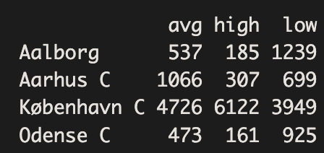
O | low | avg | high
aalb | 1239 | 537 | 185 | 1961
aarh | 699 | 1066 | 307 | 2072
oden | 925 | 473 | 161 | 1559
kbh | 3949 | 4726 | 6122 | 14797
 | 6812 | 6802 | 6775 | 20389

E | low | avg | high
aalb | 655.17347589 | 654.21168277 | 651.61484134 | 1961
aarh | 692.25876698 | 691.24253274 | 688.49870028 | 2072
oden | 520.86458384 | 520.09995586 | 518.0354603 | 1559
kbh | 4943.7031733 | 4936.4458286 | 4916.8509981 | 14797
 | 6812 | 6802 | 6775 | 20389

Freq | low | avg | high |  | p_hat_ind | low | avg | high
aalb | 63% | 27% | 9% |  | aalb | 3.21% | 3.21% | 3.20% | 9.62%
aarh | 34% | 51% | 15% |  | aarh | 3.40% | 3.39% | 3.38% | 10.16%
oden | 253% | 303% | 393% |  | oden | 2.55% | 2.55% | 2.54% | 7.65%
kbh | 6% | 3% | 1% |  | kbh | 24.25% | 24.21% | 24.12% | 72.57%
 |  |  |  |  |  | 33.41% | 33.36% | 33.23% | 100.00%

