Bay City Tide Staffs
Staff Name | Location |  | NAVD88 to MLLW Conversion | Top of 4' Staff Elevation | Date Set or Checked | Channel | Notes
 | Easting | Northing |  | NAVD88

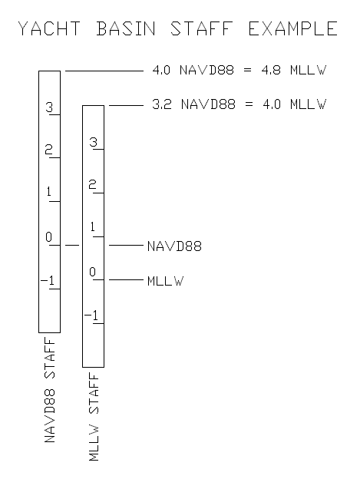
BH | 3,143,134.10 | 13,540,738.30 | -0.6 | 3.40 | 9/18/2023 | Freeport | Set from RTK(120epochs)r12i_ 9/18/2023
FG | 3,139,177.60 | 13,548,183.50 | -0.6 | 3.40 | 1/22/2021 | Freeport | Set via sx10 sta vdd7 and sm6 jan 22, 2021
JM | 2,874,069.00 | 13,411,487.00 | 0.3 | 4.30 | 2/20/2023 | GIWW | RESET TO MLLW/KTD value 0.3 ft 88/g18 (vrs obs)
OL | 2,885,769.11 | 13,419,905.54 | 0.3 | 4.30 | 2/20/2023 | GIWW | RESET TO MLLW/KTD value 0.3 ft 88/g18 (vrs obs)
MIC | 2,897,856.00 | 13,422,822.00 | 0.3 | 4.30 | 2/20/2023 | GIWW | RESET TO MLLW/KTD value 0.3 ft 88/g18 (vrs obs)
CL | 2,915,899.30 | 13,436,272.50 | 0.3 | 4.30 | 2/20/2023 | GIWW | cleaned Aug 31, 2022, g18 el 4.5
CRW | 2,935,917.55 | 13,442,435.87 | 0.4 | 4.40 | 2/20/2023 | GIWW | RESET TO MLLW/KTD value 0.4 ft 88/g18 Aug 31, 2022 levels from" cr l wall"
CRE | 2,939,053.72 | 13,445,696.92 | 0.4 | 4.40 | 10/16/2023 | GIWW & Colorado River | set new staff by levels from CR 21
CRL | 2,940,863.90 | 13,446,292.90 | 0.4 | 4.40 | 10/16/2023 | GIWW | MOVED TO NEW LOCATION ON 3/01/2023
BAG | 2,956,653.58 | 13,455,469.30 | 0.6 | 4.60 | 2/20/2023 | GIWW | 10/19/2021 REPLACED AND checked with VRS
PIP | 2,972,775.20 | 13,459,738.10 | 0.6 | 4.60 | 2/20/2023 | GIWW | 5/8/2023, the TS was cleaned, not moved, METAL/PORCELAIN TS was set 10/26/21 BY LEVELS 4.8' BELOW STATION PIPELINE (el 5.42)
LOB | 3,003,595.81 | 13,471,269.80 | 0.6 | 4.60 | 12/6/2019 | GIWW | 5/8/2023, TS cleaned, not moved (10min VRS obs, 88elev 0.71 rms 0.09)
BS | 3,026,592.09 | 13,469,740.82 | 0.5 | 4.50 | 10/25/2022 | GIWW | 5/8/2023, TS reset, (10min VRS obs, 88elev 0.5 rm 0.11 ft), staff set 5/03/23 was pushed over.
AA | 3,042,639.60 | 13,476,640.80 | 0.4 | 4.40 | 10/25/2022 | GIWW | 5/8/2023, TS cleaned and checked (11min VRS obs, 88elev 0.58, rms 0.07 ft), not moved
FMB | 3,051,671.42 | 13,480,310.86 | 0.3 | 4.30 | 9/9/2022 | GIWW | g18 el 4.39 by levels from 2985E(shared el g18 2.62)
SD | 3,067,052.64 | 13,488,122.21 | 0.1 | 4.10 | 10/27/2022 | GIWW | by levels from SMITH EAST MOORING, 9/23/2021. Read embedded note.
CLB | 3,079,223.00 | 13,501,230.80 | 0.1 | 4.10 | 10/27/2022 | GIWW | reset on east side of GIWW,using VRS, 2022.1027
CL | 3,090,083.60 | 13,511,078.20 | 0.1 | 4.10 | 10/27/2022 | GIWW | RESET TO MLLW/KTD value 0.1 ft 88/g18 (rtk obs) from cowtrap
FBR | 3,105,570.44 | 13,517,361.86 | 0.0 | 4.00 | 9/8/2022 | GIWW | checked w. trig levels from 2683c, lowered 0.25 to ktd
BWF | 3,123,727.04 | 13,528,540.85 | -0.5 | 3.50 | 11/8/2022 | GIWW | gone oct 29,2022
BRX | 3,126,347.89 | 13,527,344.82 | -0.5 | 3.50 | 11/8/2022 | GIWW | reset to ktd el. -0.5 lowered it 0.32, checked with total station from BRFGE6
BRE | 3,126,139.99 | 13,528,872.52 | -0.5 | 3.50 | 11/8/2022 | GIWW | gone Nov 8, 2022
BBB | 3,127,089.07 | 13,529,074.12 | -0.5 | 3.50 | 8/30/2023 | GIWW | Elevation determined using SX10 from control point BRBH 01 (COE PID CM2570)
BBL | 3,138,489.97 | 13,537,700.75 | -0.6 | 3.40 | 11/8/2022 | GIWW | reset to ktd el -0.6 ft, Oct 29,2022
CSF | 3,150,352.30 | 13,546,007.15 | -0.6 | 3.40 | 1/19/2021 | GIWW & Freeport Harbor | visually ok 3/2/2022
A3B | 3,154,343.11 | 13,550,019.92 | -0.5 | 3.50 | 10/22/2022 | GIWW | reset using VRS 10/20/2022
SLD | 3,161,969.80 | 13,558,538.50 | 0.3 | 4.30 | 10/22/2022 | GIWW | set 3' staff (0.26' below top of dock,g18=3.26')using averaged vrs obs (allterra and txdot)
CPD | 2,923,608.67 | 13,497,440.12 | 0.4 | 4.40 | 9/27/2017 | Colorado River | temporary, DOCK ON LEFT BANK
LCR | 2,937,099.70 | 13,415,807.90 | -0.2 | 3.80 | 12/16/2020 | Colorado River | RESET TO MLLW/KTD value, -0.2 ft NAVD88/g18
RB | 2,941,382.80 | 13,439,956.60 | 0.4 | 4.40 | 12/16/2020 | Colorado River | River bend set w. vrs, At the landing on the west end of the center walkway
PRP | 2,937,895.11 | 13,446,896.82 | 0.4 | 4.40 | 12/16/2020 | Colorado River | on the marina wall adjacent to a opus shared benchmark
D | 2,937,592.81 | 13,454,516.78 | 0.4 | 4.40 | 12/20/2019 | Colorado River | on the downsteam side of a dock on the left bank
SLK | 2,929,657.00 | 13,466,075.57 | 0.4 | 4.40 | 11/2/2017 | Colorado River | cleaned 5/29/19, On the SE side of a piling on the S'ly corner of a private dock
F5D | 2,929,771.53 | 13,483,353.57 | 0.4 | 4.40 | 12/18/2019 | Colorado River | 5/29/19 cleaned
CTB | 2,920,319.98 | 13,508,814.60 | 0.3 | 4.30 | 5/29/2019 | Colorado River | vrs, CHISELED box/x (15.85 MLLW) JULY,2019
FP | 3,031,385.10 | 13,584,814.50 | -0.1 | 3.90 | 12/12/2019 | San Bernard River | on the upstream side of a piling 200' upstream of the Phillips dock
RR | 3,047,374.00 | 13,578,869.00 | -0.1 | 3.90 | 12/11/2017 | San Bernard River | on left side of the channel on the downstream piling at the railroad ???
F2B | 3,059,380.40 | 13,567,698.20 | -0.1 | 3.90 | 12/18/2019 | San Bernard River | reset nad83/g18, nov 8, 2022.on boat dock on left side of the channel at boat landing
TD | 3,063,974.90 | 13,558,147.20 | -0.1 | 3.90 | 12/11/2019 | San Bernard River | on the right side of the channel on the dock of USACE employee (Mr. Taylor)
FRB | 3,069,408.00 | 13,544,865.00 | -0.1 | 3.90 | 5/20/2022 | San Bernard River | on the left side of the channel , 100' above the bridge, on a boat dock
SBD | 3,077,360.00 | 13,530,968.22 | 0.0 | 4.00 | 12/13/2017 | San Bernard River | on the right side of the channel on a dock
RNT | 3,089,764.44 | 13,528,776.03 | 0.0 | 4.00 | 12/13/2017 | San Bernard River | on the right side of the channel on post in front of a dock

