FaultParser
 |  | Bit 1 | Bit 2 | Bit 3 | Bit 4 | Bit 5 | Bit 6 | Bit 7 | Bit 8 | Bit 9 | Bit 10 | Bit 11 | Bit 12 | Bit 13 | Bit 14 | Bit 15 | Bit 16
R: Module Over Temperature | Bit 0-11 | 0 | 1 | 2 | 3 | 4 | 5 | 6 | 7 | 8 | 9 | 10 | 11 | 12 | 13 | 14 | 15
R: Module Under Temperature | Bit 12-23 | 16 | 17 | 18 | 19 | 20 | 21 | 22 | 23 | 24 | 25 | 26 | 27 | 28 | 29 | 30 | 31
R: Module Over Voltage | Bit 24-35 | 32 | 33 | 34 | 35 | 36 | 37 | 38 | 39 | 40 | 41 | 42 | 43 | 44 | 45 | 46 | 47
R: Module Under Voltage | Bit 36-47 | 48 | 49 | 50 | 51 | 52 | 53 | 54 | 55 | 56 | 57 | 58 | 59 | 60 | 61 | 62 | 63
R: Block DC Disconnect Open | Bit 48 | 64 | 65
R: Block Over Current Instantaneous | Bit 49
R: Block Over Current Timed | Bit 50
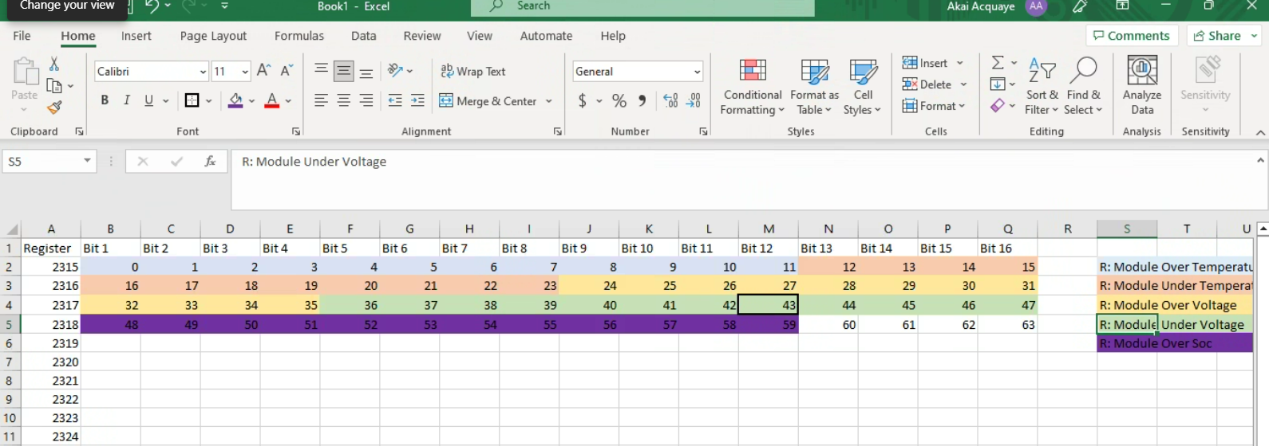
R: Reserved0 | Bit 51
R: Block String Current Deviation | Bit 52-63
R: Block String Temperature Deviation | Bit 64-75
R: Excessive Reading Change | Bit 76-87
R: High SSB Temperature | Bit 88-99
R: Eeprom Log Checksum | Bit 100
R: Eeprom Write Cycle Exceeded | Bit 101
R: Reboot Warning | Bit 102
R: Reserved1 | Bit 103
R: Maintenance Discharge Required | Bit 104-115
R: String Module Temperature Deviation | Bit 116-127
R: String Module Voltage Deviation | Bit 128-139
R: String Module Soc Deviation | Bit 140-151
R: String String Soc High Deviation | Bit 152-163
R: String Over Current Instantaneous | Bit 164-175
R: String Over Current Timed | Bit 176-187
R: Reserved2 | Bit 188-191
R: String Over Voltage | Bit 192-203
R: String Under Voltage | Bit 204-215
R: Cabinet Over Temperature | Bit 216
R: SD Card Not Available | Bit 217
R: Clock Battery Low | Bit 218
R: Reserved3 | Bit 219-255

R: Module Over Temperature | Bit 0-11
R: Module Under Temperature | Bit 12-23
R: Module Over Voltage | Bit 24-35
R: Module Under Voltage | Bit 36-47
R: Module Over Soc | Bit 48-59
R: Block Over Current Instantaneous | Bit 60
R: Reserved0 | Bit 61-63
R: Block String Current Deviation | Bit 64-75
R: Block String Temperature Deviation | Bit 76-87
R: Excessive Reading Change | Bit 88-99
R: High SSB Temperature | Bit 100-111
R: String Module Temperature Deviation | Bit 112-123
R: Reserved1 | Bit 124-127
R: String Module Voltage Deviation | Bit 128-139
R: String Over Current Instantaneous | Bit 140-151
R: String Over Voltage | Bit 152-163
R: String Under Voltage | Bit 164-175
R: Boost Over Voltage | Bit 176-187
R: Boost Over Current | Bit 188
R: Formation Over Current | Bit 189
R: Reserved2 | Bit 190-191
R: Boost Over Charge | Bit 192-203
R: Cabinet Heater Contactor Close Failure | Bit 204
R: Stack A Heater Contactor Close Failure | Bit 205
R: Stack B Heater Contactor Close Failure | Bit 206
R: Stack A Cooling Contactor Close Failure | Bit 207
R: Stack B Cooling Contactor Close Failure | Bit 208
R: Reserved3 | Bit 209-255

R: Module Over Temperature | Bit 0-11
R: Module Under Temperature | Bit 12-23
R: Module Over Voltage | Bit 24-35
R: Module Under Voltage | Bit 36-47
R: Module Over Soc | Bit 48-59
R: DWDT Fault | Bit 60
R: Block Contactor Close Failure | Bit 61
R: Block Contactor Open Failure | Bit 62
R: Block DC Disconnect Invalid | Bit 63
R: Block Over Current Instantaneous | Bit 64
R: Block Over Current Timed | Bit 65
R: Reserved0 | Bit 66-77
R: Block String Current Deviation | Bit 68-79
R: Block String Temperature Deviation | Bit 80-91
R: Block String Voltage Mismatch | Bit 92-103
R: Excessive Reading Change | Bit 104-115
R: Fast Stop | Bit 116
R: Ground Fault Detection | Bit 117
R: Fire Alarm Energy Stack A | Bit 118
R: Fire Alarm Energy Stack B | Bit 119
R: Leak Detection Energy Stack A | Bit 120
R: Leak Detection Energy Stack B | Bit 121
R: Lost Site Controller Heartbeat | Bit 122
R: Reserved1 | Bit 123-127
R: High SSB Temperature | Bit 128-139
R: Maintenance Discharge Required | Bit 140-151
R: SSB Communication Failure | Bit 152-163
R: String Contactor Close Failure | Bit 164-175
R: String Contactor Open Failure | Bit 176-187
R: MDR Contactor Close Failure | Bit 188
R: MDR Contactor Open Failure | Bit 189
R: MDR Over Temperature | Bit 190
R: Eeprom Fault Checksum | Bit 191
R: Eeprom Cfg Checksum | Bit 192
R: Program Checksum | Bit 193
R: Flash Failure | Bit 194
R: RTC Timing Failure | Bit 195
R: String Module Communications Failure Reading | Bit 196-207
R: String Module Communications Failure Addressing | Bit 208-219
R: String Module Temperature Deviation | Bit 220-231
R: String Module Voltage Deviation | Bit 232-243
R: String Module Soc Deviation | Bit 244-255
R: String String Soc High Deviation | Bit 256-267
R: String Over Current Instantaneous | Bit 268-279
R: String Over Current Timed | Bit 280-291
R: String Over Voltage | Bit 292-303
R: String Under Voltage | Bit 304-315
R: Reserved3 | Bit 316-319
R: String Temperature Discrepancy | Bit 320-331
R: String Vs Module Voltage Discrepancy | Bit 332-343
R: String Vs Bus Voltage Mismatch | Bit 344-355
R: Bus Voltage Mismatch | Bit 356-367
R: String Thermal Switch | Bit 368-379
R: Unexpected Energy Block Current | Bit 380
R: Reserved4 | Bit 381-383
R: Unexpected String Current | Bit 384-395
R: Cabinet Over Temperature | Bit 396
R: Cabinet High Humidity | Bit 397
R: Reserved5 | Bit 398-399
R: Boost Contactor Close Failure | Bit 400
R: Boost Contactor Open Failure | Bit 401
R: Boost Illegal Discharge | Bit 402
R: Boost Over Current | Bit 403
R: Boost Over Voltage | Bit 404-415
R: Boost Over Charge | Bit 416-427
R: Rest Illegal Charge | Bit 428-439
R: Formation Over Current | Bit 440
R: Cabinet Heater Contactor Open Failure | Bit 441
R: Stack A Heater Contactor Open Failure | Bit 442
R: Stack B Heater Contactor Open Failure | Bit 443
R: Stack A Cooling Contactor Open Failure | Bit 444
R: Stack B Cooling Contactor Open Failure | Bit 445
R: Excessive Contactor Operation | Bit 446
R: Reserved6 | Bit 447

