Sheet1
Structural Design Weight and Cost Tradeoffs for Attritable Vessels
Full Optimization Test Matrix

 | Static FOS | Case # | FOSHG | FOSHughes | FOSBot_Plate
 |  | 1 | 3
 |  | 2 | 3
 |  | 3 | 2.5
 |  | 4 | 2.5
 |  | 5 | 2
 |  | 6 | 2
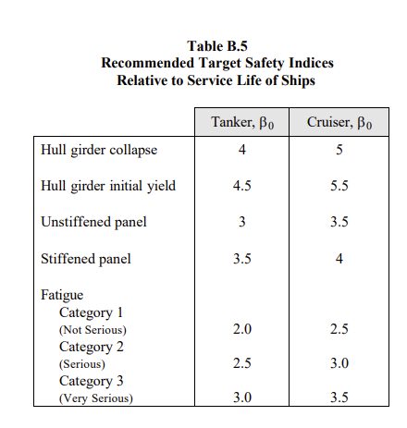
 |  | 7 | 1.5
 |  | 8 | 1.5
 | Reliability-Based (RB) | Case # | βHG | βHughes | βBot_Plate
 |  | 1 | 5 | 4 | 3.5
 |  | 2
 |  | 3
 |  | 4
 |  | 5
 |  | 6
 |  | 7
 |  | 8
 | RB & Return to Optimality | Case # | βHG | βHughes | βBot_Plate
 |  | 1 | 5 | 4 | 3.5
 |  | 2
 |  | 3
 |  | 4
 |  | 5
 |  | 6
 |  | 7
 |  | 8

