Sheet1
Structural Design Weight and Cost Tradeoffs for Attritable Vessels
Full Optimization Test Matrix

 | Static FOS | Case # | FOSHG | FOSHughes | FOSBot_Plate
 |  | 1 | 1.5 | 1.5 | 1.5 |  | *re run all 8 cases w/ 200ind, 400gens, modified NSGA-II params
 |  | 2 | 1.5 | 1.4 | 1.3
 |  | 3 | 1.25 | 1.25 | 1.25
 |  | 4 | 1.25 | 1.15 | 1.05
 |  | 5 | 1 | 1 | 1
 |  | 6 | 1 | 0.9 | 0.8
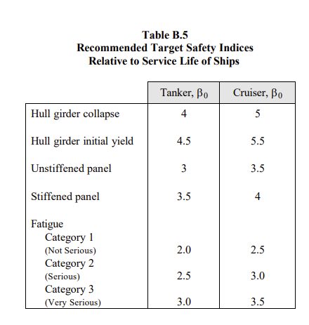
 |  | 7 | 0.75 | 0.75 | 0.75
 |  | 8 | 0.75 | 0.65 | 0.55
 | Reliability-Based (RB) | Case # | βHG | βHughes | βBot_Plate
 |  | 1 | 5.5 | 4 | 3.5 | *Current C1 | *run 3 more cases w/out smith collapse
 |  | 2 | 5 | 3.75 | 3.25
 |  | 3 | 4.5 | 3.5 | 3 | *Current C2
 |  | 4 | 4 | 3.25 | 2.75
 |  | 5 | 3.5 | 3 | 2.5 | *Current C3
 |  | 6 | 3 | 2.75 | 2.25 | *Current C4
 |  | 7 | 2.75 | 2.5 | 2
 |  | 8 | 2.5 | 2.25 | 1.75
 | Reliability-Based (RB) Smith collapse | Case # | βHG | βHughes | βBot_Plate
 |  | 1 | 5 | 4 | 3.5 |  | *run first case w/ Smith collapse
 |  | 2 | 4.5 | 3.75 | 3.25
 |  | 3 | 4 | 3.5 | 3
 |  | 4 | 3.5 | 3.25 | 2.75
 |  | 5 | 3.25 | 3 | 2.5
 |  | 6 | 3 | 2.75 | 2.25
 |  | 7 | 2.75 | 2.5 | 2
 |  | 8 | 2.5 | 2.25 | 1.75
 | RB & Return to Optimality | Case # | βHG | βHughes | βBot_Plate
 |  | 1 | 5.5 | 4 | 3.5 |  | *run 3 more cases w/out smith collapse
 |  | 2 | 5 | 3.75 | 3.25
 |  | 3 | 4.5 | 3.5 | 3
 |  | 4 | 4 | 3.25 | 2.75
 |  | 5 | 3.5 | 3 | 2.5
 |  | 6 | 3 | 2.75 | 2.25
 |  | 7 | 2.75 | 2.5 | 2
 |  | 8 | 2.5 | 2.25 | 1.75

