Sheet1
Team Name | 1st | 2nd | 3rd | 4th | 5th | 6th | 7th | 8th | Total
Mobley Dick | 78.76 | 15.04 | 4.34 | 1.53 | 0.29 | 0.04 | 0 | 0 | 99.67
Sengun deez | 14.49 | 48.19 | 22.41 | 9.81 | 3.92 | 1.18 | 0 | 0 | 94.9
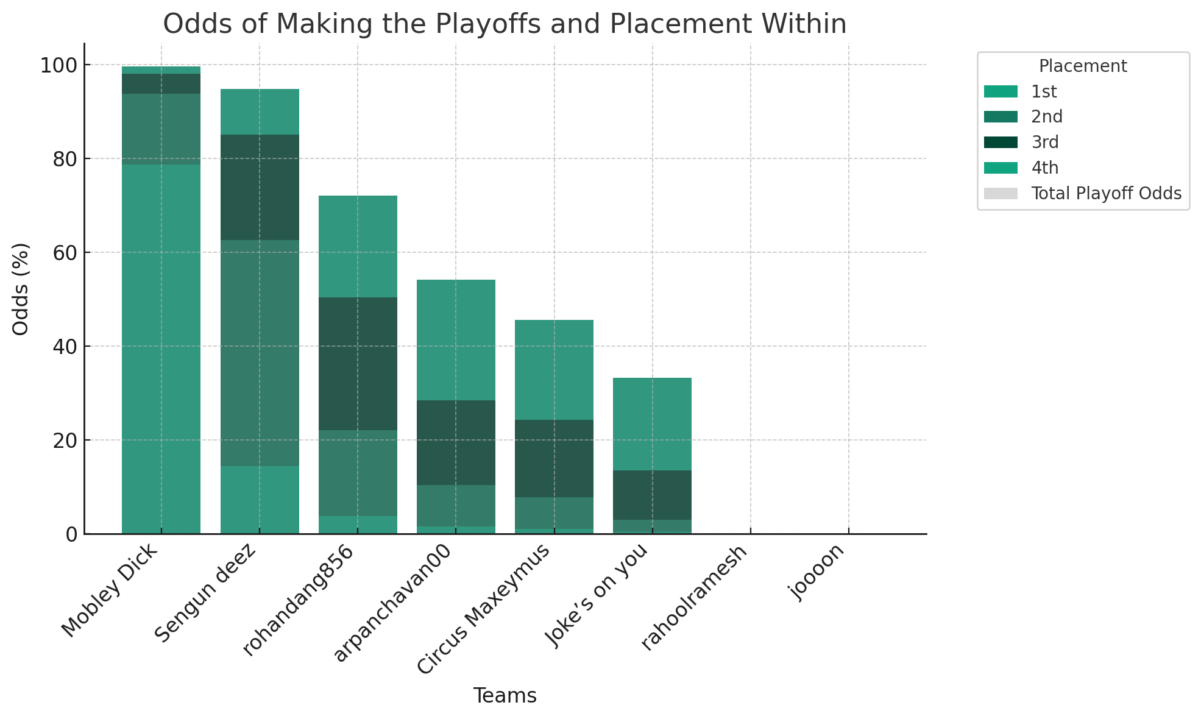
rohandang856 | 3.75 | 18.41 | 28.32 | 21.69 | 17.18 | 10.51 | 0.14 | 0 | 72.17
arpanchavan00 | 1.53 | 8.93 | 18.06 | 25.7 | 26.01 | 19.4 | 0.37 | 0 | 54.22
Circus Maxeymus | 1.03 | 6.8 | 16.45 | 21.41 | 24.6 | 28.79 | 0.9 | 0.02 | 45.69
Joke’s on you | 0.44 | 2.63 | 10.42 | 19.83 | 27.78 | 36.69 | 2.17 | 0.04 | 33.32
rahoolramesh | 0 | 0 | 0 | 0.03 | 0.2 | 2.99 | 76.23 | 20.55 | 0.03
joooon | 0 | 0 | 0 | 0 | 0.02 | 0.4 | 20.19 | 79.39 | 0

