PV-Map-SupplierInventory
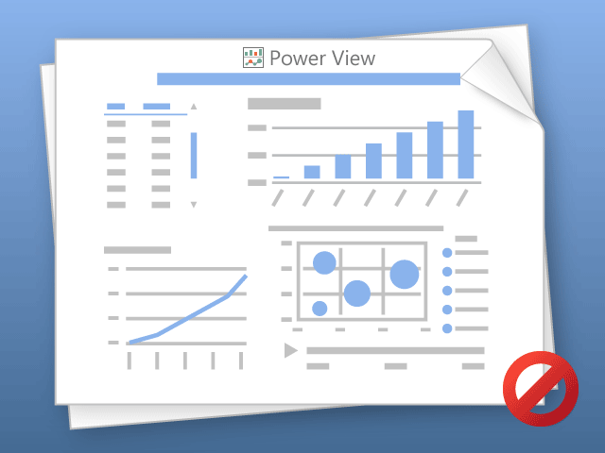

Power View can only print one sheet at a time.
Please switch to the desired sheet and try again.

