Readme
High-Level Dimensional Modeling Worksheet
Use this worksheet to document your first phase of dimensional model design. You can complete this document during your team design sessions or aftwards using the notes from the design session.
What you will need:
- Business requirements document for your program or project. and / or
- Enterprise bus matrix of processes and dimensions.
Procedure
A) Start with the Bus Matrix tab, for each business process: 1) List the business process (from your requirements)
2) Declare the fact grain (type & granularity)
3) Identify each dimension used by this business process
4) Identify the facts from the business process
B) Next, fill out the Attributes & Metrics section:
1) For each dimension, brainstorm the attributes requred for the dimension, keeping in mind all of the business processes.
2) Keep it at a high level, write record issues in the Issues List if you have them.
3) Do the same for each fact table, explain derived facts.
C) Along the way as you encounter issues, record them to the Issues List tab so that you remember to address them at a later time.
When you're finished you should have a complete high-level specification and should be ready to begin the detailed dimensional model design process.

Bus Matrix V2
Instructions!
Business Process Name | Fact Table | Fact Grain Type | Granulairty | Facts | FfPlans | FfAccounts | FfAccountBilling | FfAccountBilledDate | FfAccountTitles | FfTitles | FmCustomers | FmProducts | FmOrders | FmCustomerProductReviews | FmOrderDate | FmOrderShippedDate | FmProductReviewDate | FmProductAddDate
Plan Profitability Analysis Business users (Fudgeflix) need to be able to analyze plan usage popularity and profitability (based on delivery method) | FactFfPlanTypeProfits | periodic snapshot | one row per plan / account | plan name, plan popularity (i.e., count of customers), plan profitability (i.e., billed amount, not price as the two could be different) | x | x | x | x
R3 - Recurring Revenue Rate - KPI The finance team (Fudgeflix) needs to be able to report on the R3 KPI on a weekly, monthly, quarterly and annual basis to predict revenus each month. To understand existing revenue streams as well as mapping out future growth. (Recurring revenue represents the value a business is generating through subscription services, renewals and recurring contracted services) calculated as: sum of all reaccuring payments collected/projected in current month | FactFfRecurringRevenuRate | periodic snapshot | one row per account billing for each scheduled snapshot (weekly) | BilledAmount | x | x | x | x | x | x
R3 - Recurring Revenue Rate - KPI The finance team (Fudgemart) needs to be able to report on the R3 KPI on a weekly, monthly, quarterly and annual basis to predict revenus each month. To understand existing revenue streams as well as mapping out future growth. (Recurring revenue represents the value a business is generating through subscription services, renewals and recurring contracted services) calculated as: sum of all reaccuring payments collected/projected in current month | FactFmRecurringRevenuRate | periodic snapshot | one row per order | OrderProductQuantity, OrderProductRetailCost, OrderProductWholesaleCost |  |  |  |  |  |  | x | x | x |  | x
ARPU - Average Revenue Per User - KPI The finance team (Fudgeflix) needs to be able to measure the average revenue generated by each user or subscriber of a given services (Usage Plan Type) on a monthly, quarterly basis. Calculated as: Total Revenue/Total # of Subscribers | FactFfAverageRevenuePerUser | periodic snapshot | one row per account, monthly snapshot | monthly revenue, total # of subscribers, average revenue per user (monthly revenue / total # of subscribers) | x |  | x | x | x | x |  |  |  |  |  |  |  |  | 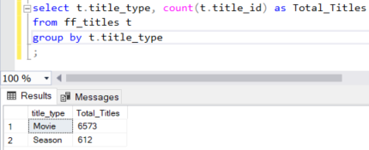
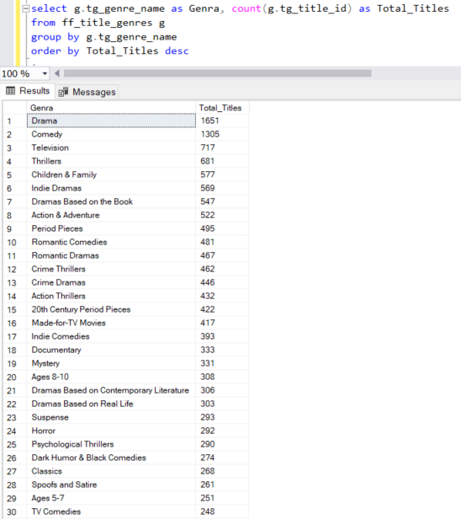
Customer Demand Business users (Fudgeflix) need to be able to analyze the profitability of a specific genre, title, title characteristics (i.e., directors, people, cast) revenue by Movie Title and Genre on a weekly, monthly, quarterly and annual baseis | FactFfCustomerDemand | periodic snapshot | one row per movie title genre, title characteristic | average title rating, title, genre, title director, title people, title cast, count of "views", average billed amount, total number of move titles purchased, total number of movie titles by genera purchased |  |  | x | x |  | x
Product Analysis Business users (Fudgemart) need to be able to analyze favorable/unfavorable product reviews and identify products that may need to be discontinued and/or stock increased | FactFmProductAnalysis | periodic snapshot | one row per product | Average Product Review Stars, Review Days from Product Launch, Average Department Product Price, Product Unit Price, Product Standard Deviation of Price |  |  |  |  |  |  | x | x | x | x | x | x | x | x

