Problem ID
What do you want to do with your data?

Describe it: Measure center, Measure variabiltiy etc
Calculate Probability or Percentage
Build a confidence interval (Margin of Error)
Test a Hypothesis for mean or proportion
Test for Relationships: Chi Square test for independence
Test for Linear Correlation: How strong/weak is the x/y correlation?
Generate Regression: Use Data Analysis Toolkit or StatPlus

Descriptive Statistics Functions
Means or proportions?
Choosing the Hypothesis Test
Chi Square
Is your data normal or binomial?
Use the Correlation Coefficient R
Use Regression R2 and F-test values

Go to tab:
Confidence Interval for mean
Confidence Interval for proportion
Excel Function Examples

Normal
Binomial
Choosing the Hypothesis Test

Hypothesis Test Process Steps
Normal
Distribution
(probability)
Binomial
Distribution
(probability)
Chi Square Process Steps
Confidence Interval-mean

Confidence Interval-proportion

Choosing the Hypothesis Test
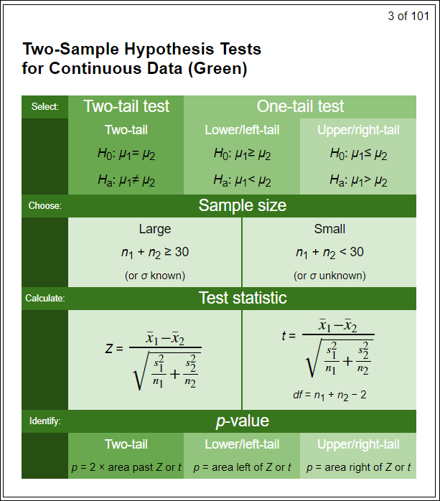
Choosing the hypothesis test

Continuous
Discrete

One Sample
Two Sample
One Sample
Two Sample

Hypothesis Test Process Steps
How do we address hypothesis test questions?

Steps for solving problems:
1. What type of data is this? Discrete or continuous
2. What other relevant information is found in this problem?
List out all of the items provided:
Sample size (n)
Means (xbar, µ)
Number of samples (1 or 2)
Alpha (α)
3. What test/formula do we use?
Purple, orange, green, pink. One tail, two tail.
4. Calculate the values.
Calculate the test statistic. Look up/calculate p-value.
5. Interpret the result. Reject H_{o}?

Goals/Targets (μ_{o} ,p_{o})
Proportions (phat, p)
P-values (p-value to compare to α)
Less than, greater than, equal

Chi Square Process Steps
option 1
Chi Squared Test for Independence |  |  | Observed Values (actual values)
 | Chi-square |  |  | Coffee | Flavored beverage | Tea | Totals
 | Distribution | on Excel Function Examples tab | Male | 610 | 220 | 140 | 970
see notes for | (probability) |  | Female | 200 | 375 | 175 | 750
 |  |  | Totals | 810 | 595 | 315 | 1720
Process |  |  | Calculate observed and expected frequencies:
Steps | Chi Squared | Excel Formula
1 | Input Data | CHI.DIST.RT(X, Deg_Freedom) |  | f (observed) | F (expected) | (f-F)^2 / F |  |  | Calculate degrees of freedom:
2 | Sum Rows and Columns |  | male/coffee | 610 | 456.80232558 | 51.377863318 |  |  | df = (r-1) * (c-1) = |  | (2-1) * (3-1) = 2
3 | Get frequencies = f (Observed) |  | male/flav | 220 | 335.55232558 | 39.792124594
4 | Get frequencies = F (Expected) |  | male/tea | 140 | 177.64534884 | 7.9775366952 |  |  | Pick an alpha = 0.05 |  | <--This is your choice
5 | Calculate x2 |  | female/coffee | 200 | 353.19767442 | 66.448703225 |  |  | Use Table E to find the p-value
6 | Calculate degree of freedom = df |  | female/flav | 375 | 259.44767442 | 51.464481141 |  |  | Or use Excel = CHISQ.DIST.RT(x2, df)
7 | Reference Table D |  | female/tea | 175 | 137.35465116 | 10.317614126
8 | Find x2 row |  | Totals | 1720 |  | 227.3783231 | <--- chi-square |  | p-value = | 4.2210887816E-50
9 | Reference (P)robability in top row
 |  |  | note: F(expected) = (f row total * f column total) / N
option 2
 | Chi-square Test | on Excel Function Examples tab | Observed Values (actual values)
see notes for | (probability) |  |  | Coffee | Flavored beverage | Tea | Totals
 |  |  | Male | 610 | 220 | 140 | 970
Process |  |  | Female | 200 | 375 | 175 | 750
Steps | Chi Squared | Excel Formula | Totals | 810 | 595 | 315 | 1720 | <--- N
1 | Input Data (observed values) | CHISQ.TEST(actual range, expected range)
2 | Sum Rows and Columns Totals |  | Expected Values
3 | Get frequencies = F (Expected) |  | Male | 456.802 | 335.552 | 177.645
4 | Calculate p-value using formula |  | Female | 353.198 | 259.448 | 137.355

 |  |  |  | p-value = | =CHISQ.TEST(F21:H22, F26:H27)
 |  |  |  | p-value = | 4.2210887816E-50

Confidence Interval-mean
Confidence Interval for the Population Mean µ
The Confidence Interval for µ may be constructed only when either of the following two conditions are met:
The population is normally distributed and σ is known.
The sample size is large (n ≥ 30), and the value of σ is known.
When a random sample of size n is taken from a population, a (100 – α)% confidence interval is given by:
The Z interval can also be written as:
Confidence Interval for the Population Mean µ $: t$
The $t$ interval for $μ$ may be constructed when the following two conditions are met:
The population is normally distributed.
The sample size is small ($n$ < 30).
When a random sample of size $n$ is taken from a population, a $100(1 – α)\%$ confidence interval is given by:
lower bound $=\overline{x}−t_{α/2}\left(s/{\sqrt{n}}\right)$
upper bound $=\overline{x}+t_{α/2}\left(s/{\sqrt{n}}\right)$
The $t$interval may also be written as: $\overline{x}±t_{α/2}\left(s/{\sqrt{n}}\right)$

$t_{α/2}$ values can be found in Table D
df = degrees of freedom = n-1

Confidence Interval-proportion
Confidence Interval for the Population Proportion p
The Confidence Interval for p may be constructed only when both of the following two conditions are met: n(p-hat) ≥ 5 and n(1 – p-hat) ≥ 5.
When a random sample of size n is taken from a population,
a (100 – α)% confidence interval is given by:
The Z interval can also be written as:

pareto
Pareto Chart of Responses
 | Responses |  | Cumulative %
Very happy | 50 | 30% | 30%
Happy | 45 | 58% | 58%
Neutral | 30 | 76% | 76%
Slightly annoyed | 25 | 91% | 91%
Mad | 10 | 97% | 97%
Irrate | 5 | 100% | 100%
Responses | counts | cumulative | Cumulative %
Very happy | 50 | 50 | 30%
Happy | 45 | 95 | 58%
Neutral | 30 | 125 | 76%
Slightly annoyed | 25 | 150 | 91%
Mad | 10 | 160 | 97%
Irrate | 5 | 165 | 100%
Total | 165

How to build a Pareto Chart
the above "responses" (counts) are in descending order
"cumulative" is each category added together 1 at a time
check out the formulas in the cells
Once you click on the chart "chart tools" pops up
Everything you need to do to the chart is in either design/layout/format

First make a column chart of counts and cum %
highlight the response, count columns and cum %
Use the [ctrl] key to copy columns of data that aren't next to each other
go to the Insert tab and click on column chart

now you should have a chart with 2 bars next to each other
click on the column chart that just appears on the worksheet
click on the cum % bars and change that bar to a line
You can do that by going to chart tools/design/change chart
click on the line chart
now you should have a chart with a line and the columns
click on the line on the chart and then go to Chart tools/ Format tab
On the far left on the menu bar select "series cumulative%" from the pull down menu
then select format selection/ series options/
click on the radial button "secondary axis"
then close

