A_Logit Solution
Perform a logit and probit analysis of the variables that affect whether a passenger
survived on the Titanic. Consider only main effects. Which variables are significant? How do | Coefficients:
the significant variables influence the likelihood of survival? |  | Estimate | Std. Error | z value | Pr(>|z|)
 | (Intercept) | 4.776374 | 0.477991 | 9.993 | < 2e-16 | ***
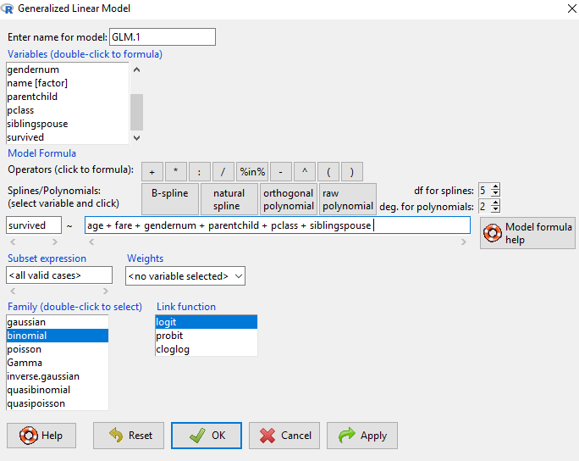
 | age | -0.038412 | 0.006552 | -5.863 | 4.55E-09 | ***
 | fare | 0.001641 | 0.001897 | 0.865 | 0.387065
 | gendernum | -2.546715 | 0.173447 | -14.683 | < 2e-16 | ***
 | parentchild | 0.054925 | 0.103014 | 0.533 | 0.593906
 | pclass | -1.098227 | 0.131303 | -8.364 | < 2e-16 | ***
 | siblingspouse | -0.354726 | 0.105851 | -3.351 | 0.000805 | ***

 | Survived -Yes | 1
 | Survived - NO | 0

A_Probit Solution
Perform a logit and probit analysis of the variables that affect whether a passenger
survived on the Titanic. Consider only main effects. Which variables are significant? How do | Coefficients:
the significant variables influence the likelihood of survival? |  | Estimate | Std. Error | z value | Pr(>|z|)
 | (Intercept) | 2.740829 | 0.266519 | 10.284 | < 2e-16 | ***
 | age | -0.021822 | 0.003731 | -5.849 | 4.94E-09 | ***
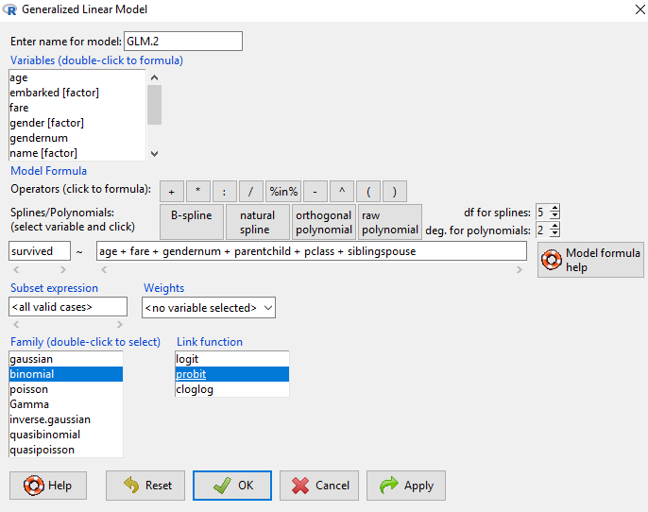
 | fare | 0.001156 | 0.001102 | 1.05 | 0.293897
 | gendernum | -1.513389 | 0.097703 | -15.49 | < 2e-16 | ***
 | parentchild | 0.023442 | 0.060403 | 0.388 | 0.697949
 | pclass | -0.615171 | 0.074113 | -8.3 | < 2e-16 | ***
 | siblingspouse | -0.207902 | 0.060278 | -3.449 | 0.000563 | ***

 | Survived -Yes | 1
 | Survived - NO | 0

B_Logit_Main_Solution
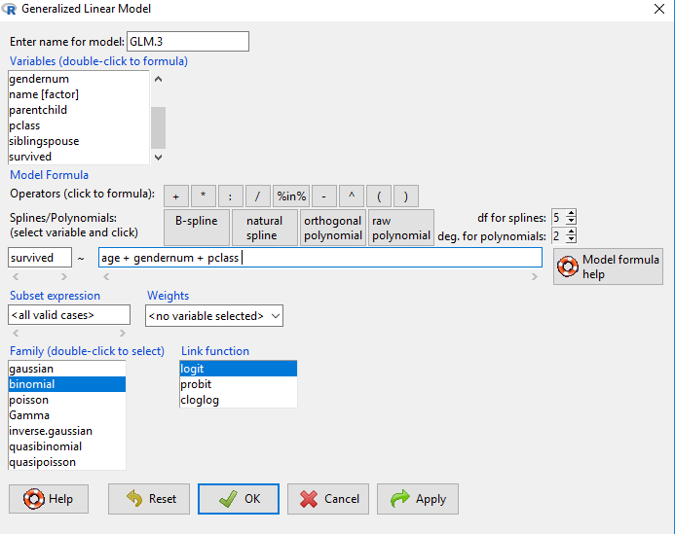
Create a final regression model with the variables that you feel are important
main effects only). Create a spreadsheet prediction of the model.
Perform a sensitivity analysis

 | Coefficients |  |  |  |  |  | Input |  |  | Output |  | Sensitivity Analysis
 |  | Estimate | Std. Error | z value | Pr(>|z|) |  | Variables | Desc | Value | Coeff*Value |  |  | Gender
 | (Intercept) | 4.589268219 | 0.405719843 | 11.31142 | < 0.000000000000000222 | *** | (Intercept) | Always1 | 1 | 4.589268219 |  | 19% | 0 | 1
 | age | -0.033884967 | 0.006280451 | -5.39531 | 6.8406E-08 | *** | age | age in years | 5 | -0.169424835 | Age | 0 | 77% | 21%
 | gendernum | -2.49737591 | 0.16612033 | -15.03354 | < 0.000000000000000222 | *** | gendernum | 0=female, 1=male | 1 | -2.49737591 |  | 5 | 73% | 19%
 | pclass | -1.133243827 | 0.111729002 | -10.14279 | < 0.000000000000000222 | *** | pclass | 1=first,2=second,3-third | 3 | -3.399731481 |  | 10 | 70% | 16%
 |  |  |  |  |  |  |  |  |  |  |  | 15 | 66% | 14%
 |  |  |  |  |  |  |  |  | Sum | -1.477264007 |  | 20 | 63% | 12%
 |  |  |  |  |  |  |  |  | Exp(Sum) | 0.22826135629 |  | 25 | 58% | 10%
 |  |  |  |  |  |  |  | Probability |  | 19% |  | 30 | 54% | 9%
 |  |  |  |  |  |  |  | expsum/(1+expsum) |  |  |  | 35 | 50% | 8%
 |  |  |  |  |  |  |  |  |  |  |  | 40 | 46% | 7%
 |  |  |  |  |  |  |  |  |  |  |  | 45 | 42% | 6%
 |  |  |  |  |  |  |  |  |  |  |  | 50 | 38% | 5%
 |  |  |  |  |  |  |  |  |  |  |  | 55 | 34% | 4%
 |  |  |  |  |  |  |  |  |  |  |  | 60 | 30% | 3%
 |  |  |  |  |  |  |  |  |  |  |  | 65 | 27% | 3%
 |  |  |  |  |  |  |  |  |  |  |  | 70 | 23% | 2%

B_Probit_Main_Solution
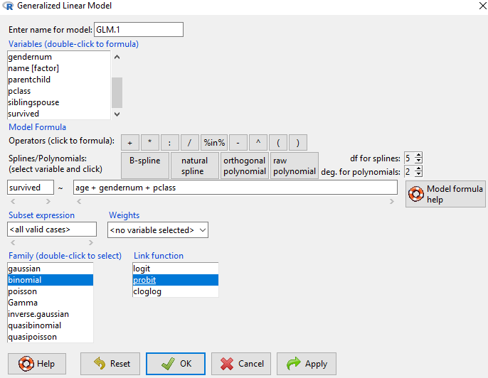
Create a final regression model with the variables that you feel are important |  |  |  |  |  |  | Coefficients | :
main effects only). Create a spreadsheet prediction of the model.
Perform a sensitivity analysis

Coefficients |  |  |  |  |  | Input |  |  | Output |  | Sensitivity Analysis
 | Estimate | Std. Error | z value | Pr(>|z|) |  | Variables | Desc | Value | Coeff*Value |  |  | Gender
(Intercept) | 2.643214091 | 0.223142927 | 11.84539 | < 0.000000000000000222 | *** | (Intercept) | Always1 | 1 | 2.643214091 |  | 97% | 0 | 1
age | -0.019073514 | 0.003577103 | -5.33211 | 9.7077E-08 | *** | age | age in years | 10 | -0.19073514 | Age | 0 | 98% | 70%
gendernum | -1.483534169 | 0.093741665 | -15.82577 | < 0.000000000000000222 | *** | gendernum | 0=female, 1=male | 0 | 0 |  | 5 | 97% | 66%
pclass | -0.640537046 | 0.062389154 | -10.2668 | < 0.000000000000000222 | *** | pclass | 1=first,2=second,3-third | 1 | -0.640537046 |  | 10 | 97% | 63%
 |  |  |  |  |  |  |  |  |  |  | 15 | 96% | 59%
 |  |  |  |  |  |  |  | Sum | 1.811941905 |  | 20 | 95% | 55%
 |  |  |  |  |  |  | Probability |  | 97% |  | 25 | 94% | 52%
 |  |  |  |  |  |  | NORM.S.DIST(sumofcoeff*val,TRUE) |  |  |  | 30 | 92% | 48%
 |  |  |  |  |  |  |  |  |  |  | 35 | 91% | 44%
 |  |  |  |  |  |  |  |  |  |  | 40 | 89% | 40%
 |  |  |  |  |  |  |  |  |  |  | 45 | 87% | 37%
 |  |  |  |  |  |  |  |  |  |  | 50 | 85% | 33%
 |  |  |  |  |  |  |  |  |  |  | 55 | 83% | 30%
 |  |  |  |  |  |  |  |  |  |  | 60 | 80% | 27%
 |  |  |  |  |  |  |  |  |  |  | 65 | 78% | 24%
 |  |  |  |  |  |  |  |  |  |  | 70 | 75% | 21%

C_Moderating Effects_Logit Soln
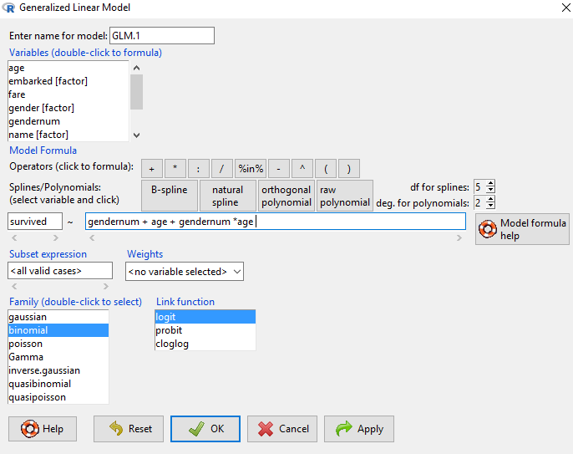
Add moderating effects (interactions of variables). Which interactions make sense
conceptually? Which interactions are statistically significant? How do you interpret
the coefficients on these variables?
Create a final regression model with the variables that you feel are important
(interaction terms or moderating effects only). Create a spreadsheet prediction of the model.

Coefficients: |  |  |  |  |  | Input |  |  | Output |  | Sensitivity Analysis
 | Estimate | Std. Error | z value | Pr(>|z|) |  | Variables | Desc | Value | Coeff*Value |  |  | Gender
(Intercept) | 0.493381 | 0.254188 | 1.941 | 0.052257 | . | Intercept | Always 1 | 1 | 0.493381 | Age | 31% | 0 | 1
gendernum | -1.154139 | 0.339337 | -3.401 | 0.000671 | *** | gendernum | 0=female, 1=male | 1 | -1.154139 |  | 0 | 62% | 34%
age | 0.022516 | 0.008535 | 2.638 | 0.008342 | ** | age | Age in Years | 5 | 0.11258 |  | 5 | 65% | 31%
gendernum:age | -0.046276 | 0.011216 | -4.126 | 3.69E-05 | *** | gendernum*age | Interaction | 5 | -0.23138 |  | 10 | 67% | 29%
 |  |  |  |  |  |  |  |  |  |  | 15 | 70% | 27%
 |  |  |  |  |  |  |  | Sum | -0.779558 |  | 20 | 72% | 24%
 |  |  |  |  |  |  |  | exp(Sum) | 0.45860867155 |  | 25 | 74% | 22%
 |  |  |  |  |  |  | Probability |  | 31% |  | 30 | 76% | 20%
 |  |  |  |  |  |  | expsum/(1+expsum) |  |  |  | 35 | 78% | 18%
 |  |  |  |  |  |  |  |  |  |  | 40 | 80% | 17%
 |  |  |  |  |  |  |  |  |  |  | 45 | 82% | 15%
 |  |  |  |  |  |  |  |  |  |  | 50 | 83% | 14%
 |  |  |  |  |  |  |  |  |  |  | 55 | 85% | 12%
 |  |  |  |  |  |  |  |  |  |  | 60 | 86% | 11%
 |  |  |  |  |  |  |  |  |  |  | 65 | 88% | 10%
 |  |  |  |  |  |  |  |  |  |  | 70 | 89% | 9%

Neural Network_solution
Perform a neural network analysis of the variables found to be significant in the logit and probit analysis
Create a prediction model of the neural network. Using the prediction model, perform
a sensitivity analysis for the neural network model similar to the logit and probit sensitivity analysis

Steps to Run Neural network Analysis and view the output
Step No | Program to use | Action
Step1 | R commander | Load (import) data into R - make sure to name the dataset

Step2 | R Commander | Copy the command in red font below to the console (This will load the neural network)
library(neuralnet)

Step2 | Excel Template | Type in values below

 | Description | Value
 | Variable to store Results | titanicsurvivors
 | Dependent variable (what to predict) | survived
 | Input Variable 1 | gendernum
 | Input Variable 2 | age
 | data to be used for the model | titandata
 | number of hidden nodes to be used | 2

Step3 | R Console | Copy the command in red font below to the console (This will run the neural network analysis)
titanicsurvivors <- neuralnet(survived ~ gendernum+age,titandata, hidden=2, lifesign='minimal', linear.output=FALSE, threshold=0.1)

Step4 | R Console | Copy the command in red font below to the console (this will plot the neural diagram in a separate window)
plot(titanicsurvivors,rep='best')

Step5 | R Console | Copy the command in red font below to the console (this will display the coefficients of the neural network)
titanicsurvivors$result.matrix |  |  | error | 85.910624924 | Input |  |  |  | Hidden Node1 |  |  |  | Hidden Node2
 |  |  | reached.threshold | 0.09956477738 | Variables | Desc | Value |  | Variable | Coefficient | Co-eff*Value |  | Variable | Coefficient | Co-eff*Value
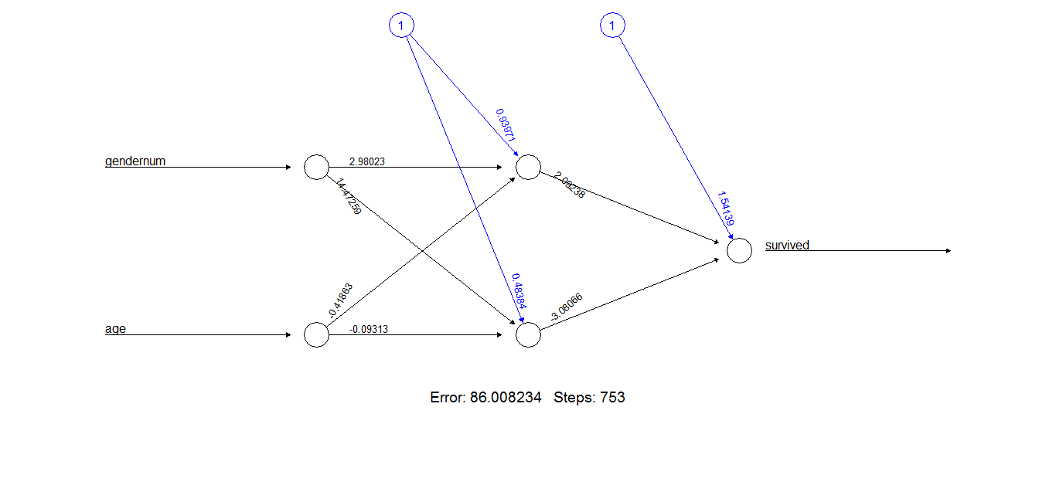
 |  |  | steps | 100 | Intercept | Always 1 | 1 |  | Intercept | -0.22196267147 | -0.22196267147 |  | Intercept | -0.04094759859 | -0.04094759859
 |  |  | Intercept.to.1layhid1 | -0.22196267147 | gendernum | 0=female, 1=male | 1 |  | gendernum | 5.6157881315 | 5.6157881315 |  | gendernum | 9.9966182785 | 9.9966182785
 |  |  | gendernum.to.1layhid1 | 5.6157881315 | age | Age in Years | 10 |  | age | -0.53929793473 | -5.3929793473 |  | age | -0.04720689177 | -0.4720689177
 |  |  | age.to.1layhid1 | -0.53929793473
 |  |  | Intercept.to.1layhid2 | -0.04094759859 |  |  |  |  |  | Sum | 0.00084611274 |  |  | Sum | 9.4836017622
 |  |  | gendernum.to.1layhid2 | 9.9966182785 |  |  |  |  |  | exp(Sum) | 1.0008464708 |  |  | exp(Sum) | 13142.437304
 |  |  | age.to.1layhid2 | -0.04720689177 |  |  |  |  | Probability |  | 50% |  | Probability |  | 100%
 |  |  | Intercept.to.survived | 1.8346414282 |  |  |  |  | expsum/(1+expsum) |  |  |  | expsum/(1+expsum)
 |  |  | 1layhid.1.to.survived | 2.002873909
 |  |  | 1layhid.2.to.survived | -3.3725535436 | Output |  |  |  |  |  | Sensitivity Analysis
 |  |  |  |  | Variables | Coefficient | Value | Coeff*Value |  |  |  | Gender
 |  |  |  |  | Intercept | 1.8346414282 | 1 | 1.83 |  | Age | 37% | 0 | 1
 |  |  |  |  | Hidden1 | 2.002873909 | 50% | 1.00 |  |  | 0 | 75% | 61%
 |  |  |  |  | Hidden2 | -3.3725535436 | 100% | (3.37) |  |  | 5 | 62% | 58%
 |  |  |  |  |  |  |  |  |  |  | 10 | 64% | 37%
 |  |  |  |  |  |  | Sum | (0.54) |  |  | 15 | 68% | 20%
 |  |  |  |  |  |  | exp(Sum) | 0.58520392628 |  |  | 20 | 71% | 18%
 |  |  |  |  |  | Probability |  | 37% |  |  | 25 | 74% | 18%
 |  |  |  |  |  | expsum/(1+expsum) |  |  |  |  | 30 | 77% | 18%
 |  |  |  |  |  |  |  |  |  |  | 35 | 79% | 18%
 |  |  |  |  |  |  |  |  |  |  | 40 | 80% | 18%
 |  |  |  |  |  |  |  |  |  |  | 45 | 82% | 18%
 |  |  |  |  |  |  |  |  |  |  | 50 | 83% | 18%
 |  |  |  |  |  |  |  |  |  |  | 55 | 83% | 18%
 |  |  |  |  |  |  |  |  |  |  | 60 | 84% | 18%
 |  |  |  |  |  |  |  |  |  |  | 65 | 84% | 18%
 |  |  |  |  |  |  |  |  |  |  | 70 | 85% | 18%

