Exercise#3
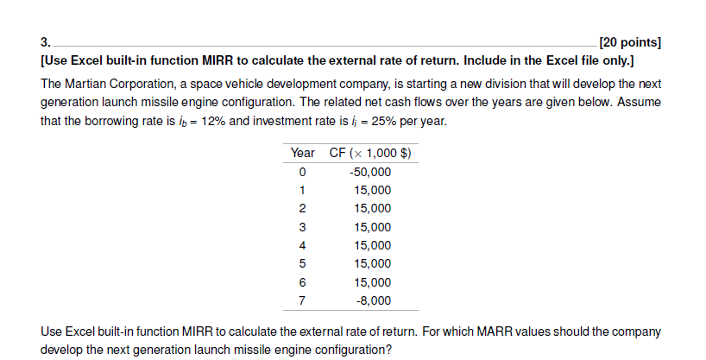

Borrowing Rate | ib = | 0.12 | Year | CF (x 1000 $) | Balance (Ft)
Investment Rate | ii = | 0.25 | 0 | -$50,000.00 | -50000.00
MARR = | 0.20 |  | 1 | $15,000.00 | -35000.00
 |  |  | 2 | $15,000.00 | -20000.00
 |  |  | 3 | $15,000.00 | -5000.00
 |  |  | 4 | $15,000.00 | 10000.00
 |  |  | 5 | $15,000.00 | 27500.00
 |  |  | 6 | $15,000.00 | 49375.00
 |  |  | 7 | -$8,000.00 | 53718.75

If MIRR>MARR, then you should accept the project. For this case, the company should develop the next generation launch missile engine if the MARR for the project is less than 21.63%.

 | MIRR = | 21.63%

Exercise#4
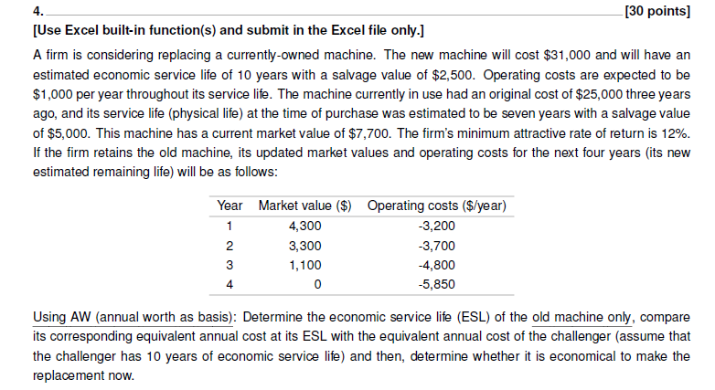

ESL of Defender - Old Machine
First Cost = | $7,700.00
Initial Life Cost = | $25,000.00
 | Year | Market Value ($) | AOC ($/year) | Capital Recovery ($/year) | AW of AOC ($/year) | Total AW ($/year)
 | 1 | $4,300.00 | -$3,200.00 | -$4,324.00 | -$3,200.00 | -$7,524.00
 | 2 | $3,300.00 | -$3,700.00 | -$2,999.47 | -$3,435.85 | -$6,435.32 | ESL of Defender
 | 3 | $1,100.00 | -$4,800.00 | -$2,879.90 | -$3,840.11 | -$6,720.02
 | 4 | $0.00 | -$5,850.00 | -$2,535.11 | -$4,260.65 | -$6,795.76

 | MARR = | 12.00%

ESL Analysis of Challenger - New Machine (NOT NECESSARY BUT HELPS WITH QUESTIONS)
First Cost = | $31,000.00 |  |  |  |  |  |  |  | Annual Depreciation for Challenger = | $2,850.00
Initial Life Cost = | $2,500.00
 | Year | Market Value ($) | AOC ($/year) | Capital Recovery ($/year) | AW of AOC ($/year) | Total AW ($/year)
 | 1 | $28,150.00 | -$1,000.00 | ($6,570.00) | ($1,000.00) | ($7,570.00)
 | 2 | $25,300.00 | -$1,000.00 | ($6,408.68) | ($1,000.00) | ($7,408.68)
 | 3 | $22,450.00 | -$1,000.00 | ($6,253.78) | ($1,000.00) | ($7,253.78)
 | 4 | $19,600.00 | -$1,000.00 | ($6,105.27) | ($1,000.00) | ($7,105.27) | 6.2431 | Approximate time until Equivalent AW is found
 | 5 | $16,750.00 | -$1,000.00 | ($5,963.09) | ($1,000.00) | ($6,963.09) | -6795.6148972
 | 6 | $13,900.00 | -$1,000.00 | ($5,827.16) | ($1,000.00) | ($6,827.16)
 | 7 | $11,050.00 | -$1,000.00 | ($5,697.40) | ($1,000.00) | ($6,697.40)
 | 8 | $8,200.00 | -$1,000.00 | ($5,573.70) | ($1,000.00) | ($6,573.70)
 | 9 | $5,350.00 | -$1,000.00 | ($5,455.96) | ($1,000.00) | ($6,455.96)
 | 10 | $2,500.00 | -$1,000.00 | ($5,344.05) | ($1,000.00) | ($6,344.05)
The ESL of the defender is after 2 years from the current time point. IF only comparing ESL of old machine and new machine at the ESL of the old machine, it would not be economical to make the replacement now, however, based on ESL analysis for 10 years of the new machine, it would be economical to replace the machine now, as the AW value that is calculated in year 10 for the challenger, will be the lowest AW value, so that machine should be selected (and really anytime after 6.2431 years!).

