Exercise1
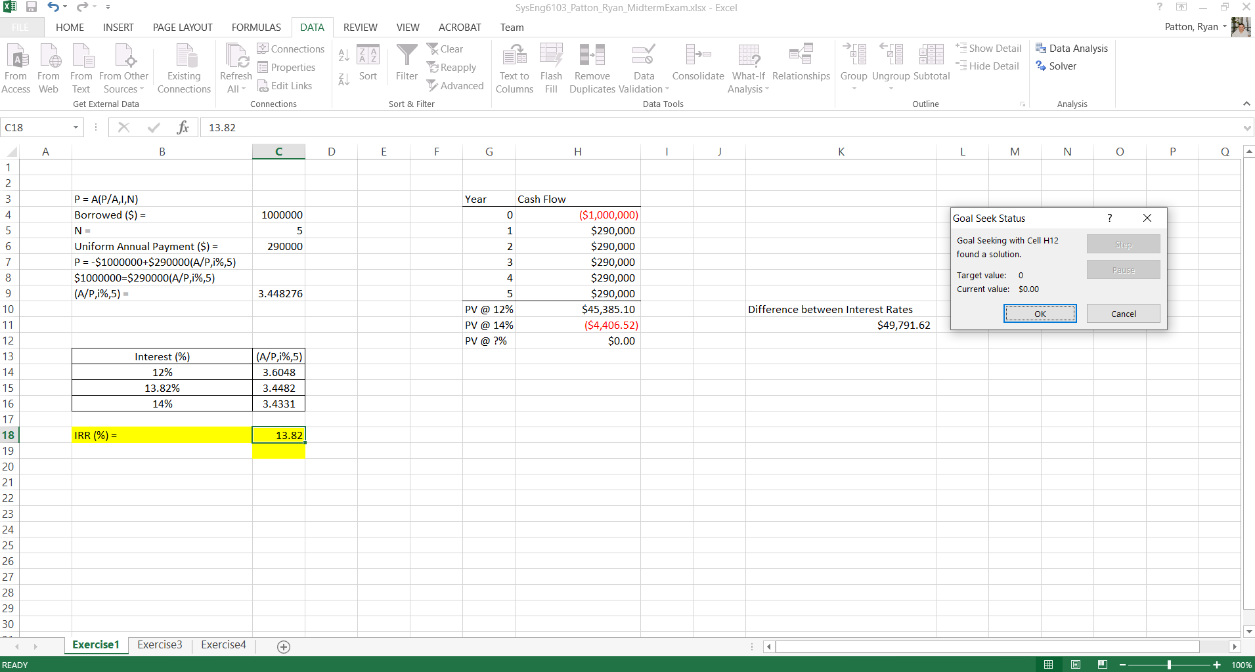
 |  |  |  | BEFORE GOAL SEEK
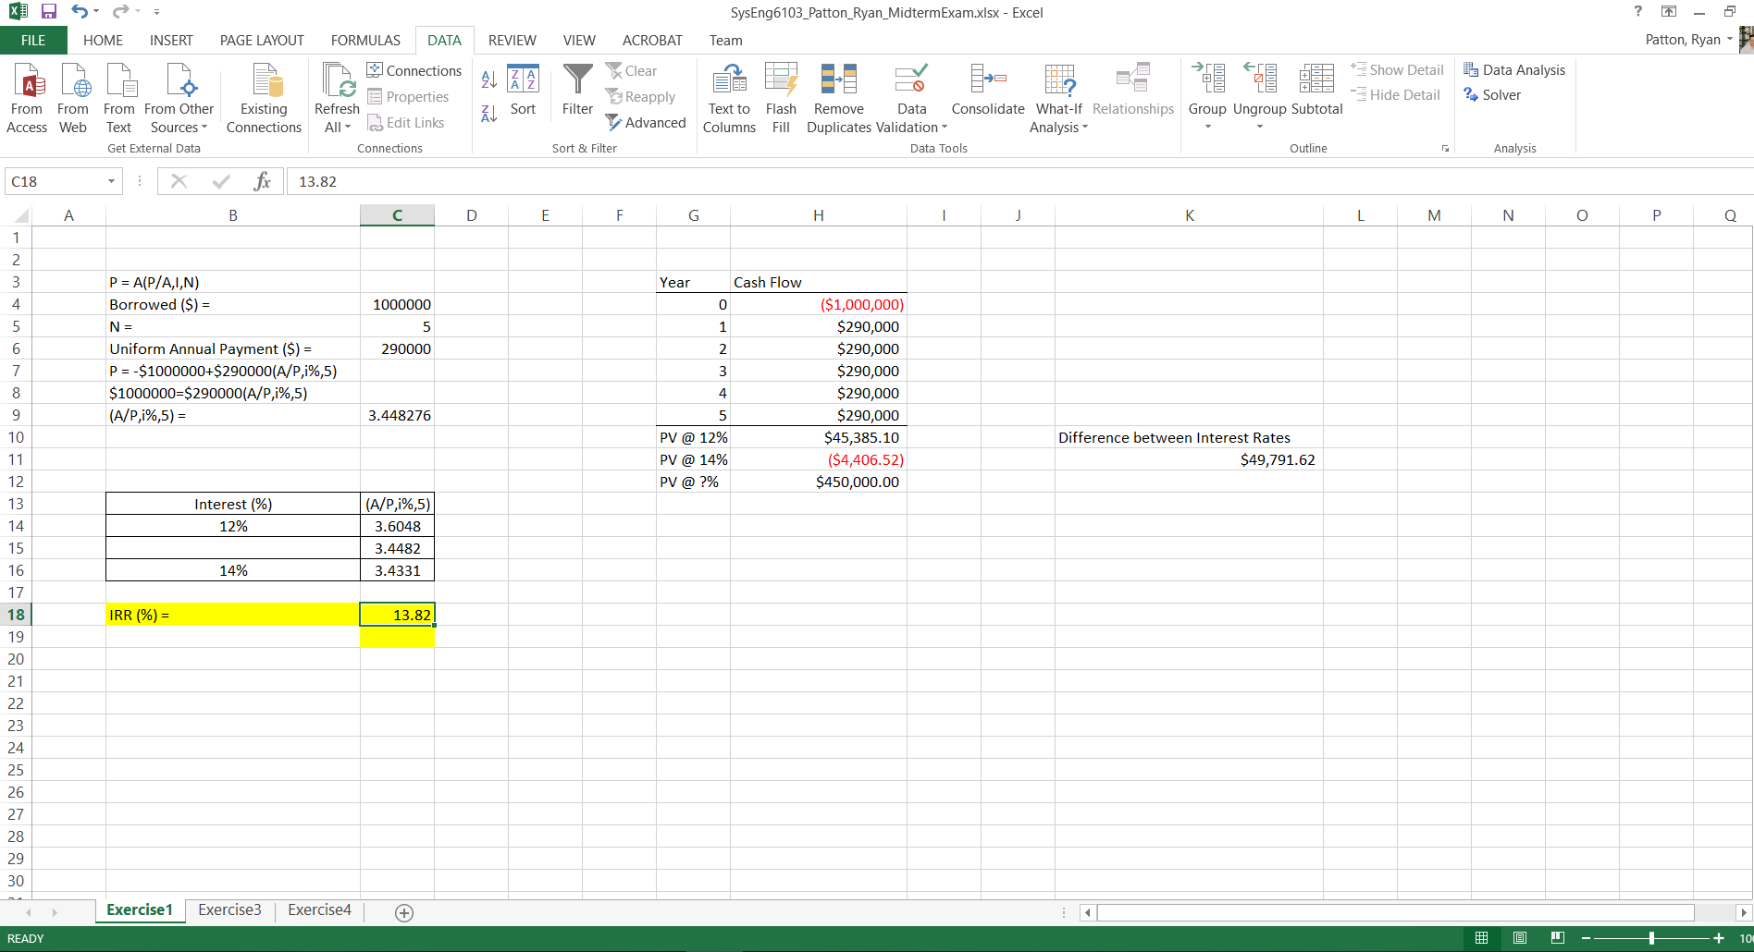
P = A(P/A,I,N) |  | Year | Cash Flow
Borrowed ($) = | 1000000 | 0 | ($1,000,000)
N = | 5 | 1 | $290,000
Uniform Annual Payment ($) = | 290000 | 2 | $290,000
P = -$1000000+$290000(A/P,i%,5) |  | 3 | $290,000
$1000000=$290000(A/P,i%,5) |  | 4 | $290,000
(A/P,i%,5) = | 3.4482758621 | 5 | $290,000
 |  | PV @ ?% | $0.00

Interest (%) | (A/P,i%,5)
12% | 3.6048
13.82% | 3.4482
14% | 3.4331

IRR (%) = | 13.82

 |  |  |  | GOAL SEEK SETUP
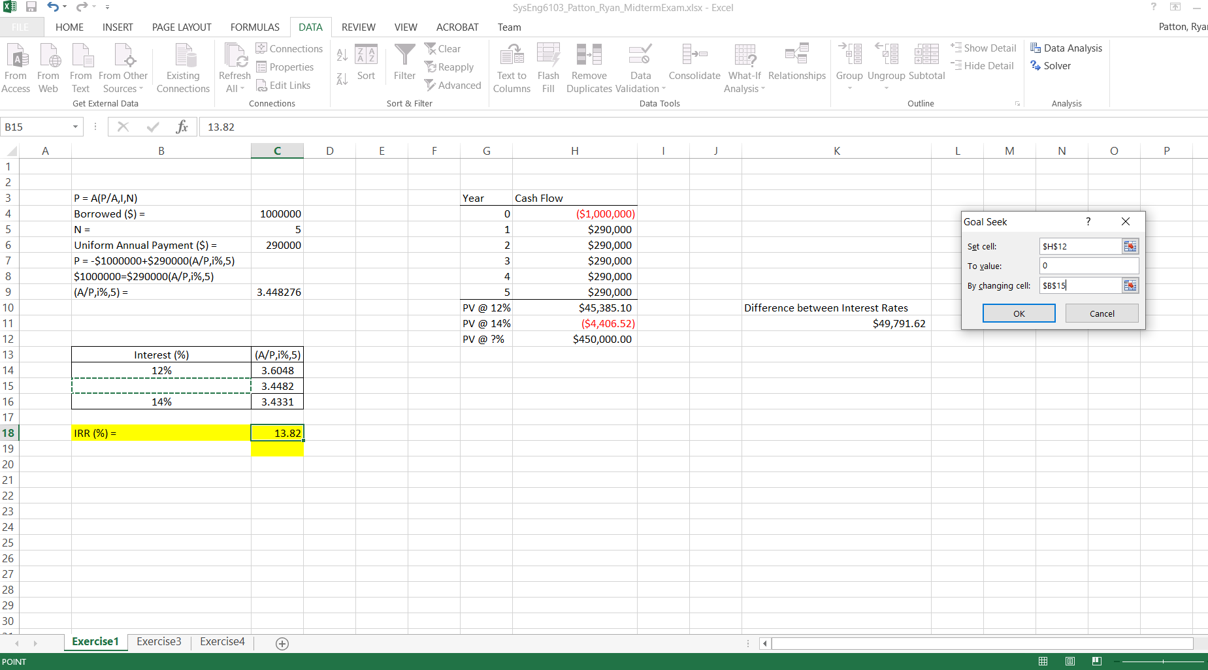

 |  |  |  | AFTER GOAL SEEK

