Sheet1
Disease | Patient_Count | Percentage | MALE | FEMALE | 0-19 | 20-29 | 30-39 | 40-49 | 50-59 | 60-69 | 70-79 | 80+ | A+ | A- | AB+ | AB- | B+ | B- | O+ | O-
Arthritis | 9308 | 16.771171171 | 4622 | 4686 | 298 | 1298 | 1410 | 1356 | 1424 | 1316 | 1373 | 833 | 1116 | 1153 | 1130 | 1192 | 1201 | 1169 | 1198 | 1149
Diabetes | 9304 | 16.763963964 | 4653 | 4651 | 280 | 1342 | 1349 | 1344 | 1331 | 1359 | 1354 | 826 | 1135 | 1173 | 1189 | 1134 | 1108 | 1119 | 1173 | 1154
Hypertension | 9245 | 16.657657658 | 4633 | 4612 | 283 | 1344 | 1369 | 1326 | 1369 | 1364 | 1339 | 833 | 1185 | 1134 | 1112 | 1198 | 1196 | 1144 | 1108 | 1150
Obesity | 9231 | 16.632432432 | 4609 | 4622 | 273 | 1324 | 1365 | 1401 | 1386 | 1437 | 1332 | 786 | 1213 | 1167 | 1173 | 1139 | 1188 | 1151 | 1151 | 1122
Cancer | 9227 | 16.625225225 | 4625 | 4602 | 278 | 1316 | 1352 | 1350 | 1394 | 1333 | 1405 | 817 | 1128 | 1199 | 1215 | 1125 | 1103 | 1173 | 1157 | 1145
Asthma | 9185 | 16.54954955 | 4632 | 4553 | 281 | 1376 | 1334 | 1353 | 1446 | 1368 | 1269 | 804 | 1179 | 1143 | 1128 | 1157 | 1149 | 1188 | 1130 | 1157
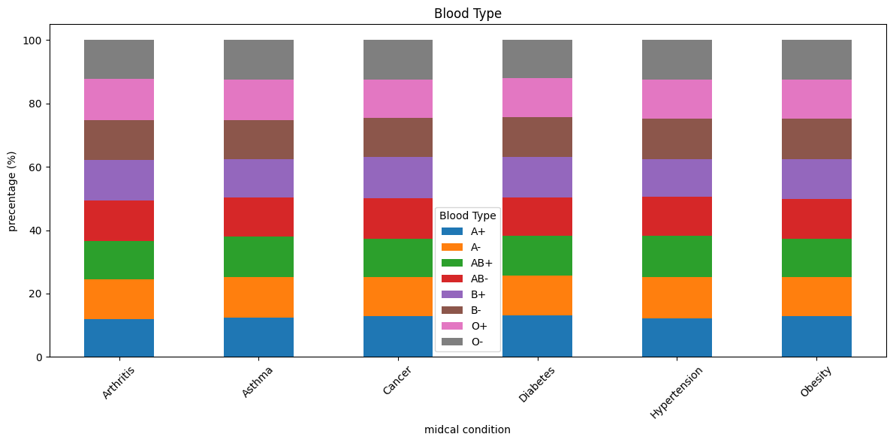
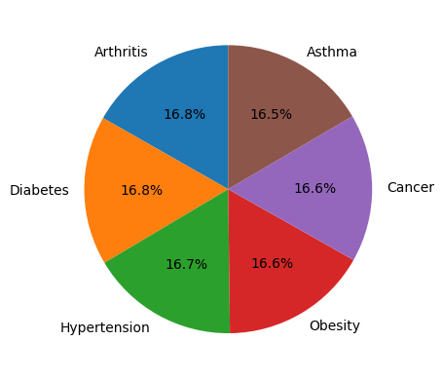

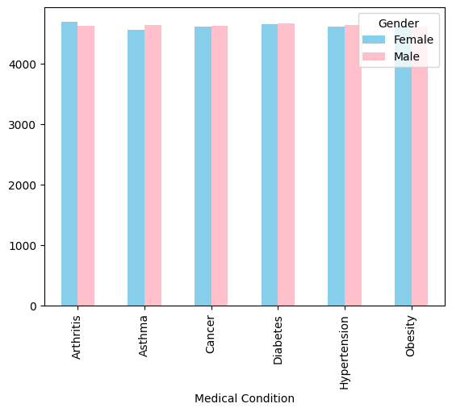

Hospital | count
LLC Smith | 44
Ltd Smith | 39
Johnson PLC | 38
Smith Ltd | 37
Smith PLC | 36

