Climatology_SQA
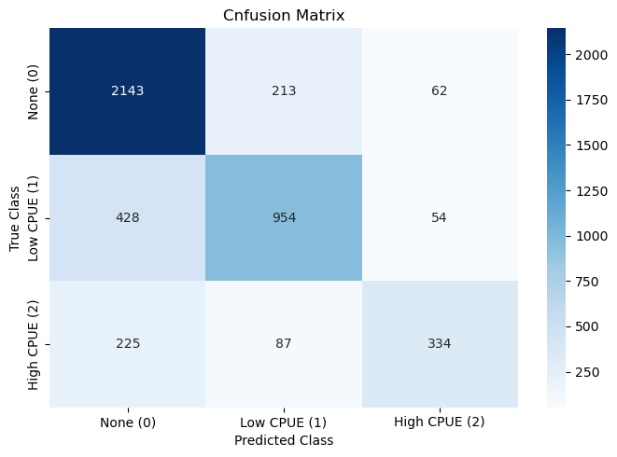
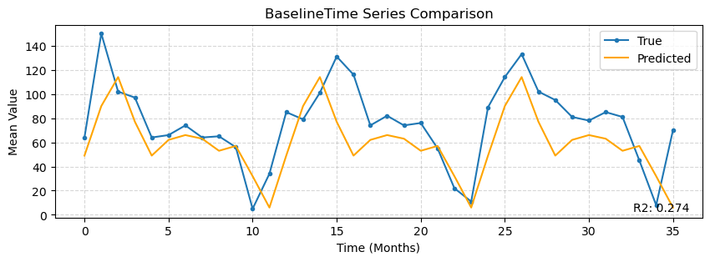
 | precision | recall | f1-score | support
0 | 0.76645207439 | 0.88626964433 | 0.8220176448 | 2418
1 | 0.76076555024 | 0.6643454039 | 0.7092936803 | 1436
2 | 0.74222222222 | 0.51702786378 | 0.60948905109 | 646
accuracy | 0.76244444444 | 0.76244444444 | 0.76244444444 | 0.76244444444
macro avg | 0.75647994895 | 0.689214304 | 0.7136001254 | 4500
weighted avg | 0.76115911146 | 0.76244444444 | 0.7555365149 | 4500

 | IoU
Class 0 | 0.69781830023
Class 1 | 0.54953917051
Class 2 | 0.43832020997

Cohen's Kappa | Aggregated R2
0.57794590338 | 0.27394588077

