UNet3D_SQA
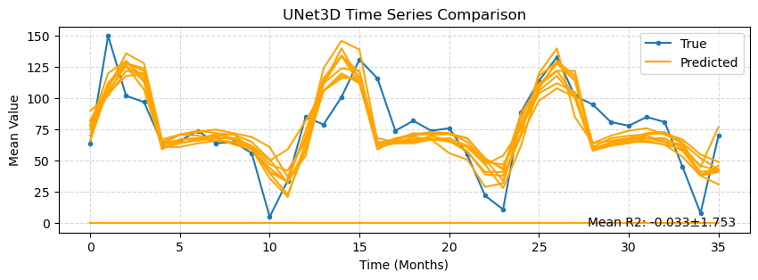
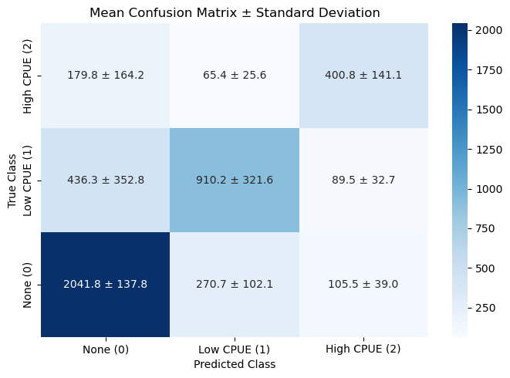
 | precision | recall | f1-score | support
0 | 0.788 ± 0.089 | 0.844 ± 0.057 | 0.809 ± 0.039 | 2418.000 ± 0.000
1 | 0.658 ± 0.232 | 0.634 ± 0.224 | 0.645 ± 0.227 | 1436.000 ± 0.000
2 | 0.606 ± 0.213 | 0.620 ± 0.218 | 0.613 ± 0.215 | 646.000 ± 0.000
accuracy | 0.745 ± 0.073 | 0.745 ± 0.073 | 0.745 ± 0.073 | 0.745 ± 0.073
macro avg | 0.684 ± 0.177 | 0.700 ± 0.129 | 0.689 ± 0.160 | 4500.000 ± 0.000
weighted avg | 0.720 ± 0.152 | 0.745 ± 0.073 | 0.729 ± 0.124 | 4500.000 ± 0.000

 | IoU
Class 0 | 0.681 ± 0.051
Class 1 | 0.503 ± 0.177
Class 2 | 0.465 ± 0.163

Mean ± Std
0.545 ± 0.192
-0.033 ± 1.847

