RandomForestClassifier_SQA
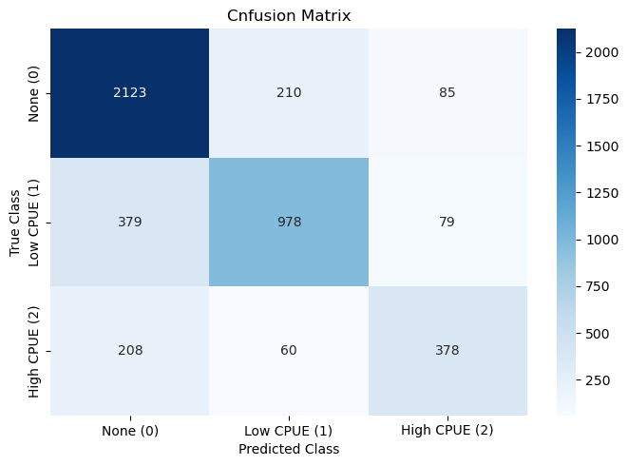
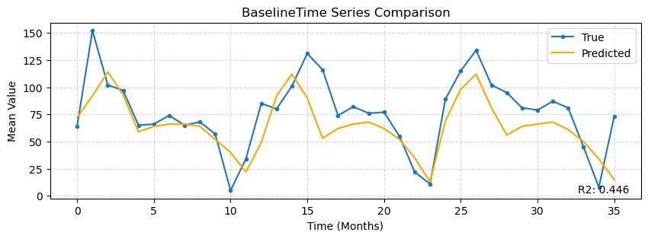
 | precision | recall | f1-score | support
0 | 0.78339483395 | 0.87799834574 | 0.82800312012 | 2418
1 | 0.78365384615 | 0.68105849582 | 0.72876304024 | 1436
2 | 0.69741697417 | 0.58513931889 | 0.63636363636 | 646
accuracy | 0.77311111111 | 0.77311111111 | 0.77311111111 | 0.77311111111
macro avg | 0.75482188476 | 0.71473205348 | 0.73104326558 | 4500
weighted avg | 0.7711348882 | 0.77311111111 | 0.76882359541 | 4500

 | IoU
Class 0 | 0.70648918469
Class 1 | 0.57327080891
Class 2 | 0.46666666667

Cohen's Kappa | Aggregated R2
0.60237854566 | 0.44630354643

ExtraTreesClassifier_SQA
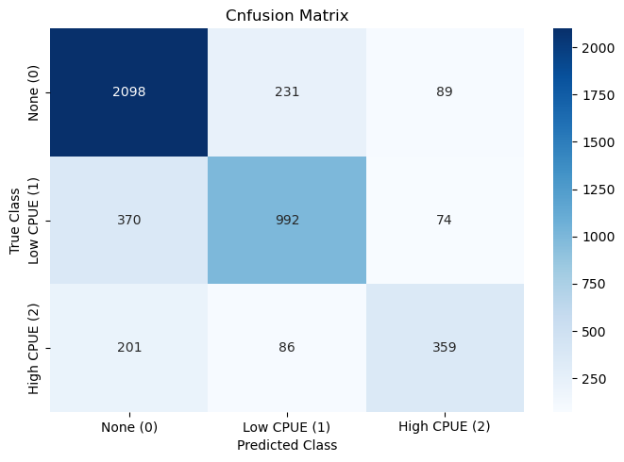
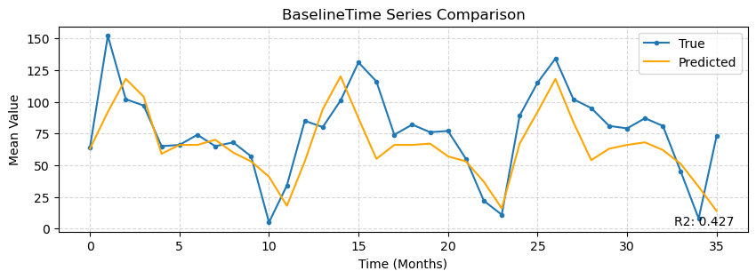
 | precision | recall | f1-score | support
0 | 0.78606219558 | 0.8676592225 | 0.82484765087 | 2418
1 | 0.75783040489 | 0.69080779944 | 0.72276867031 | 1436
2 | 0.6877394636 | 0.55572755418 | 0.6147260274 | 646
accuracy | 0.76644444444 | 0.76644444444 | 0.76644444444 | 0.76644444444
macro avg | 0.74387735469 | 0.70473152537 | 0.72078078286 | 4500
weighted avg | 0.76293834307 | 0.76644444444 | 0.76210898757 | 4500

 | IoU
Class 0 | 0.70190699231
Class 1 | 0.56588705077
Class 2 | 0.44375772559

Cohen's Kappa | Aggregated R2
0.59155992415 | 0.42736530304

